CLDN17 _multivariate
Reported by Tex Li-Hsing Chi. tex@gate.sinica.edu.tw 2019-08-21

Table 2. The clinicopathological features of HNSCC cohort and CLDN17 expression. (Chi square test)
Cutoff at -0.29 (50.0%)
 |  | CLDN17 expression |  | CLDN17 expression |  | (Optimised)
 | Features | Low | (%) | High | (%) | Case no | P-value | Remark | Matthews
Gender | Female | 163 | 39.3 | 143 | 34.5 | 415 | 0.0277 | 1 | 0
2 | Male | 44 | 10.6 | 65 | 15.7
Age at diagnosis | <=65y | 139 | 33.5 | 135 | 32.5 | 415 | 0.7044 | 0 | 0
4 | >65y | 68 | 16.4 | 73 | 17.6
Clinical T Status | T1+T2 | 76 | 18.3 | 73 | 17.6 | 415 | 0.8092 | 0 | 0
6 | T3+T4 | 131 | 31.6 | 135 | 32.5
Clinical N Status | N0 | 107 | 25.8 | 109 | 26.3 | 415 | 0.9624 | 0 | 0
8 | N1-3 | 100 | 24.1 | 99 | 23.9
Clinical M Status | M0 | 206 | 49.6 | 206 | 49.6 | 415 | 1 | 0 | 0
10 | M1 | 1 | 0.2 | 2 | 0.5
Clinical Stage | Stage I+II | 49 | 11.8 | 53 | 12.8 | 415 | 0.7535 | 0 | 0
12 | Stage III+IV | 158 | 38.1 | 155 | 37.3
Surgical Margin status | Negative | 158 | 38.1 | 160 | 38.6 | 415 | 0.9081 | 0 | 0
14 | Positive | 49 | 11.8 | 48 | 11.6
Tobacco Exposure | Low | 74 | 17.8 | 87 | 21 | 415 | 0.227 | 0 | 0
16 | High | 133 | 32 | 121 | 29.2

Table 3. Univariate/Multivariate Cox's proportional hazards regression analyses on OS time of CLDN17 gene expression in HNSCC

 |  | Univariate |  |  |  | Multivariate
 | Features | HR | CI95%(L) | CI95%(H) | P-value | HR | CI95%(L) | CI95%(H) | P-value
1 | Female | 1 |  |  |  | 1
Gender | Male | 1.157 | 0.843 | 1.587 | 0.367 | 1.223 | 0.874 | 1.713 | 0.24
11 | <=65y | 1 |  |  |  | 1
Age at diagnosis | >65y | 1.329 | 0.99 | 1.784 | 0.058 | 1.392 | 1.024 | 1.892 | 0.035
12 | T1+T2 | 1 |  |  |  | 1
Clinical T Status | T3+T4 | 1.409 | 1.028 | 1.931 | 0.033 | 2.22 | 1.174 | 4.198 | 0.014
13 | N0 | 1 |  |  |  | 1
Clinical N Status | N1-3 | 1.185 | 0.89 | 1.577 | 0.246 | 1.233 | 0.864 | 1.76 | 0.249
14 | M0 | 1 |  |  |  | 1
Clinical M Status | M1 | 4.097 | 1.009 | 16.644 | 0.049 | 9.919 | 2.153 | 45.703 | 0.003
15 | Stage I+II | 1 |  |  |  | 1
Clinical Stage | Stage III+IV | 1.245 | 0.882 | 1.759 | 0.213 | 0.502 | 0.234 | 1.076 | 0.076
16 | Negative | 1 |  |  |  | 1
Surgical Margin status | Positive | 1.591 | 1.155 | 2.191 | 0.004 | 1.665 | 1.205 | 2.301 | 0.002
17 | Low | 1 |  |  |  | 1
Tobacco Exposure | High | 1.364 | 1.008 | 1.844 | 0.044 | 1.442 | 1.047 | 1.987 | 0.025
18 | Low | 1 |  |  |  | 1
RNAseq(z-score) | High | 0.894 | 0.669 | 1.194 | 0.447 | 0.881 | 0.656 | 1.183 | 0.4

Table 4. Univariate/Multivariate Cox's proportional hazards regression analyses on RFS time of CLDN17 gene expression in HNSCC

 |  | Univariate |  |  |  | Multivariate
 | Features | HR | CI95%(L) | CI95%(H) | P-value | HR | CI95%(L) | CI95%(H) | P-value
1 | Female | 1 |  |  |  | 1
Gender | Male | 1.157 | 0.843 | 1.587 | 0.367 | 1.223 | 0.874 | 1.713 | 0.24
11 | <=65y | 1 |  |  |  | 1
Age at diagnosis | >65y | 1.329 | 0.99 | 1.784 | 0.058 | 1.392 | 1.024 | 1.892 | 0.035
12 | T1+T2 | 1 |  |  |  | 1
Clinical T Status | T3+T4 | 1.409 | 1.028 | 1.931 | 0.033 | 2.22 | 1.174 | 4.198 | 0.014
13 | N0 | 1 |  |  |  | 1
Clinical N Status | N1-3 | 1.185 | 0.89 | 1.577 | 0.246 | 1.233 | 0.864 | 1.76 | 0.249
14 | M0 | 1 |  |  |  | 1
Clinical M Status | M1 | 4.097 | 1.009 | 16.644 | 0.049 | 9.919 | 2.153 | 45.703 | 0.003
15 | Stage I+II | 1 |  |  |  | 1
Clinical Stage | Stage III+IV | 1.245 | 0.882 | 1.759 | 0.213 | 0.502 | 0.234 | 1.076 | 0.076
16 | Negative | 1 |  |  |  | 1
Surgical Margin status | Positive | 1.591 | 1.155 | 2.191 | 0.004 | 1.665 | 1.205 | 2.301 | 0.002
17 | Low | 1 |  |  |  | 1
Tobacco Exposure | High | 1.364 | 1.008 | 1.844 | 0.044 | 1.442 | 1.047 | 1.987 | 0.025
18 | Low | 1 |  |  |  | 1
RNAseq(z-score) | High | 0.894 | 0.669 | 1.194 | 0.447 | 0.881 | 0.656 | 1.183 | 0.4

Kaplan-Meier survival estimate: Cutoff at -0.29 (50.0%)



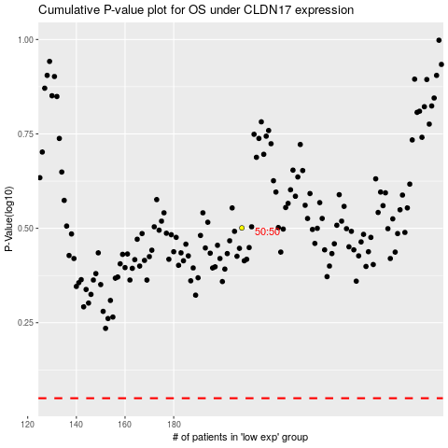

 |  |  |  |  |  | cases_OS | p_OS | rank | exp
 |  |  |  |  |  |  | cases_RFS | p_RFS | rank | exp

