CLDN19 _multivariate
Reported by Tex Li-Hsing Chi. tex@gate.sinica.edu.tw 2019-08-21

Table 2. The clinicopathological features of HNSCC cohort and CLDN19 expression. (Chi square test)
Cutoff at -0.202 (50.0%)
 |  | CLDN19 expression |  | CLDN19 expression |  | (Optimised)
 | Features | Low | (%) | High | (%) | Case no | P-value | Remark | Matthews
Gender | Female | 148 | 35.7 | 158 | 38.1 | 415 | 0.3567 | 0 | 0
2 | Male | 59 | 14.2 | 50 | 12
Age at diagnosis | <=65y | 122 | 29.4 | 152 | 36.6 | 415 | 0.0033 | 1 | 0
4 | >65y | 85 | 20.5 | 56 | 13.5
Clinical T Status | T1+T2 | 73 | 17.6 | 76 | 18.3 | 415 | 0.8666 | 0 | 0
6 | T3+T4 | 134 | 32.3 | 132 | 31.8
Clinical N Status | N0 | 109 | 26.3 | 107 | 25.8 | 415 | 0.8812 | 0 | 0
8 | N1-3 | 98 | 23.6 | 101 | 24.3
Clinical M Status | M0 | 205 | 49.4 | 207 | 49.9 | 415 | 0.6232 | 0 | 0
10 | M1 | 2 | 0.5 | 1 | 0.2
Clinical Stage | Stage I+II | 46 | 11.1 | 56 | 13.5 | 415 | 0.3182 | 0 | 0
12 | Stage III+IV | 161 | 38.8 | 152 | 36.6
Surgical Margin status | Negative | 155 | 37.3 | 163 | 39.3 | 415 | 0.4187 | 0 | 0
14 | Positive | 52 | 12.5 | 45 | 10.8
Tobacco Exposure | Low | 86 | 20.7 | 75 | 18.1 | 415 | 0.2687 | 0 | 0
16 | High | 121 | 29.2 | 133 | 32

Table 3. Univariate/Multivariate Cox's proportional hazards regression analyses on OS time of CLDN19 gene expression in HNSCC

 |  | Univariate |  |  |  | Multivariate
 | Features | HR | CI95%(L) | CI95%(H) | P-value | HR | CI95%(L) | CI95%(H) | P-value
1 | Female | 1 |  |  |  | 1
Gender | Male | 1.157 | 0.843 | 1.587 | 0.367 | 1.191 | 0.852 | 1.665 | 0.306
11 | <=65y | 1 |  |  |  | 1
Age at diagnosis | >65y | 1.329 | 0.99 | 1.784 | 0.058 | 1.38 | 1.014 | 1.878 | 0.041
12 | T1+T2 | 1 |  |  |  | 1
Clinical T Status | T3+T4 | 1.409 | 1.028 | 1.931 | 0.033 | 2.228 | 1.178 | 4.214 | 0.014
13 | N0 | 1 |  |  |  | 1
Clinical N Status | N1-3 | 1.185 | 0.89 | 1.577 | 0.246 | 1.249 | 0.875 | 1.784 | 0.22
14 | M0 | 1 |  |  |  | 1
Clinical M Status | M1 | 4.097 | 1.009 | 16.644 | 0.049 | 9.332 | 2.036 | 42.784 | 0.004
15 | Stage I+II | 1 |  |  |  | 1
Clinical Stage | Stage III+IV | 1.245 | 0.882 | 1.759 | 0.213 | 0.496 | 0.231 | 1.066 | 0.073
16 | Negative | 1 |  |  |  | 1
Surgical Margin status | Positive | 1.591 | 1.155 | 2.191 | 0.004 | 1.647 | 1.189 | 2.281 | 0.003
17 | Low | 1 |  |  |  | 1
Tobacco Exposure | High | 1.364 | 1.008 | 1.844 | 0.044 | 1.457 | 1.058 | 2.009 | 0.021
18 | Low | 1 |  |  |  | 1
RNAseq(z-score) | High | 0.851 | 0.639 | 1.135 | 0.272 | 0.904 | 0.674 | 1.213 | 0.501

Table 4. Univariate/Multivariate Cox's proportional hazards regression analyses on RFS time of CLDN19 gene expression in HNSCC

 |  | Univariate |  |  |  | Multivariate
 | Features | HR | CI95%(L) | CI95%(H) | P-value | HR | CI95%(L) | CI95%(H) | P-value
1 | Female | 1 |  |  |  | 1
Gender | Male | 1.157 | 0.843 | 1.587 | 0.367 | 1.191 | 0.852 | 1.665 | 0.306
11 | <=65y | 1 |  |  |  | 1
Age at diagnosis | >65y | 1.329 | 0.99 | 1.784 | 0.058 | 1.38 | 1.014 | 1.878 | 0.041
12 | T1+T2 | 1 |  |  |  | 1
Clinical T Status | T3+T4 | 1.409 | 1.028 | 1.931 | 0.033 | 2.228 | 1.178 | 4.214 | 0.014
13 | N0 | 1 |  |  |  | 1
Clinical N Status | N1-3 | 1.185 | 0.89 | 1.577 | 0.246 | 1.249 | 0.875 | 1.784 | 0.22
14 | M0 | 1 |  |  |  | 1
Clinical M Status | M1 | 4.097 | 1.009 | 16.644 | 0.049 | 9.332 | 2.036 | 42.784 | 0.004
15 | Stage I+II | 1 |  |  |  | 1
Clinical Stage | Stage III+IV | 1.245 | 0.882 | 1.759 | 0.213 | 0.496 | 0.231 | 1.066 | 0.073
16 | Negative | 1 |  |  |  | 1
Surgical Margin status | Positive | 1.591 | 1.155 | 2.191 | 0.004 | 1.647 | 1.189 | 2.281 | 0.003
17 | Low | 1 |  |  |  | 1
Tobacco Exposure | High | 1.364 | 1.008 | 1.844 | 0.044 | 1.457 | 1.058 | 2.009 | 0.021
18 | Low | 1 |  |  |  | 1
RNAseq(z-score) | High | 0.851 | 0.639 | 1.135 | 0.272 | 0.904 | 0.674 | 1.213 | 0.501

Kaplan-Meier survival estimate: Cutoff at -0.202 (50.0%)



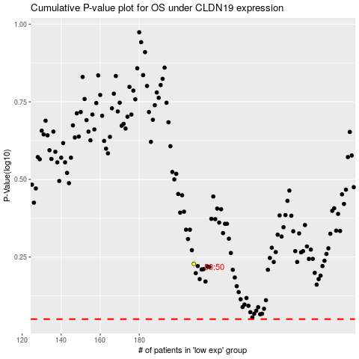

 |  |  |  |  |  | cases_OS | p_OS | rank | exp
 |  |  |  |  |  |  | cases_RFS | p_RFS | rank | exp

