CLDN3 _multivariate
Reported by Tex Li-Hsing Chi. tex@gate.sinica.edu.tw 2019-08-21

Table 2. The clinicopathological features of HNSCC cohort and CLDN3 expression. (Chi square test)
Cutoff at -0.238 (49.8%)
 |  | CLDN3 expression |  | CLDN3 expression |  | (Optimised)
 | Features | Low | (%) | High | (%) | Case no | P-value | Remark | Matthews
Gender | Female | 145 | 34.9 | 161 | 38.8 | 415 | 0.1116 | 0 | 0
2 | Male | 62 | 14.9 | 47 | 11.3
Age at diagnosis | <=65y | 138 | 33.3 | 136 | 32.8 | 415 | 0.8634 | 0 | 0
4 | >65y | 69 | 16.6 | 72 | 17.3
Clinical T Status | T1+T2 | 79 | 19 | 70 | 16.9 | 415 | 0.3924 | 0 | 0
6 | T3+T4 | 128 | 30.8 | 138 | 33.3
Clinical N Status | N0 | 113 | 27.2 | 103 | 24.8 | 415 | 0.3495 | 1 | 0
8 | N1-3 | 94 | 22.7 | 105 | 25.3
Clinical M Status | M0 | 204 | 49.2 | 208 | 50.1 | 415 | 0.1232 | 0 | 0
10 | M1 | 3 | 0.7 | 0 | 0
Clinical Stage | Stage I+II | 58 | 14 | 44 | 10.6 | 415 | 0.131 | 0 | 0
12 | Stage III+IV | 149 | 35.9 | 164 | 39.5
Surgical Margin status | Negative | 166 | 40 | 152 | 36.6 | 415 | 0.1042 | 0 | 0
14 | Positive | 41 | 9.9 | 56 | 13.5
Tobacco Exposure | Low | 104 | 25.1 | 57 | 13.7 | 415 | 0 | 1 | 0
16 | High | 103 | 24.8 | 151 | 36.4

Table 3. Univariate/Multivariate Cox's proportional hazards regression analyses on OS time of CLDN3 gene expression in HNSCC

 |  | Univariate |  |  |  | Multivariate
 | Features | HR | CI95%(L) | CI95%(H) | P-value | HR | CI95%(L) | CI95%(H) | P-value
1 | Female | 1 |  |  |  | 1
Gender | Male | 1.157 | 0.843 | 1.587 | 0.367 | 1.188 | 0.849 | 1.663 | 0.314
11 | <=65y | 1 |  |  |  | 1
Age at diagnosis | >65y | 1.329 | 0.99 | 1.784 | 0.058 | 1.411 | 1.037 | 1.921 | 0.029
12 | T1+T2 | 1 |  |  |  | 1
Clinical T Status | T3+T4 | 1.409 | 1.028 | 1.931 | 0.033 | 2.172 | 1.148 | 4.109 | 0.017
13 | N0 | 1 |  |  |  | 1
Clinical N Status | N1-3 | 1.185 | 0.89 | 1.577 | 0.246 | 1.241 | 0.87 | 1.77 | 0.233
14 | M0 | 1 |  |  |  | 1
Clinical M Status | M1 | 4.097 | 1.009 | 16.644 | 0.049 | 8.617 | 1.861 | 39.894 | 0.006
15 | Stage I+II | 1 |  |  |  | 1
Clinical Stage | Stage III+IV | 1.245 | 0.882 | 1.759 | 0.213 | 0.52 | 0.242 | 1.119 | 0.095
16 | Negative | 1 |  |  |  | 1
Surgical Margin status | Positive | 1.591 | 1.155 | 2.191 | 0.004 | 1.688 | 1.221 | 2.333 | 0.002
17 | Low | 1 |  |  |  | 1
Tobacco Exposure | High | 1.364 | 1.008 | 1.844 | 0.044 | 1.502 | 1.082 | 2.086 | 0.015
18 | Low | 1 |  |  |  | 1
RNAseq(z-score) | High | 0.95 | 0.713 | 1.266 | 0.728 | 0.864 | 0.639 | 1.168 | 0.342

Table 4. Univariate/Multivariate Cox's proportional hazards regression analyses on RFS time of CLDN3 gene expression in HNSCC

 |  | Univariate |  |  |  | Multivariate
 | Features | HR | CI95%(L) | CI95%(H) | P-value | HR | CI95%(L) | CI95%(H) | P-value
1 | Female | 1 |  |  |  | 1
Gender | Male | 1.157 | 0.843 | 1.587 | 0.367 | 1.188 | 0.849 | 1.663 | 0.314
11 | <=65y | 1 |  |  |  | 1
Age at diagnosis | >65y | 1.329 | 0.99 | 1.784 | 0.058 | 1.411 | 1.037 | 1.921 | 0.029
12 | T1+T2 | 1 |  |  |  | 1
Clinical T Status | T3+T4 | 1.409 | 1.028 | 1.931 | 0.033 | 2.172 | 1.148 | 4.109 | 0.017
13 | N0 | 1 |  |  |  | 1
Clinical N Status | N1-3 | 1.185 | 0.89 | 1.577 | 0.246 | 1.241 | 0.87 | 1.77 | 0.233
14 | M0 | 1 |  |  |  | 1
Clinical M Status | M1 | 4.097 | 1.009 | 16.644 | 0.049 | 8.617 | 1.861 | 39.894 | 0.006
15 | Stage I+II | 1 |  |  |  | 1
Clinical Stage | Stage III+IV | 1.245 | 0.882 | 1.759 | 0.213 | 0.52 | 0.242 | 1.119 | 0.095
16 | Negative | 1 |  |  |  | 1
Surgical Margin status | Positive | 1.591 | 1.155 | 2.191 | 0.004 | 1.688 | 1.221 | 2.333 | 0.002
17 | Low | 1 |  |  |  | 1
Tobacco Exposure | High | 1.364 | 1.008 | 1.844 | 0.044 | 1.502 | 1.082 | 2.086 | 0.015
18 | Low | 1 |  |  |  | 1
RNAseq(z-score) | High | 0.95 | 0.713 | 1.266 | 0.728 | 0.864 | 0.639 | 1.168 | 0.342

Kaplan-Meier survival estimate: Cutoff at -0.238 (49.8%)



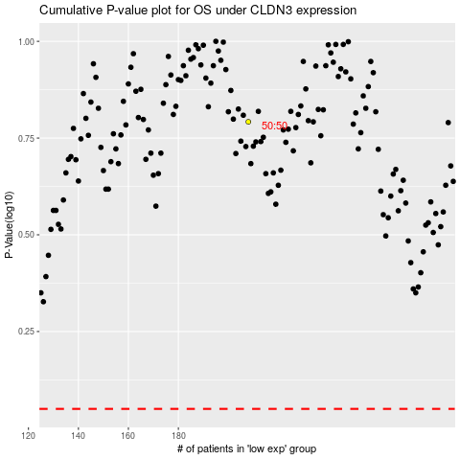

 |  |  |  |  |  | cases_OS | p_OS | rank | exp
 |  |  |  |  |  |  | cases_RFS | p_RFS | rank | exp

