CLDN4 _multivariate
Reported by Tex Li-Hsing Chi. tex@gate.sinica.edu.tw 2019-08-21

Table 2. The clinicopathological features of HNSCC cohort and CLDN4 expression. (Chi square test)
Cutoff at -0.355 (50.0%)
 |  | CLDN4 expression |  | CLDN4 expression |  | (Optimised)
 | Features | Low | (%) | High | (%) | Case no | P-value | Remark | Matthews
Gender | Female | 148 | 35.7 | 158 | 38.1 | 415 | 0.3567 | 0 | 0
2 | Male | 59 | 14.2 | 50 | 12
Age at diagnosis | <=65y | 138 | 33.3 | 136 | 32.8 | 415 | 0.8634 | 0 | 0
4 | >65y | 69 | 16.6 | 72 | 17.3
Clinical T Status | T1+T2 | 78 | 18.8 | 71 | 17.1 | 415 | 0.5152 | 0 | 0
6 | T3+T4 | 129 | 31.1 | 137 | 33
Clinical N Status | N0 | 108 | 26 | 108 | 26 | 415 | 1 | 0 | 0
8 | N1-3 | 99 | 23.9 | 100 | 24.1
Clinical M Status | M0 | 205 | 49.4 | 207 | 49.9 | 415 | 0.6232 | 0 | 0
10 | M1 | 2 | 0.5 | 1 | 0.2
Clinical Stage | Stage I+II | 58 | 14 | 44 | 10.6 | 415 | 0.131 | 0 | 0
12 | Stage III+IV | 149 | 35.9 | 164 | 39.5
Surgical Margin status | Negative | 157 | 37.8 | 161 | 38.8 | 415 | 0.729 | 0 | 0
14 | Positive | 50 | 12 | 47 | 11.3
Tobacco Exposure | Low | 88 | 21.2 | 73 | 17.6 | 415 | 0.1314 | 0 | 0
16 | High | 119 | 28.7 | 135 | 32.5

Table 3. Univariate/Multivariate Cox's proportional hazards regression analyses on OS time of CLDN4 gene expression in HNSCC

 |  | Univariate |  |  |  | Multivariate
 | Features | HR | CI95%(L) | CI95%(H) | P-value | HR | CI95%(L) | CI95%(H) | P-value
1 | Female | 1 |  |  |  | 1
Gender | Male | 1.157 | 0.843 | 1.587 | 0.367 | 1.214 | 0.867 | 1.7 | 0.258
11 | <=65y | 1 |  |  |  | 1
Age at diagnosis | >65y | 1.329 | 0.99 | 1.784 | 0.058 | 1.386 | 1.019 | 1.884 | 0.037
12 | T1+T2 | 1 |  |  |  | 1
Clinical T Status | T3+T4 | 1.409 | 1.028 | 1.931 | 0.033 | 2.231 | 1.178 | 4.226 | 0.014
13 | N0 | 1 |  |  |  | 1
Clinical N Status | N1-3 | 1.185 | 0.89 | 1.577 | 0.246 | 1.248 | 0.874 | 1.782 | 0.222
14 | M0 | 1 |  |  |  | 1
Clinical M Status | M1 | 4.097 | 1.009 | 16.644 | 0.049 | 9.771 | 2.119 | 45.053 | 0.003
15 | Stage I+II | 1 |  |  |  | 1
Clinical Stage | Stage III+IV | 1.245 | 0.882 | 1.759 | 0.213 | 0.494 | 0.23 | 1.065 | 0.072
16 | Negative | 1 |  |  |  | 1
Surgical Margin status | Positive | 1.591 | 1.155 | 2.191 | 0.004 | 1.683 | 1.217 | 2.328 | 0.002
17 | Low | 1 |  |  |  | 1
Tobacco Exposure | High | 1.364 | 1.008 | 1.844 | 0.044 | 1.45 | 1.052 | 1.997 | 0.023
18 | Low | 1 |  |  |  | 1
RNAseq(z-score) | High | 1.016 | 0.761 | 1.355 | 0.915 | 1.087 | 0.811 | 1.458 | 0.576

Table 4. Univariate/Multivariate Cox's proportional hazards regression analyses on RFS time of CLDN4 gene expression in HNSCC

 |  | Univariate |  |  |  | Multivariate
 | Features | HR | CI95%(L) | CI95%(H) | P-value | HR | CI95%(L) | CI95%(H) | P-value
1 | Female | 1 |  |  |  | 1
Gender | Male | 1.157 | 0.843 | 1.587 | 0.367 | 1.214 | 0.867 | 1.7 | 0.258
11 | <=65y | 1 |  |  |  | 1
Age at diagnosis | >65y | 1.329 | 0.99 | 1.784 | 0.058 | 1.386 | 1.019 | 1.884 | 0.037
12 | T1+T2 | 1 |  |  |  | 1
Clinical T Status | T3+T4 | 1.409 | 1.028 | 1.931 | 0.033 | 2.231 | 1.178 | 4.226 | 0.014
13 | N0 | 1 |  |  |  | 1
Clinical N Status | N1-3 | 1.185 | 0.89 | 1.577 | 0.246 | 1.248 | 0.874 | 1.782 | 0.222
14 | M0 | 1 |  |  |  | 1
Clinical M Status | M1 | 4.097 | 1.009 | 16.644 | 0.049 | 9.771 | 2.119 | 45.053 | 0.003
15 | Stage I+II | 1 |  |  |  | 1
Clinical Stage | Stage III+IV | 1.245 | 0.882 | 1.759 | 0.213 | 0.494 | 0.23 | 1.065 | 0.072
16 | Negative | 1 |  |  |  | 1
Surgical Margin status | Positive | 1.591 | 1.155 | 2.191 | 0.004 | 1.683 | 1.217 | 2.328 | 0.002
17 | Low | 1 |  |  |  | 1
Tobacco Exposure | High | 1.364 | 1.008 | 1.844 | 0.044 | 1.45 | 1.052 | 1.997 | 0.023
18 | Low | 1 |  |  |  | 1
RNAseq(z-score) | High | 1.016 | 0.761 | 1.355 | 0.915 | 1.087 | 0.811 | 1.458 | 0.576

Kaplan-Meier survival estimate: Cutoff at -0.355 (50.0%)



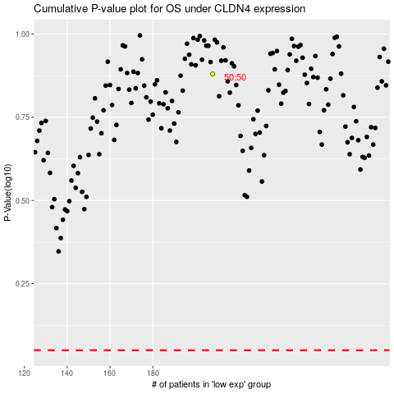

 |  |  |  |  |  | cases_OS | p_OS | rank | exp
 |  |  |  |  |  |  | cases_RFS | p_RFS | rank | exp

