CLDN7 _multivariate
Reported by Tex Li-Hsing Chi. tex@gate.sinica.edu.tw 2019-08-21

Table 2. The clinicopathological features of HNSCC cohort and CLDN7 expression. (Chi square test)
Cutoff at -0.368 (50.0%)
 |  | CLDN7 expression |  | CLDN7 expression |  | (Optimised)
 | Features | Low | (%) | High | (%) | Case no | P-value | Remark | Matthews
Gender | Female | 144 | 34.7 | 162 | 39 | 415 | 0.0697 | 0 | 0
2 | Male | 63 | 15.2 | 46 | 11.1
Age at diagnosis | <=65y | 137 | 33 | 137 | 33 | 415 | 1 | 0 | 0
4 | >65y | 70 | 16.9 | 71 | 17.1
Clinical T Status | T1+T2 | 81 | 19.5 | 68 | 16.4 | 415 | 0.206 | 0 | 0
6 | T3+T4 | 126 | 30.4 | 140 | 33.7
Clinical N Status | N0 | 113 | 27.2 | 103 | 24.8 | 415 | 0.3495 | 1 | 0
8 | N1-3 | 94 | 22.7 | 105 | 25.3
Clinical M Status | M0 | 205 | 49.4 | 207 | 49.9 | 415 | 0.6232 | 0 | 0
10 | M1 | 2 | 0.5 | 1 | 0.2
Clinical Stage | Stage I+II | 61 | 14.7 | 41 | 9.9 | 415 | 0.0282 | 1 | 0
12 | Stage III+IV | 146 | 35.2 | 167 | 40.2
Surgical Margin status | Negative | 157 | 37.8 | 161 | 38.8 | 415 | 0.729 | 0 | 0
14 | Positive | 50 | 12 | 47 | 11.3
Tobacco Exposure | Low | 90 | 21.7 | 71 | 17.1 | 415 | 0.0559 | 0 | 0
16 | High | 117 | 28.2 | 137 | 33

Table 3. Univariate/Multivariate Cox's proportional hazards regression analyses on OS time of CLDN7 gene expression in HNSCC

 |  | Univariate |  |  |  | Multivariate
 | Features | HR | CI95%(L) | CI95%(H) | P-value | HR | CI95%(L) | CI95%(H) | P-value
1 | Female | 1 |  |  |  | 1
Gender | Male | 1.157 | 0.843 | 1.587 | 0.367 | 1.188 | 0.847 | 1.665 | 0.318
11 | <=65y | 1 |  |  |  | 1
Age at diagnosis | >65y | 1.329 | 0.99 | 1.784 | 0.058 | 1.394 | 1.025 | 1.895 | 0.034
12 | T1+T2 | 1 |  |  |  | 1
Clinical T Status | T3+T4 | 1.409 | 1.028 | 1.931 | 0.033 | 2.183 | 1.153 | 4.131 | 0.017
13 | N0 | 1 |  |  |  | 1
Clinical N Status | N1-3 | 1.185 | 0.89 | 1.577 | 0.246 | 1.244 | 0.872 | 1.776 | 0.228
14 | M0 | 1 |  |  |  | 1
Clinical M Status | M1 | 4.097 | 1.009 | 16.644 | 0.049 | 9.211 | 2.005 | 42.315 | 0.004
15 | Stage I+II | 1 |  |  |  | 1
Clinical Stage | Stage III+IV | 1.245 | 0.882 | 1.759 | 0.213 | 0.514 | 0.239 | 1.107 | 0.089
16 | Negative | 1 |  |  |  | 1
Surgical Margin status | Positive | 1.591 | 1.155 | 2.191 | 0.004 | 1.662 | 1.202 | 2.298 | 0.002
17 | Low | 1 |  |  |  | 1
Tobacco Exposure | High | 1.364 | 1.008 | 1.844 | 0.044 | 1.461 | 1.059 | 2.014 | 0.021
18 | Low | 1 |  |  |  | 1
RNAseq(z-score) | High | 0.916 | 0.687 | 1.22 | 0.549 | 0.929 | 0.691 | 1.249 | 0.626

Table 4. Univariate/Multivariate Cox's proportional hazards regression analyses on RFS time of CLDN7 gene expression in HNSCC

 |  | Univariate |  |  |  | Multivariate
 | Features | HR | CI95%(L) | CI95%(H) | P-value | HR | CI95%(L) | CI95%(H) | P-value
1 | Female | 1 |  |  |  | 1
Gender | Male | 1.157 | 0.843 | 1.587 | 0.367 | 1.188 | 0.847 | 1.665 | 0.318
11 | <=65y | 1 |  |  |  | 1
Age at diagnosis | >65y | 1.329 | 0.99 | 1.784 | 0.058 | 1.394 | 1.025 | 1.895 | 0.034
12 | T1+T2 | 1 |  |  |  | 1
Clinical T Status | T3+T4 | 1.409 | 1.028 | 1.931 | 0.033 | 2.183 | 1.153 | 4.131 | 0.017
13 | N0 | 1 |  |  |  | 1
Clinical N Status | N1-3 | 1.185 | 0.89 | 1.577 | 0.246 | 1.244 | 0.872 | 1.776 | 0.228
14 | M0 | 1 |  |  |  | 1
Clinical M Status | M1 | 4.097 | 1.009 | 16.644 | 0.049 | 9.211 | 2.005 | 42.315 | 0.004
15 | Stage I+II | 1 |  |  |  | 1
Clinical Stage | Stage III+IV | 1.245 | 0.882 | 1.759 | 0.213 | 0.514 | 0.239 | 1.107 | 0.089
16 | Negative | 1 |  |  |  | 1
Surgical Margin status | Positive | 1.591 | 1.155 | 2.191 | 0.004 | 1.662 | 1.202 | 2.298 | 0.002
17 | Low | 1 |  |  |  | 1
Tobacco Exposure | High | 1.364 | 1.008 | 1.844 | 0.044 | 1.461 | 1.059 | 2.014 | 0.021
18 | Low | 1 |  |  |  | 1
RNAseq(z-score) | High | 0.916 | 0.687 | 1.22 | 0.549 | 0.929 | 0.691 | 1.249 | 0.626

Kaplan-Meier survival estimate: Cutoff at -0.368 (50.0%)



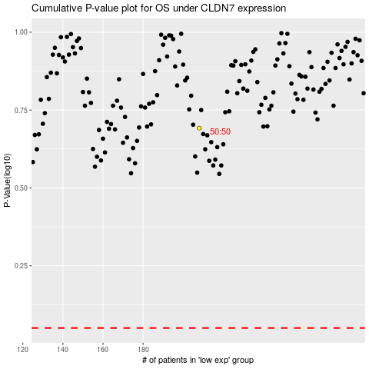

 |  |  |  |  |  | cases_OS | p_OS | rank | exp
 |  |  |  |  |  |  | cases_RFS | p_RFS | rank | exp

