CLDN8 _multivariate
Reported by Tex Li-Hsing Chi. tex@gate.sinica.edu.tw 2019-08-21

Table 2. The clinicopathological features of HNSCC cohort and CLDN8 expression. (Chi square test)
Cutoff at -0.374 (49.8%)
 |  | CLDN8 expression |  | CLDN8 expression |  | (Optimised)
 | Features | Low | (%) | High | (%) | Case no | P-value | Remark | Matthews
Gender | Female | 150 | 36.1 | 156 | 37.6 | 415 | 0.6344 | 0 | 0
2 | Male | 57 | 13.7 | 52 | 12.5
Age at diagnosis | <=65y | 138 | 33.3 | 136 | 32.8 | 415 | 0.8634 | 0 | 0
4 | >65y | 69 | 16.6 | 72 | 17.3
Clinical T Status | T1+T2 | 75 | 18.1 | 74 | 17.8 | 415 | 0.9707 | 0 | 0
6 | T3+T4 | 132 | 31.8 | 134 | 32.3
Clinical N Status | N0 | 102 | 24.6 | 114 | 27.5 | 415 | 0.3031 | 0 | 0
8 | N1-3 | 105 | 25.3 | 94 | 22.7
Clinical M Status | M0 | 206 | 49.6 | 206 | 49.6 | 415 | 1 | 0 | 0
10 | M1 | 1 | 0.2 | 2 | 0.5
Clinical Stage | Stage I+II | 47 | 11.3 | 55 | 13.3 | 415 | 0.4413 | 0 | 0
12 | Stage III+IV | 160 | 38.6 | 153 | 36.9
Surgical Margin status | Negative | 155 | 37.3 | 163 | 39.3 | 415 | 0.4187 | 0 | 0
14 | Positive | 52 | 12.5 | 45 | 10.8
Tobacco Exposure | Low | 100 | 24.1 | 61 | 14.7 | 415 | 1e-04 | 1 | 0
16 | High | 107 | 25.8 | 147 | 35.4

Table 3. Univariate/Multivariate Cox's proportional hazards regression analyses on OS time of CLDN8 gene expression in HNSCC

 |  | Univariate |  |  |  | Multivariate
 | Features | HR | CI95%(L) | CI95%(H) | P-value | HR | CI95%(L) | CI95%(H) | P-value
1 | Female | 1 |  |  |  | 1
Gender | Male | 1.157 | 0.843 | 1.587 | 0.367 | 1.21 | 0.866 | 1.691 | 0.263
11 | <=65y | 1 |  |  |  | 1
Age at diagnosis | >65y | 1.329 | 0.99 | 1.784 | 0.058 | 1.37 | 1.006 | 1.865 | 0.046
12 | T1+T2 | 1 |  |  |  | 1
Clinical T Status | T3+T4 | 1.409 | 1.028 | 1.931 | 0.033 | 2.2 | 1.163 | 4.161 | 0.015
13 | N0 | 1 |  |  |  | 1
Clinical N Status | N1-3 | 1.185 | 0.89 | 1.577 | 0.246 | 1.244 | 0.872 | 1.776 | 0.229
14 | M0 | 1 |  |  |  | 1
Clinical M Status | M1 | 4.097 | 1.009 | 16.644 | 0.049 | 9.221 | 2.01 | 42.308 | 0.004
15 | Stage I+II | 1 |  |  |  | 1
Clinical Stage | Stage III+IV | 1.245 | 0.882 | 1.759 | 0.213 | 0.505 | 0.235 | 1.083 | 0.079
16 | Negative | 1 |  |  |  | 1
Surgical Margin status | Positive | 1.591 | 1.155 | 2.191 | 0.004 | 1.705 | 1.23 | 2.363 | 0.001
17 | Low | 1 |  |  |  | 1
Tobacco Exposure | High | 1.364 | 1.008 | 1.844 | 0.044 | 1.392 | 0.998 | 1.942 | 0.051
18 | Low | 1 |  |  |  | 1
RNAseq(z-score) | High | 1.221 | 0.916 | 1.629 | 0.174 | 1.154 | 0.851 | 1.565 | 0.358

Table 4. Univariate/Multivariate Cox's proportional hazards regression analyses on RFS time of CLDN8 gene expression in HNSCC

 |  | Univariate |  |  |  | Multivariate
 | Features | HR | CI95%(L) | CI95%(H) | P-value | HR | CI95%(L) | CI95%(H) | P-value
1 | Female | 1 |  |  |  | 1
Gender | Male | 1.157 | 0.843 | 1.587 | 0.367 | 1.21 | 0.866 | 1.691 | 0.263
11 | <=65y | 1 |  |  |  | 1
Age at diagnosis | >65y | 1.329 | 0.99 | 1.784 | 0.058 | 1.37 | 1.006 | 1.865 | 0.046
12 | T1+T2 | 1 |  |  |  | 1
Clinical T Status | T3+T4 | 1.409 | 1.028 | 1.931 | 0.033 | 2.2 | 1.163 | 4.161 | 0.015
13 | N0 | 1 |  |  |  | 1
Clinical N Status | N1-3 | 1.185 | 0.89 | 1.577 | 0.246 | 1.244 | 0.872 | 1.776 | 0.229
14 | M0 | 1 |  |  |  | 1
Clinical M Status | M1 | 4.097 | 1.009 | 16.644 | 0.049 | 9.221 | 2.01 | 42.308 | 0.004
15 | Stage I+II | 1 |  |  |  | 1
Clinical Stage | Stage III+IV | 1.245 | 0.882 | 1.759 | 0.213 | 0.505 | 0.235 | 1.083 | 0.079
16 | Negative | 1 |  |  |  | 1
Surgical Margin status | Positive | 1.591 | 1.155 | 2.191 | 0.004 | 1.705 | 1.23 | 2.363 | 0.001
17 | Low | 1 |  |  |  | 1
Tobacco Exposure | High | 1.364 | 1.008 | 1.844 | 0.044 | 1.392 | 0.998 | 1.942 | 0.051
18 | Low | 1 |  |  |  | 1
RNAseq(z-score) | High | 1.221 | 0.916 | 1.629 | 0.174 | 1.154 | 0.851 | 1.565 | 0.358

Kaplan-Meier survival estimate: Cutoff at -0.374 (49.8%)



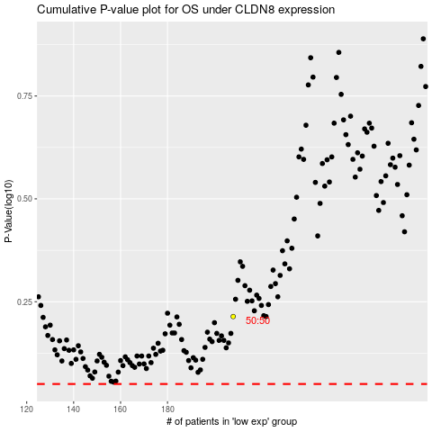

 |  |  |  |  |  | cases_OS | p_OS | rank | exp
 |  |  |  |  |  |  | cases_RFS | p_RFS | rank | exp

