CLDN9 _multivariate
Reported by Tex Li-Hsing Chi. tex@gate.sinica.edu.tw 2019-08-21

Table 2. The clinicopathological features of HNSCC cohort and CLDN9 expression. (Chi square test)
Cutoff at -0.17 (50.0%)
 |  | CLDN9 expression |  | CLDN9 expression |  | (Optimised)
 | Features | Low | (%) | High | (%) | Case no | P-value | Remark | Matthews
Gender | Female | 151 | 36.4 | 155 | 37.3 | 415 | 0.8007 | 0 | 0
2 | Male | 56 | 13.5 | 53 | 12.8
Age at diagnosis | <=65y | 130 | 31.3 | 144 | 34.7 | 415 | 0.2009 | 0 | 0
4 | >65y | 77 | 18.6 | 64 | 15.4
Clinical T Status | T1+T2 | 74 | 17.8 | 75 | 18.1 | 415 | 1 | 0 | 0
6 | T3+T4 | 133 | 32 | 133 | 32
Clinical N Status | N0 | 111 | 26.7 | 105 | 25.3 | 415 | 0.5875 | 0 | 0
8 | N1-3 | 96 | 23.1 | 103 | 24.8
Clinical M Status | M0 | 207 | 49.9 | 205 | 49.4 | 415 | 0.2482 | 0 | 0
10 | M1 | 0 | 0 | 3 | 0.7
Clinical Stage | Stage I+II | 51 | 12.3 | 51 | 12.3 | 415 | 1 | 0 | 0
12 | Stage III+IV | 156 | 37.6 | 157 | 37.8
Surgical Margin status | Negative | 150 | 36.1 | 168 | 40.5 | 415 | 0.0492 | 1 | 0
14 | Positive | 57 | 13.7 | 40 | 9.6
Tobacco Exposure | Low | 86 | 20.7 | 75 | 18.1 | 415 | 0.2687 | 0 | 0
16 | High | 121 | 29.2 | 133 | 32

Table 3. Univariate/Multivariate Cox's proportional hazards regression analyses on OS time of CLDN9 gene expression in HNSCC

 |  | Univariate |  |  |  | Multivariate
 | Features | HR | CI95%(L) | CI95%(H) | P-value | HR | CI95%(L) | CI95%(H) | P-value
1 | Female | 1 |  |  |  | 1
Gender | Male | 1.157 | 0.843 | 1.587 | 0.367 | 1.204 | 0.862 | 1.683 | 0.277
11 | <=65y | 1 |  |  |  | 1
Age at diagnosis | >65y | 1.329 | 0.99 | 1.784 | 0.058 | 1.406 | 1.033 | 1.913 | 0.03
12 | T1+T2 | 1 |  |  |  | 1
Clinical T Status | T3+T4 | 1.409 | 1.028 | 1.931 | 0.033 | 2.222 | 1.175 | 4.203 | 0.014
13 | N0 | 1 |  |  |  | 1
Clinical N Status | N1-3 | 1.185 | 0.89 | 1.577 | 0.246 | 1.239 | 0.868 | 1.768 | 0.238
14 | M0 | 1 |  |  |  | 1
Clinical M Status | M1 | 4.097 | 1.009 | 16.644 | 0.049 | 8.911 | 1.935 | 41.043 | 0.005
15 | Stage I+II | 1 |  |  |  | 1
Clinical Stage | Stage III+IV | 1.245 | 0.882 | 1.759 | 0.213 | 0.501 | 0.233 | 1.077 | 0.077
16 | Negative | 1 |  |  |  | 1
Surgical Margin status | Positive | 1.591 | 1.155 | 2.191 | 0.004 | 1.68 | 1.215 | 2.322 | 0.002
17 | Low | 1 |  |  |  | 1
Tobacco Exposure | High | 1.364 | 1.008 | 1.844 | 0.044 | 1.442 | 1.046 | 1.988 | 0.025
18 | Low | 1 |  |  |  | 1
RNAseq(z-score) | High | 1.13 | 0.848 | 1.505 | 0.404 | 1.14 | 0.853 | 1.523 | 0.377

Table 4. Univariate/Multivariate Cox's proportional hazards regression analyses on RFS time of CLDN9 gene expression in HNSCC

 |  | Univariate |  |  |  | Multivariate
 | Features | HR | CI95%(L) | CI95%(H) | P-value | HR | CI95%(L) | CI95%(H) | P-value
1 | Female | 1 |  |  |  | 1
Gender | Male | 1.157 | 0.843 | 1.587 | 0.367 | 1.204 | 0.862 | 1.683 | 0.277
11 | <=65y | 1 |  |  |  | 1
Age at diagnosis | >65y | 1.329 | 0.99 | 1.784 | 0.058 | 1.406 | 1.033 | 1.913 | 0.03
12 | T1+T2 | 1 |  |  |  | 1
Clinical T Status | T3+T4 | 1.409 | 1.028 | 1.931 | 0.033 | 2.222 | 1.175 | 4.203 | 0.014
13 | N0 | 1 |  |  |  | 1
Clinical N Status | N1-3 | 1.185 | 0.89 | 1.577 | 0.246 | 1.239 | 0.868 | 1.768 | 0.238
14 | M0 | 1 |  |  |  | 1
Clinical M Status | M1 | 4.097 | 1.009 | 16.644 | 0.049 | 8.911 | 1.935 | 41.043 | 0.005
15 | Stage I+II | 1 |  |  |  | 1
Clinical Stage | Stage III+IV | 1.245 | 0.882 | 1.759 | 0.213 | 0.501 | 0.233 | 1.077 | 0.077
16 | Negative | 1 |  |  |  | 1
Surgical Margin status | Positive | 1.591 | 1.155 | 2.191 | 0.004 | 1.68 | 1.215 | 2.322 | 0.002
17 | Low | 1 |  |  |  | 1
Tobacco Exposure | High | 1.364 | 1.008 | 1.844 | 0.044 | 1.442 | 1.046 | 1.988 | 0.025
18 | Low | 1 |  |  |  | 1
RNAseq(z-score) | High | 1.13 | 0.848 | 1.505 | 0.404 | 1.14 | 0.853 | 1.523 | 0.377

Kaplan-Meier survival estimate: Cutoff at -0.17 (50.0%)



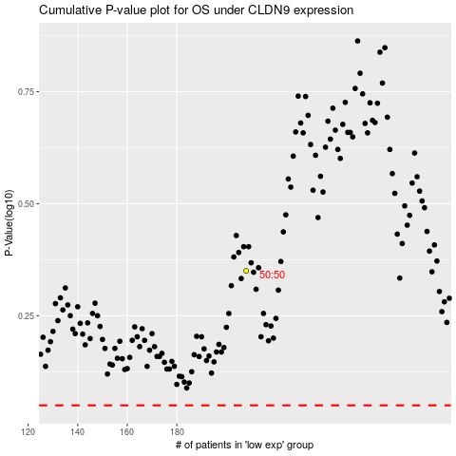

 |  |  |  |  |  | cases_OS | p_OS | rank | exp
 |  |  |  |  |  |  | cases_RFS | p_RFS | rank | exp

