CLDND2 _multivariate
Reported by Tex Li-Hsing Chi. tex@gate.sinica.edu.tw 2019-08-21

Table 2. The clinicopathological features of HNSCC cohort and CLDND2 expression. (Chi square test)
Cutoff at -0.209 (49.8%)
 |  | CLDND2 expression |  | CLDND2 expression |  | (Optimised)
 | Features | Low | (%) | High | (%) | Case no | P-value | Remark | Matthews
Gender | Female | 146 | 35.2 | 160 | 38.6 | 415 | 0.1714 | 0 | 0
2 | Male | 61 | 14.7 | 48 | 11.6
Age at diagnosis | <=65y | 146 | 35.2 | 128 | 30.8 | 415 | 0.0672 | 0 | 0
4 | >65y | 61 | 14.7 | 80 | 19.3
Clinical T Status | T1+T2 | 71 | 17.1 | 78 | 18.8 | 415 | 0.5638 | 0 | 0
6 | T3+T4 | 136 | 32.8 | 130 | 31.3
Clinical N Status | N0 | 96 | 23.1 | 120 | 28.9 | 415 | 0.0272 | 1 | 0
8 | N1-3 | 111 | 26.7 | 88 | 21.2
Clinical M Status | M0 | 204 | 49.2 | 208 | 50.1 | 415 | 0.1232 | 0 | 0
10 | M1 | 3 | 0.7 | 0 | 0
Clinical Stage | Stage I+II | 42 | 10.1 | 60 | 14.5 | 415 | 0.0561 | 0 | 0
12 | Stage III+IV | 165 | 39.8 | 148 | 35.7
Surgical Margin status | Negative | 159 | 38.3 | 159 | 38.3 | 415 | 1 | 0 | 0
14 | Positive | 48 | 11.6 | 49 | 11.8
Tobacco Exposure | Low | 80 | 19.3 | 81 | 19.5 | 415 | 1 | 0 | 0
16 | High | 127 | 30.6 | 127 | 30.6

Table 3. Univariate/Multivariate Cox's proportional hazards regression analyses on OS time of CLDND2 gene expression in HNSCC

 |  | Univariate |  |  |  | Multivariate
 | Features | HR | CI95%(L) | CI95%(H) | P-value | HR | CI95%(L) | CI95%(H) | P-value
1 | Female | 1 |  |  |  | 1
Gender | Male | 1.157 | 0.843 | 1.587 | 0.367 | 1.194 | 0.855 | 1.668 | 0.299
11 | <=65y | 1 |  |  |  | 1
Age at diagnosis | >65y | 1.329 | 0.99 | 1.784 | 0.058 | 1.423 | 1.042 | 1.942 | 0.026
12 | T1+T2 | 1 |  |  |  | 1
Clinical T Status | T3+T4 | 1.409 | 1.028 | 1.931 | 0.033 | 2.259 | 1.191 | 4.284 | 0.013
13 | N0 | 1 |  |  |  | 1
Clinical N Status | N1-3 | 1.185 | 0.89 | 1.577 | 0.246 | 1.236 | 0.866 | 1.764 | 0.243
14 | M0 | 1 |  |  |  | 1
Clinical M Status | M1 | 4.097 | 1.009 | 16.644 | 0.049 | 9.104 | 1.982 | 41.818 | 0.005
15 | Stage I+II | 1 |  |  |  | 1
Clinical Stage | Stage III+IV | 1.245 | 0.882 | 1.759 | 0.213 | 0.487 | 0.226 | 1.051 | 0.067
16 | Negative | 1 |  |  |  | 1
Surgical Margin status | Positive | 1.591 | 1.155 | 2.191 | 0.004 | 1.695 | 1.224 | 2.347 | 0.001
17 | Low | 1 |  |  |  | 1
Tobacco Exposure | High | 1.364 | 1.008 | 1.844 | 0.044 | 1.46 | 1.059 | 2.012 | 0.021
18 | Low | 1 |  |  |  | 1
RNAseq(z-score) | High | 0.936 | 0.703 | 1.246 | 0.65 | 0.88 | 0.654 | 1.183 | 0.397

Table 4. Univariate/Multivariate Cox's proportional hazards regression analyses on RFS time of CLDND2 gene expression in HNSCC

 |  | Univariate |  |  |  | Multivariate
 | Features | HR | CI95%(L) | CI95%(H) | P-value | HR | CI95%(L) | CI95%(H) | P-value
1 | Female | 1 |  |  |  | 1
Gender | Male | 1.157 | 0.843 | 1.587 | 0.367 | 1.194 | 0.855 | 1.668 | 0.299
11 | <=65y | 1 |  |  |  | 1
Age at diagnosis | >65y | 1.329 | 0.99 | 1.784 | 0.058 | 1.423 | 1.042 | 1.942 | 0.026
12 | T1+T2 | 1 |  |  |  | 1
Clinical T Status | T3+T4 | 1.409 | 1.028 | 1.931 | 0.033 | 2.259 | 1.191 | 4.284 | 0.013
13 | N0 | 1 |  |  |  | 1
Clinical N Status | N1-3 | 1.185 | 0.89 | 1.577 | 0.246 | 1.236 | 0.866 | 1.764 | 0.243
14 | M0 | 1 |  |  |  | 1
Clinical M Status | M1 | 4.097 | 1.009 | 16.644 | 0.049 | 9.104 | 1.982 | 41.818 | 0.005
15 | Stage I+II | 1 |  |  |  | 1
Clinical Stage | Stage III+IV | 1.245 | 0.882 | 1.759 | 0.213 | 0.487 | 0.226 | 1.051 | 0.067
16 | Negative | 1 |  |  |  | 1
Surgical Margin status | Positive | 1.591 | 1.155 | 2.191 | 0.004 | 1.695 | 1.224 | 2.347 | 0.001
17 | Low | 1 |  |  |  | 1
Tobacco Exposure | High | 1.364 | 1.008 | 1.844 | 0.044 | 1.46 | 1.059 | 2.012 | 0.021
18 | Low | 1 |  |  |  | 1
RNAseq(z-score) | High | 0.936 | 0.703 | 1.246 | 0.65 | 0.88 | 0.654 | 1.183 | 0.397

Kaplan-Meier survival estimate: Cutoff at -0.209 (49.8%)



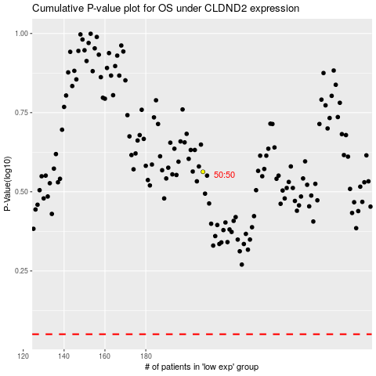

 |  |  |  |  |  | cases_OS | p_OS | rank | exp
 |  |  |  |  |  |  | cases_RFS | p_RFS | rank | exp

