CLEC11A _multivariate
Reported by Tex Li-Hsing Chi. tex@gate.sinica.edu.tw 2019-08-21

Table 2. The clinicopathological features of HNSCC cohort and CLEC11A expression. (Chi square test)
Cutoff at -0.242 (49.8%)
 |  | CLEC11A expression |  | CLEC11A expression |  | (Optimised)
 | Features | Low | (%) | High | (%) | Case no | P-value | Remark | Matthews
Gender | Female | 154 | 37.1 | 152 | 36.6 | 415 | 0.8463 | 0 | 0
2 | Male | 53 | 12.8 | 56 | 13.5
Age at diagnosis | <=65y | 144 | 34.7 | 130 | 31.3 | 415 | 0.1568 | 0 | 0
4 | >65y | 63 | 15.2 | 78 | 18.8
Clinical T Status | T1+T2 | 82 | 19.8 | 67 | 16.1 | 415 | 0.1417 | 0 | 0
6 | T3+T4 | 125 | 30.1 | 141 | 34
Clinical N Status | N0 | 105 | 25.3 | 111 | 26.7 | 415 | 0.6598 | 0 | 0
8 | N1-3 | 102 | 24.6 | 97 | 23.4
Clinical M Status | M0 | 205 | 49.4 | 207 | 49.9 | 415 | 0.6232 | 0 | 0
10 | M1 | 2 | 0.5 | 1 | 0.2
Clinical Stage | Stage I+II | 51 | 12.3 | 51 | 12.3 | 415 | 1 | 0 | 0
12 | Stage III+IV | 156 | 37.6 | 157 | 37.8
Surgical Margin status | Negative | 160 | 38.6 | 158 | 38.1 | 415 | 0.8167 | 0 | 0
14 | Positive | 47 | 11.3 | 50 | 12
Tobacco Exposure | Low | 76 | 18.3 | 85 | 20.5 | 415 | 0.4207 | 0 | 0
16 | High | 131 | 31.6 | 123 | 29.6

Table 3. Univariate/Multivariate Cox's proportional hazards regression analyses on OS time of CLEC11A gene expression in HNSCC

 |  | Univariate |  |  |  | Multivariate
 | Features | HR | CI95%(L) | CI95%(H) | P-value | HR | CI95%(L) | CI95%(H) | P-value
1 | Female | 1 |  |  |  | 1
Gender | Male | 1.157 | 0.843 | 1.587 | 0.367 | 1.198 | 0.857 | 1.674 | 0.29
11 | <=65y | 1 |  |  |  | 1
Age at diagnosis | >65y | 1.329 | 0.99 | 1.784 | 0.058 | 1.391 | 1.023 | 1.891 | 0.035
12 | T1+T2 | 1 |  |  |  | 1
Clinical T Status | T3+T4 | 1.409 | 1.028 | 1.931 | 0.033 | 2.168 | 1.142 | 4.119 | 0.018
13 | N0 | 1 |  |  |  | 1
Clinical N Status | N1-3 | 1.185 | 0.89 | 1.577 | 0.246 | 1.237 | 0.866 | 1.765 | 0.242
14 | M0 | 1 |  |  |  | 1
Clinical M Status | M1 | 4.097 | 1.009 | 16.644 | 0.049 | 9.342 | 2.037 | 42.836 | 0.004
15 | Stage I+II | 1 |  |  |  | 1
Clinical Stage | Stage III+IV | 1.245 | 0.882 | 1.759 | 0.213 | 0.511 | 0.237 | 1.099 | 0.086
16 | Negative | 1 |  |  |  | 1
Surgical Margin status | Positive | 1.591 | 1.155 | 2.191 | 0.004 | 1.669 | 1.208 | 2.306 | 0.002
17 | Low | 1 |  |  |  | 1
Tobacco Exposure | High | 1.364 | 1.008 | 1.844 | 0.044 | 1.459 | 1.058 | 2.011 | 0.021
18 | Low | 1 |  |  |  | 1
RNAseq(z-score) | High | 1.111 | 0.833 | 1.481 | 0.474 | 1.06 | 0.792 | 1.418 | 0.695

Table 4. Univariate/Multivariate Cox's proportional hazards regression analyses on RFS time of CLEC11A gene expression in HNSCC

 |  | Univariate |  |  |  | Multivariate
 | Features | HR | CI95%(L) | CI95%(H) | P-value | HR | CI95%(L) | CI95%(H) | P-value
1 | Female | 1 |  |  |  | 1
Gender | Male | 1.157 | 0.843 | 1.587 | 0.367 | 1.198 | 0.857 | 1.674 | 0.29
11 | <=65y | 1 |  |  |  | 1
Age at diagnosis | >65y | 1.329 | 0.99 | 1.784 | 0.058 | 1.391 | 1.023 | 1.891 | 0.035
12 | T1+T2 | 1 |  |  |  | 1
Clinical T Status | T3+T4 | 1.409 | 1.028 | 1.931 | 0.033 | 2.168 | 1.142 | 4.119 | 0.018
13 | N0 | 1 |  |  |  | 1
Clinical N Status | N1-3 | 1.185 | 0.89 | 1.577 | 0.246 | 1.237 | 0.866 | 1.765 | 0.242
14 | M0 | 1 |  |  |  | 1
Clinical M Status | M1 | 4.097 | 1.009 | 16.644 | 0.049 | 9.342 | 2.037 | 42.836 | 0.004
15 | Stage I+II | 1 |  |  |  | 1
Clinical Stage | Stage III+IV | 1.245 | 0.882 | 1.759 | 0.213 | 0.511 | 0.237 | 1.099 | 0.086
16 | Negative | 1 |  |  |  | 1
Surgical Margin status | Positive | 1.591 | 1.155 | 2.191 | 0.004 | 1.669 | 1.208 | 2.306 | 0.002
17 | Low | 1 |  |  |  | 1
Tobacco Exposure | High | 1.364 | 1.008 | 1.844 | 0.044 | 1.459 | 1.058 | 2.011 | 0.021
18 | Low | 1 |  |  |  | 1
RNAseq(z-score) | High | 1.111 | 0.833 | 1.481 | 0.474 | 1.06 | 0.792 | 1.418 | 0.695

Kaplan-Meier survival estimate: Cutoff at -0.242 (49.8%)



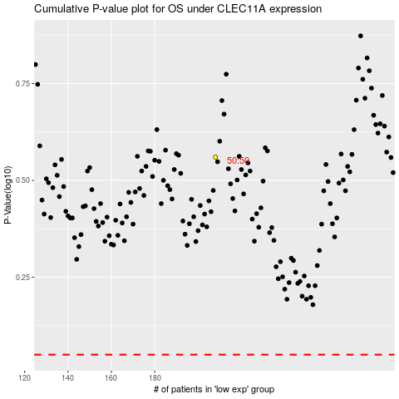

 |  |  |  |  |  | cases_OS | p_OS | rank | exp
 |  |  |  |  |  |  | cases_RFS | p_RFS | rank | exp

