CLEC12B _multivariate
Reported by Tex Li-Hsing Chi. tex@gate.sinica.edu.tw 2019-08-21

Table 2. The clinicopathological features of HNSCC cohort and CLEC12B expression. (Chi square test)
Cutoff at -0.295 (49.8%)
 |  | CLEC12B expression |  | CLEC12B expression |  | (Optimised)
 | Features | Low | (%) | High | (%) | Case no | P-value | Remark | Matthews
Gender | Female | 165 | 39.8 | 141 | 34 | 415 | 0.0081 | 1 | 0
2 | Male | 42 | 10.1 | 67 | 16.1
Age at diagnosis | <=65y | 152 | 36.6 | 122 | 29.4 | 415 | 0.0021 | 1 | 0
4 | >65y | 55 | 13.3 | 86 | 20.7
Clinical T Status | T1+T2 | 80 | 19.3 | 69 | 16.6 | 415 | 0.2891 | 0 | 0
6 | T3+T4 | 127 | 30.6 | 139 | 33.5
Clinical N Status | N0 | 105 | 25.3 | 111 | 26.7 | 415 | 0.6598 | 0 | 0
8 | N1-3 | 102 | 24.6 | 97 | 23.4
Clinical M Status | M0 | 206 | 49.6 | 206 | 49.6 | 415 | 1 | 0 | 0
10 | M1 | 1 | 0.2 | 2 | 0.5
Clinical Stage | Stage I+II | 51 | 12.3 | 51 | 12.3 | 415 | 1 | 0 | 0
12 | Stage III+IV | 156 | 37.6 | 157 | 37.8
Surgical Margin status | Negative | 160 | 38.6 | 158 | 38.1 | 415 | 0.8167 | 0 | 0
14 | Positive | 47 | 11.3 | 50 | 12
Tobacco Exposure | Low | 72 | 17.3 | 89 | 21.4 | 415 | 0.1071 | 0 | 0
16 | High | 135 | 32.5 | 119 | 28.7

Table 3. Univariate/Multivariate Cox's proportional hazards regression analyses on OS time of CLEC12B gene expression in HNSCC

 |  | Univariate |  |  |  | Multivariate
 | Features | HR | CI95%(L) | CI95%(H) | P-value | HR | CI95%(L) | CI95%(H) | P-value
1 | Female | 1 |  |  |  | 1
Gender | Male | 1.157 | 0.843 | 1.587 | 0.367 | 1.229 | 0.878 | 1.722 | 0.23
11 | <=65y | 1 |  |  |  | 1
Age at diagnosis | >65y | 1.329 | 0.99 | 1.784 | 0.058 | 1.428 | 1.047 | 1.947 | 0.025
12 | T1+T2 | 1 |  |  |  | 1
Clinical T Status | T3+T4 | 1.409 | 1.028 | 1.931 | 0.033 | 2.239 | 1.183 | 4.238 | 0.013
13 | N0 | 1 |  |  |  | 1
Clinical N Status | N1-3 | 1.185 | 0.89 | 1.577 | 0.246 | 1.248 | 0.875 | 1.781 | 0.221
14 | M0 | 1 |  |  |  | 1
Clinical M Status | M1 | 4.097 | 1.009 | 16.644 | 0.049 | 9.817 | 2.138 | 45.072 | 0.003
15 | Stage I+II | 1 |  |  |  | 1
Clinical Stage | Stage III+IV | 1.245 | 0.882 | 1.759 | 0.213 | 0.495 | 0.23 | 1.062 | 0.071
16 | Negative | 1 |  |  |  | 1
Surgical Margin status | Positive | 1.591 | 1.155 | 2.191 | 0.004 | 1.7 | 1.229 | 2.352 | 0.001
17 | Low | 1 |  |  |  | 1
Tobacco Exposure | High | 1.364 | 1.008 | 1.844 | 0.044 | 1.463 | 1.061 | 2.017 | 0.02
18 | Low | 1 |  |  |  | 1
RNAseq(z-score) | High | 0.955 | 0.717 | 1.273 | 0.755 | 0.84 | 0.627 | 1.127 | 0.245

Table 4. Univariate/Multivariate Cox's proportional hazards regression analyses on RFS time of CLEC12B gene expression in HNSCC

 |  | Univariate |  |  |  | Multivariate
 | Features | HR | CI95%(L) | CI95%(H) | P-value | HR | CI95%(L) | CI95%(H) | P-value
1 | Female | 1 |  |  |  | 1
Gender | Male | 1.157 | 0.843 | 1.587 | 0.367 | 1.229 | 0.878 | 1.722 | 0.23
11 | <=65y | 1 |  |  |  | 1
Age at diagnosis | >65y | 1.329 | 0.99 | 1.784 | 0.058 | 1.428 | 1.047 | 1.947 | 0.025
12 | T1+T2 | 1 |  |  |  | 1
Clinical T Status | T3+T4 | 1.409 | 1.028 | 1.931 | 0.033 | 2.239 | 1.183 | 4.238 | 0.013
13 | N0 | 1 |  |  |  | 1
Clinical N Status | N1-3 | 1.185 | 0.89 | 1.577 | 0.246 | 1.248 | 0.875 | 1.781 | 0.221
14 | M0 | 1 |  |  |  | 1
Clinical M Status | M1 | 4.097 | 1.009 | 16.644 | 0.049 | 9.817 | 2.138 | 45.072 | 0.003
15 | Stage I+II | 1 |  |  |  | 1
Clinical Stage | Stage III+IV | 1.245 | 0.882 | 1.759 | 0.213 | 0.495 | 0.23 | 1.062 | 0.071
16 | Negative | 1 |  |  |  | 1
Surgical Margin status | Positive | 1.591 | 1.155 | 2.191 | 0.004 | 1.7 | 1.229 | 2.352 | 0.001
17 | Low | 1 |  |  |  | 1
Tobacco Exposure | High | 1.364 | 1.008 | 1.844 | 0.044 | 1.463 | 1.061 | 2.017 | 0.02
18 | Low | 1 |  |  |  | 1
RNAseq(z-score) | High | 0.955 | 0.717 | 1.273 | 0.755 | 0.84 | 0.627 | 1.127 | 0.245

Kaplan-Meier survival estimate: Cutoff at -0.295 (49.8%)



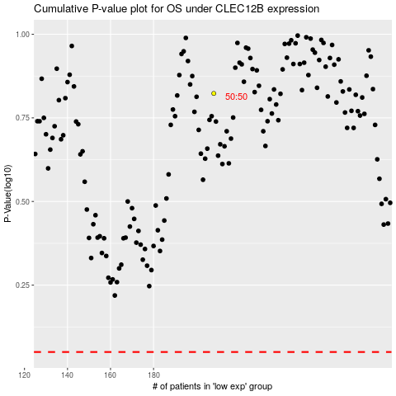

 |  |  |  |  |  | cases_OS | p_OS | rank | exp
 |  |  |  |  |  |  | cases_RFS | p_RFS | rank | exp

