CLEC18C _multivariate
Reported by Tex Li-Hsing Chi. tex@gate.sinica.edu.tw 2019-08-21

Table 2. The clinicopathological features of HNSCC cohort and CLEC18C expression. (Chi square test)
Cutoff at -0.231 (50.0%)
 |  | CLEC18C expression |  | CLEC18C expression |  | (Optimised)
 | Features | Low | (%) | High | (%) | Case no | P-value | Remark | Matthews
Gender | Female | 148 | 35.7 | 158 | 38.1 | 415 | 0.3567 | 0 | 0
2 | Male | 59 | 14.2 | 50 | 12
Age at diagnosis | <=65y | 130 | 31.3 | 144 | 34.7 | 415 | 0.2009 | 0 | 0
4 | >65y | 77 | 18.6 | 64 | 15.4
Clinical T Status | T1+T2 | 85 | 20.5 | 64 | 15.4 | 415 | 0.0372 | 1 | 0
6 | T3+T4 | 122 | 29.4 | 144 | 34.7
Clinical N Status | N0 | 102 | 24.6 | 114 | 27.5 | 415 | 0.3031 | 0 | 0
8 | N1-3 | 105 | 25.3 | 94 | 22.7
Clinical M Status | M0 | 205 | 49.4 | 207 | 49.9 | 415 | 0.6232 | 0 | 0
10 | M1 | 2 | 0.5 | 1 | 0.2
Clinical Stage | Stage I+II | 57 | 13.7 | 45 | 10.8 | 415 | 0.1998 | 0 | 0
12 | Stage III+IV | 150 | 36.1 | 163 | 39.3
Surgical Margin status | Negative | 158 | 38.1 | 160 | 38.6 | 415 | 0.9081 | 0 | 0
14 | Positive | 49 | 11.8 | 48 | 11.6
Tobacco Exposure | Low | 89 | 21.4 | 72 | 17.3 | 415 | 0.0872 | 0 | 0
16 | High | 118 | 28.4 | 136 | 32.8

Table 3. Univariate/Multivariate Cox's proportional hazards regression analyses on OS time of CLEC18C gene expression in HNSCC

 |  | Univariate |  |  |  | Multivariate
 | Features | HR | CI95%(L) | CI95%(H) | P-value | HR | CI95%(L) | CI95%(H) | P-value
1 | Female | 1 |  |  |  | 1
Gender | Male | 1.157 | 0.843 | 1.587 | 0.367 | 1.201 | 0.86 | 1.678 | 0.283
11 | <=65y | 1 |  |  |  | 1
Age at diagnosis | >65y | 1.329 | 0.99 | 1.784 | 0.058 | 1.379 | 1.013 | 1.877 | 0.041
12 | T1+T2 | 1 |  |  |  | 1
Clinical T Status | T3+T4 | 1.409 | 1.028 | 1.931 | 0.033 | 2.217 | 1.172 | 4.193 | 0.014
13 | N0 | 1 |  |  |  | 1
Clinical N Status | N1-3 | 1.185 | 0.89 | 1.577 | 0.246 | 1.225 | 0.857 | 1.75 | 0.265
14 | M0 | 1 |  |  |  | 1
Clinical M Status | M1 | 4.097 | 1.009 | 16.644 | 0.049 | 9.398 | 2.05 | 43.08 | 0.004
15 | Stage I+II | 1 |  |  |  | 1
Clinical Stage | Stage III+IV | 1.245 | 0.882 | 1.759 | 0.213 | 0.51 | 0.237 | 1.095 | 0.084
16 | Negative | 1 |  |  |  | 1
Surgical Margin status | Positive | 1.591 | 1.155 | 2.191 | 0.004 | 1.67 | 1.209 | 2.308 | 0.002
17 | Low | 1 |  |  |  | 1
Tobacco Exposure | High | 1.364 | 1.008 | 1.844 | 0.044 | 1.481 | 1.069 | 2.05 | 0.018
18 | Low | 1 |  |  |  | 1
RNAseq(z-score) | High | 0.93 | 0.698 | 1.238 | 0.618 | 0.899 | 0.669 | 1.207 | 0.478

Table 4. Univariate/Multivariate Cox's proportional hazards regression analyses on RFS time of CLEC18C gene expression in HNSCC

 |  | Univariate |  |  |  | Multivariate
 | Features | HR | CI95%(L) | CI95%(H) | P-value | HR | CI95%(L) | CI95%(H) | P-value
1 | Female | 1 |  |  |  | 1
Gender | Male | 1.157 | 0.843 | 1.587 | 0.367 | 1.201 | 0.86 | 1.678 | 0.283
11 | <=65y | 1 |  |  |  | 1
Age at diagnosis | >65y | 1.329 | 0.99 | 1.784 | 0.058 | 1.379 | 1.013 | 1.877 | 0.041
12 | T1+T2 | 1 |  |  |  | 1
Clinical T Status | T3+T4 | 1.409 | 1.028 | 1.931 | 0.033 | 2.217 | 1.172 | 4.193 | 0.014
13 | N0 | 1 |  |  |  | 1
Clinical N Status | N1-3 | 1.185 | 0.89 | 1.577 | 0.246 | 1.225 | 0.857 | 1.75 | 0.265
14 | M0 | 1 |  |  |  | 1
Clinical M Status | M1 | 4.097 | 1.009 | 16.644 | 0.049 | 9.398 | 2.05 | 43.08 | 0.004
15 | Stage I+II | 1 |  |  |  | 1
Clinical Stage | Stage III+IV | 1.245 | 0.882 | 1.759 | 0.213 | 0.51 | 0.237 | 1.095 | 0.084
16 | Negative | 1 |  |  |  | 1
Surgical Margin status | Positive | 1.591 | 1.155 | 2.191 | 0.004 | 1.67 | 1.209 | 2.308 | 0.002
17 | Low | 1 |  |  |  | 1
Tobacco Exposure | High | 1.364 | 1.008 | 1.844 | 0.044 | 1.481 | 1.069 | 2.05 | 0.018
18 | Low | 1 |  |  |  | 1
RNAseq(z-score) | High | 0.93 | 0.698 | 1.238 | 0.618 | 0.899 | 0.669 | 1.207 | 0.478

Kaplan-Meier survival estimate: Cutoff at -0.231 (50.0%)



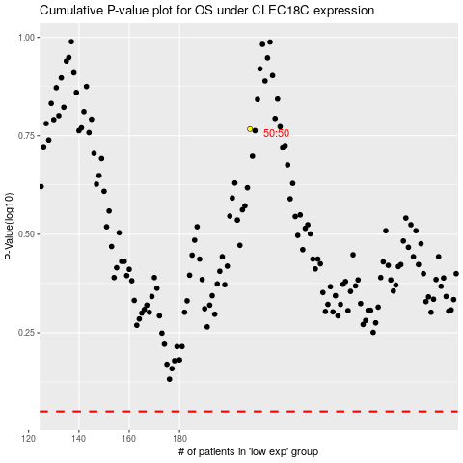

 |  |  |  |  |  | cases_OS | p_OS | rank | exp
 |  |  |  |  |  |  | cases_RFS | p_RFS | rank | exp

