CLEC2B _multivariate
Reported by Tex Li-Hsing Chi. tex@gate.sinica.edu.tw 2019-08-21

Table 2. The clinicopathological features of HNSCC cohort and CLEC2B expression. (Chi square test)
Cutoff at -0.255 (49.8%)
 |  | CLEC2B expression |  | CLEC2B expression |  | (Optimised)
 | Features | Low | (%) | High | (%) | Case no | P-value | Remark | Matthews
Gender | Female | 164 | 39.5 | 142 | 34.2 | 415 | 0.0153 | 1 | 0
2 | Male | 43 | 10.4 | 66 | 15.9
Age at diagnosis | <=65y | 147 | 35.4 | 127 | 30.6 | 415 | 0.0416 | 1 | 0
4 | >65y | 60 | 14.5 | 81 | 19.5
Clinical T Status | T1+T2 | 66 | 15.9 | 83 | 20 | 415 | 0.1095 | 0 | 0
6 | T3+T4 | 141 | 34 | 125 | 30.1
Clinical N Status | N0 | 104 | 25.1 | 112 | 27 | 415 | 0.5243 | 0 | 0
8 | N1-3 | 103 | 24.8 | 96 | 23.1
Clinical M Status | M0 | 207 | 49.9 | 205 | 49.4 | 415 | 0.2482 | 0 | 0
10 | M1 | 0 | 0 | 3 | 0.7
Clinical Stage | Stage I+II | 47 | 11.3 | 55 | 13.3 | 415 | 0.4413 | 0 | 0
12 | Stage III+IV | 160 | 38.6 | 153 | 36.9
Surgical Margin status | Negative | 160 | 38.6 | 158 | 38.1 | 415 | 0.8167 | 0 | 0
14 | Positive | 47 | 11.3 | 50 | 12
Tobacco Exposure | Low | 61 | 14.7 | 100 | 24.1 | 415 | 1e-04 | 1 | 0
16 | High | 146 | 35.2 | 108 | 26

Table 3. Univariate/Multivariate Cox's proportional hazards regression analyses on OS time of CLEC2B gene expression in HNSCC

 |  | Univariate |  |  |  | Multivariate
 | Features | HR | CI95%(L) | CI95%(H) | P-value | HR | CI95%(L) | CI95%(H) | P-value
1 | Female | 1 |  |  |  | 1
Gender | Male | 1.157 | 0.843 | 1.587 | 0.367 | 1.227 | 0.877 | 1.716 | 0.233
11 | <=65y | 1 |  |  |  | 1
Age at diagnosis | >65y | 1.329 | 0.99 | 1.784 | 0.058 | 1.394 | 1.026 | 1.894 | 0.034
12 | T1+T2 | 1 |  |  |  | 1
Clinical T Status | T3+T4 | 1.409 | 1.028 | 1.931 | 0.033 | 2.21 | 1.168 | 4.181 | 0.015
13 | N0 | 1 |  |  |  | 1
Clinical N Status | N1-3 | 1.185 | 0.89 | 1.577 | 0.246 | 1.249 | 0.875 | 1.782 | 0.221
14 | M0 | 1 |  |  |  | 1
Clinical M Status | M1 | 4.097 | 1.009 | 16.644 | 0.049 | 10.349 | 2.232 | 47.973 | 0.003
15 | Stage I+II | 1 |  |  |  | 1
Clinical Stage | Stage III+IV | 1.245 | 0.882 | 1.759 | 0.213 | 0.493 | 0.229 | 1.06 | 0.07
16 | Negative | 1 |  |  |  | 1
Surgical Margin status | Positive | 1.591 | 1.155 | 2.191 | 0.004 | 1.705 | 1.231 | 2.362 | 0.001
17 | Low | 1 |  |  |  | 1
Tobacco Exposure | High | 1.364 | 1.008 | 1.844 | 0.044 | 1.411 | 1.02 | 1.951 | 0.037
18 | Low | 1 |  |  |  | 1
RNAseq(z-score) | High | 0.88 | 0.659 | 1.175 | 0.386 | 0.848 | 0.626 | 1.15 | 0.289

Table 4. Univariate/Multivariate Cox's proportional hazards regression analyses on RFS time of CLEC2B gene expression in HNSCC

 |  | Univariate |  |  |  | Multivariate
 | Features | HR | CI95%(L) | CI95%(H) | P-value | HR | CI95%(L) | CI95%(H) | P-value
1 | Female | 1 |  |  |  | 1
Gender | Male | 1.157 | 0.843 | 1.587 | 0.367 | 1.227 | 0.877 | 1.716 | 0.233
11 | <=65y | 1 |  |  |  | 1
Age at diagnosis | >65y | 1.329 | 0.99 | 1.784 | 0.058 | 1.394 | 1.026 | 1.894 | 0.034
12 | T1+T2 | 1 |  |  |  | 1
Clinical T Status | T3+T4 | 1.409 | 1.028 | 1.931 | 0.033 | 2.21 | 1.168 | 4.181 | 0.015
13 | N0 | 1 |  |  |  | 1
Clinical N Status | N1-3 | 1.185 | 0.89 | 1.577 | 0.246 | 1.249 | 0.875 | 1.782 | 0.221
14 | M0 | 1 |  |  |  | 1
Clinical M Status | M1 | 4.097 | 1.009 | 16.644 | 0.049 | 10.349 | 2.232 | 47.973 | 0.003
15 | Stage I+II | 1 |  |  |  | 1
Clinical Stage | Stage III+IV | 1.245 | 0.882 | 1.759 | 0.213 | 0.493 | 0.229 | 1.06 | 0.07
16 | Negative | 1 |  |  |  | 1
Surgical Margin status | Positive | 1.591 | 1.155 | 2.191 | 0.004 | 1.705 | 1.231 | 2.362 | 0.001
17 | Low | 1 |  |  |  | 1
Tobacco Exposure | High | 1.364 | 1.008 | 1.844 | 0.044 | 1.411 | 1.02 | 1.951 | 0.037
18 | Low | 1 |  |  |  | 1
RNAseq(z-score) | High | 0.88 | 0.659 | 1.175 | 0.386 | 0.848 | 0.626 | 1.15 | 0.289

Kaplan-Meier survival estimate: Cutoff at -0.255 (49.8%)



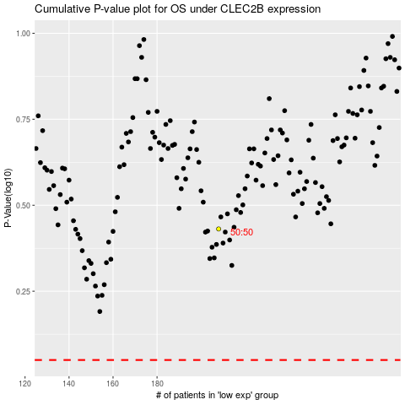

 |  |  |  |  |  | cases_OS | p_OS | rank | exp
 |  |  |  |  |  |  | cases_RFS | p_RFS | rank | exp

