CLEC2D _multivariate
Reported by Tex Li-Hsing Chi. tex@gate.sinica.edu.tw 2019-08-21

Table 2. The clinicopathological features of HNSCC cohort and CLEC2D expression. (Chi square test)
Cutoff at -0.258 (49.8%)
 |  | CLEC2D expression |  | CLEC2D expression |  | (Optimised)
 | Features | Low | (%) | High | (%) | Case no | P-value | Remark | Matthews
Gender | Female | 150 | 36.1 | 156 | 37.6 | 415 | 0.6344 | 0 | 0
2 | Male | 57 | 13.7 | 52 | 12.5
Age at diagnosis | <=65y | 141 | 34 | 133 | 32 | 415 | 0.4272 | 0 | 0
4 | >65y | 66 | 15.9 | 75 | 18.1
Clinical T Status | T1+T2 | 63 | 15.2 | 86 | 20.7 | 415 | 0.0268 | 1 | 0
6 | T3+T4 | 144 | 34.7 | 122 | 29.4
Clinical N Status | N0 | 105 | 25.3 | 111 | 26.7 | 415 | 0.6598 | 0 | 0
8 | N1-3 | 102 | 24.6 | 97 | 23.4
Clinical M Status | M0 | 207 | 49.9 | 205 | 49.4 | 415 | 0.2482 | 0 | 0
10 | M1 | 0 | 0 | 3 | 0.7
Clinical Stage | Stage I+II | 46 | 11.1 | 56 | 13.5 | 415 | 0.3182 | 0 | 0
12 | Stage III+IV | 161 | 38.8 | 152 | 36.6
Surgical Margin status | Negative | 164 | 39.5 | 154 | 37.1 | 415 | 0.2462 | 0 | 0
14 | Positive | 43 | 10.4 | 54 | 13
Tobacco Exposure | Low | 72 | 17.3 | 89 | 21.4 | 415 | 0.1071 | 0 | 0
16 | High | 135 | 32.5 | 119 | 28.7

Table 3. Univariate/Multivariate Cox's proportional hazards regression analyses on OS time of CLEC2D gene expression in HNSCC

 |  | Univariate |  |  |  | Multivariate
 | Features | HR | CI95%(L) | CI95%(H) | P-value | HR | CI95%(L) | CI95%(H) | P-value
1 | Female | 1 |  |  |  | 1
Gender | Male | 1.157 | 0.843 | 1.587 | 0.367 | 1.209 | 0.865 | 1.689 | 0.266
11 | <=65y | 1 |  |  |  | 1
Age at diagnosis | >65y | 1.329 | 0.99 | 1.784 | 0.058 | 1.379 | 1.014 | 1.875 | 0.041
12 | T1+T2 | 1 |  |  |  | 1
Clinical T Status | T3+T4 | 1.409 | 1.028 | 1.931 | 0.033 | 2.28 | 1.204 | 4.317 | 0.011
13 | N0 | 1 |  |  |  | 1
Clinical N Status | N1-3 | 1.185 | 0.89 | 1.577 | 0.246 | 1.251 | 0.877 | 1.784 | 0.217
14 | M0 | 1 |  |  |  | 1
Clinical M Status | M1 | 4.097 | 1.009 | 16.644 | 0.049 | 8.641 | 1.878 | 39.755 | 0.006
15 | Stage I+II | 1 |  |  |  | 1
Clinical Stage | Stage III+IV | 1.245 | 0.882 | 1.759 | 0.213 | 0.5 | 0.233 | 1.074 | 0.076
16 | Negative | 1 |  |  |  | 1
Surgical Margin status | Positive | 1.591 | 1.155 | 2.191 | 0.004 | 1.618 | 1.168 | 2.241 | 0.004
17 | Low | 1 |  |  |  | 1
Tobacco Exposure | High | 1.364 | 1.008 | 1.844 | 0.044 | 1.485 | 1.075 | 2.05 | 0.016
18 | Low | 1 |  |  |  | 1
RNAseq(z-score) | High | 1.219 | 0.914 | 1.624 | 0.177 | 1.246 | 0.926 | 1.677 | 0.146

Table 4. Univariate/Multivariate Cox's proportional hazards regression analyses on RFS time of CLEC2D gene expression in HNSCC

 |  | Univariate |  |  |  | Multivariate
 | Features | HR | CI95%(L) | CI95%(H) | P-value | HR | CI95%(L) | CI95%(H) | P-value
1 | Female | 1 |  |  |  | 1
Gender | Male | 1.157 | 0.843 | 1.587 | 0.367 | 1.209 | 0.865 | 1.689 | 0.266
11 | <=65y | 1 |  |  |  | 1
Age at diagnosis | >65y | 1.329 | 0.99 | 1.784 | 0.058 | 1.379 | 1.014 | 1.875 | 0.041
12 | T1+T2 | 1 |  |  |  | 1
Clinical T Status | T3+T4 | 1.409 | 1.028 | 1.931 | 0.033 | 2.28 | 1.204 | 4.317 | 0.011
13 | N0 | 1 |  |  |  | 1
Clinical N Status | N1-3 | 1.185 | 0.89 | 1.577 | 0.246 | 1.251 | 0.877 | 1.784 | 0.217
14 | M0 | 1 |  |  |  | 1
Clinical M Status | M1 | 4.097 | 1.009 | 16.644 | 0.049 | 8.641 | 1.878 | 39.755 | 0.006
15 | Stage I+II | 1 |  |  |  | 1
Clinical Stage | Stage III+IV | 1.245 | 0.882 | 1.759 | 0.213 | 0.5 | 0.233 | 1.074 | 0.076
16 | Negative | 1 |  |  |  | 1
Surgical Margin status | Positive | 1.591 | 1.155 | 2.191 | 0.004 | 1.618 | 1.168 | 2.241 | 0.004
17 | Low | 1 |  |  |  | 1
Tobacco Exposure | High | 1.364 | 1.008 | 1.844 | 0.044 | 1.485 | 1.075 | 2.05 | 0.016
18 | Low | 1 |  |  |  | 1
RNAseq(z-score) | High | 1.219 | 0.914 | 1.624 | 0.177 | 1.246 | 0.926 | 1.677 | 0.146

Kaplan-Meier survival estimate: Cutoff at -0.258 (49.8%)



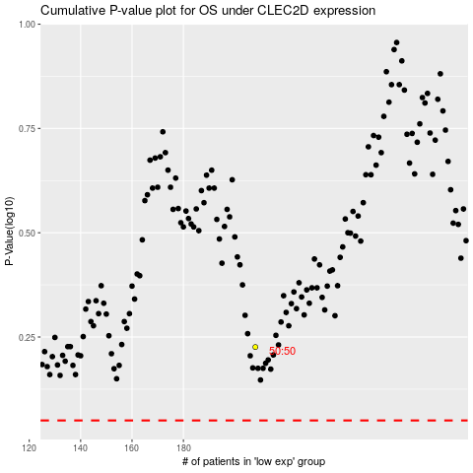

 |  |  |  |  |  | cases_OS | p_OS | rank | exp
 |  |  |  |  |  |  | cases_RFS | p_RFS | rank | exp

