CLEC4A _multivariate
Reported by Tex Li-Hsing Chi. tex@gate.sinica.edu.tw 2019-08-21

Table 2. The clinicopathological features of HNSCC cohort and CLEC4A expression. (Chi square test)
Cutoff at -0.245 (50.0%)
 |  | CLEC4A expression |  | CLEC4A expression |  | (Optimised)
 | Features | Low | (%) | High | (%) | Case no | P-value | Remark | Matthews
Gender | Female | 166 | 40 | 140 | 33.7 | 415 | 0.0041 | 1 | 0
2 | Male | 41 | 9.9 | 68 | 16.4
Age at diagnosis | <=65y | 142 | 34.2 | 132 | 31.8 | 415 | 0.3167 | 0 | 0
4 | >65y | 65 | 15.7 | 76 | 18.3
Clinical T Status | T1+T2 | 66 | 15.9 | 83 | 20 | 415 | 0.1095 | 0 | 0
6 | T3+T4 | 141 | 34 | 125 | 30.1
Clinical N Status | N0 | 121 | 29.2 | 95 | 22.9 | 415 | 0.0122 | 1 | 0
8 | N1-3 | 86 | 20.7 | 113 | 27.2
Clinical M Status | M0 | 207 | 49.9 | 205 | 49.4 | 415 | 0.2482 | 0 | 0
10 | M1 | 0 | 0 | 3 | 0.7
Clinical Stage | Stage I+II | 47 | 11.3 | 55 | 13.3 | 415 | 0.4413 | 0 | 0
12 | Stage III+IV | 160 | 38.6 | 153 | 36.9
Surgical Margin status | Negative | 157 | 37.8 | 161 | 38.8 | 415 | 0.729 | 0 | 0
14 | Positive | 50 | 12 | 47 | 11.3
Tobacco Exposure | Low | 68 | 16.4 | 93 | 22.4 | 415 | 0.0156 | 1 | 0
16 | High | 139 | 33.5 | 115 | 27.7

Table 3. Univariate/Multivariate Cox's proportional hazards regression analyses on OS time of CLEC4A gene expression in HNSCC

 |  | Univariate |  |  |  | Multivariate
 | Features | HR | CI95%(L) | CI95%(H) | P-value | HR | CI95%(L) | CI95%(H) | P-value
1 | Female | 1 |  |  |  | 1
Gender | Male | 1.157 | 0.843 | 1.587 | 0.367 | 1.213 | 0.866 | 1.697 | 0.261
11 | <=65y | 1 |  |  |  | 1
Age at diagnosis | >65y | 1.329 | 0.99 | 1.784 | 0.058 | 1.396 | 1.027 | 1.898 | 0.033
12 | T1+T2 | 1 |  |  |  | 1
Clinical T Status | T3+T4 | 1.409 | 1.028 | 1.931 | 0.033 | 2.214 | 1.17 | 4.187 | 0.015
13 | N0 | 1 |  |  |  | 1
Clinical N Status | N1-3 | 1.185 | 0.89 | 1.577 | 0.246 | 1.26 | 0.879 | 1.805 | 0.209
14 | M0 | 1 |  |  |  | 1
Clinical M Status | M1 | 4.097 | 1.009 | 16.644 | 0.049 | 9.811 | 2.121 | 45.383 | 0.003
15 | Stage I+II | 1 |  |  |  | 1
Clinical Stage | Stage III+IV | 1.245 | 0.882 | 1.759 | 0.213 | 0.496 | 0.231 | 1.068 | 0.073
16 | Negative | 1 |  |  |  | 1
Surgical Margin status | Positive | 1.591 | 1.155 | 2.191 | 0.004 | 1.674 | 1.212 | 2.314 | 0.002
17 | Low | 1 |  |  |  | 1
Tobacco Exposure | High | 1.364 | 1.008 | 1.844 | 0.044 | 1.438 | 1.041 | 1.986 | 0.028
18 | Low | 1 |  |  |  | 1
RNAseq(z-score) | High | 0.953 | 0.715 | 1.27 | 0.74 | 0.926 | 0.686 | 1.249 | 0.613

Table 4. Univariate/Multivariate Cox's proportional hazards regression analyses on RFS time of CLEC4A gene expression in HNSCC

 |  | Univariate |  |  |  | Multivariate
 | Features | HR | CI95%(L) | CI95%(H) | P-value | HR | CI95%(L) | CI95%(H) | P-value
1 | Female | 1 |  |  |  | 1
Gender | Male | 1.157 | 0.843 | 1.587 | 0.367 | 1.213 | 0.866 | 1.697 | 0.261
11 | <=65y | 1 |  |  |  | 1
Age at diagnosis | >65y | 1.329 | 0.99 | 1.784 | 0.058 | 1.396 | 1.027 | 1.898 | 0.033
12 | T1+T2 | 1 |  |  |  | 1
Clinical T Status | T3+T4 | 1.409 | 1.028 | 1.931 | 0.033 | 2.214 | 1.17 | 4.187 | 0.015
13 | N0 | 1 |  |  |  | 1
Clinical N Status | N1-3 | 1.185 | 0.89 | 1.577 | 0.246 | 1.26 | 0.879 | 1.805 | 0.209
14 | M0 | 1 |  |  |  | 1
Clinical M Status | M1 | 4.097 | 1.009 | 16.644 | 0.049 | 9.811 | 2.121 | 45.383 | 0.003
15 | Stage I+II | 1 |  |  |  | 1
Clinical Stage | Stage III+IV | 1.245 | 0.882 | 1.759 | 0.213 | 0.496 | 0.231 | 1.068 | 0.073
16 | Negative | 1 |  |  |  | 1
Surgical Margin status | Positive | 1.591 | 1.155 | 2.191 | 0.004 | 1.674 | 1.212 | 2.314 | 0.002
17 | Low | 1 |  |  |  | 1
Tobacco Exposure | High | 1.364 | 1.008 | 1.844 | 0.044 | 1.438 | 1.041 | 1.986 | 0.028
18 | Low | 1 |  |  |  | 1
RNAseq(z-score) | High | 0.953 | 0.715 | 1.27 | 0.74 | 0.926 | 0.686 | 1.249 | 0.613

Kaplan-Meier survival estimate: Cutoff at -0.245 (50.0%)



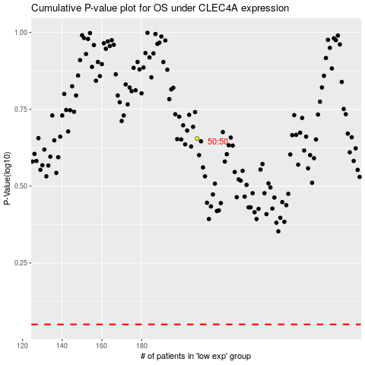

 |  |  |  |  |  | cases_OS | p_OS | rank | exp
 |  |  |  |  |  |  | cases_RFS | p_RFS | rank | exp

