CLEC4E _multivariate
Reported by Tex Li-Hsing Chi. tex@gate.sinica.edu.tw 2019-08-21

Table 2. The clinicopathological features of HNSCC cohort and CLEC4E expression. (Chi square test)
Cutoff at -0.273 (50.0%)
 |  | CLEC4E expression |  | CLEC4E expression |  | (Optimised)
 | Features | Low | (%) | High | (%) | Case no | P-value | Remark | Matthews
Gender | Female | 155 | 37.3 | 151 | 36.4 | 415 | 0.6768 | 0 | 0
2 | Male | 52 | 12.5 | 57 | 13.7
Age at diagnosis | <=65y | 145 | 34.9 | 129 | 31.1 | 415 | 0.1046 | 0 | 0
4 | >65y | 62 | 14.9 | 79 | 19
Clinical T Status | T1+T2 | 75 | 18.1 | 74 | 17.8 | 415 | 0.9707 | 0 | 0
6 | T3+T4 | 132 | 31.8 | 134 | 32.3
Clinical N Status | N0 | 111 | 26.7 | 105 | 25.3 | 415 | 0.5875 | 0 | 0
8 | N1-3 | 96 | 23.1 | 103 | 24.8
Clinical M Status | M0 | 205 | 49.4 | 207 | 49.9 | 415 | 0.6232 | 0 | 0
10 | M1 | 2 | 0.5 | 1 | 0.2
Clinical Stage | Stage I+II | 52 | 12.5 | 50 | 12 | 415 | 0.8871 | 0 | 0
12 | Stage III+IV | 155 | 37.3 | 158 | 38.1
Surgical Margin status | Negative | 163 | 39.3 | 155 | 37.3 | 415 | 0.3537 | 0 | 0
14 | Positive | 44 | 10.6 | 53 | 12.8
Tobacco Exposure | Low | 79 | 19 | 82 | 19.8 | 415 | 0.8405 | 0 | 0
16 | High | 128 | 30.8 | 126 | 30.4

Table 3. Univariate/Multivariate Cox's proportional hazards regression analyses on OS time of CLEC4E gene expression in HNSCC

 |  | Univariate |  |  |  | Multivariate
 | Features | HR | CI95%(L) | CI95%(H) | P-value | HR | CI95%(L) | CI95%(H) | P-value
1 | Female | 1 |  |  |  | 1
Gender | Male | 1.157 | 0.843 | 1.587 | 0.367 | 1.201 | 0.86 | 1.676 | 0.282
11 | <=65y | 1 |  |  |  | 1
Age at diagnosis | >65y | 1.329 | 0.99 | 1.784 | 0.058 | 1.416 | 1.043 | 1.923 | 0.026
12 | T1+T2 | 1 |  |  |  | 1
Clinical T Status | T3+T4 | 1.409 | 1.028 | 1.931 | 0.033 | 2.251 | 1.189 | 4.26 | 0.013
13 | N0 | 1 |  |  |  | 1
Clinical N Status | N1-3 | 1.185 | 0.89 | 1.577 | 0.246 | 1.226 | 0.859 | 1.748 | 0.262
14 | M0 | 1 |  |  |  | 1
Clinical M Status | M1 | 4.097 | 1.009 | 16.644 | 0.049 | 9.347 | 2.038 | 42.87 | 0.004
15 | Stage I+II | 1 |  |  |  | 1
Clinical Stage | Stage III+IV | 1.245 | 0.882 | 1.759 | 0.213 | 0.497 | 0.231 | 1.067 | 0.073
16 | Negative | 1 |  |  |  | 1
Surgical Margin status | Positive | 1.591 | 1.155 | 2.191 | 0.004 | 1.722 | 1.244 | 2.383 | 0.001
17 | Low | 1 |  |  |  | 1
Tobacco Exposure | High | 1.364 | 1.008 | 1.844 | 0.044 | 1.431 | 1.039 | 1.97 | 0.028
18 | Low | 1 |  |  |  | 1
RNAseq(z-score) | High | 0.806 | 0.604 | 1.076 | 0.144 | 0.77 | 0.575 | 1.032 | 0.08

Table 4. Univariate/Multivariate Cox's proportional hazards regression analyses on RFS time of CLEC4E gene expression in HNSCC

 |  | Univariate |  |  |  | Multivariate
 | Features | HR | CI95%(L) | CI95%(H) | P-value | HR | CI95%(L) | CI95%(H) | P-value
1 | Female | 1 |  |  |  | 1
Gender | Male | 1.157 | 0.843 | 1.587 | 0.367 | 1.201 | 0.86 | 1.676 | 0.282
11 | <=65y | 1 |  |  |  | 1
Age at diagnosis | >65y | 1.329 | 0.99 | 1.784 | 0.058 | 1.416 | 1.043 | 1.923 | 0.026
12 | T1+T2 | 1 |  |  |  | 1
Clinical T Status | T3+T4 | 1.409 | 1.028 | 1.931 | 0.033 | 2.251 | 1.189 | 4.26 | 0.013
13 | N0 | 1 |  |  |  | 1
Clinical N Status | N1-3 | 1.185 | 0.89 | 1.577 | 0.246 | 1.226 | 0.859 | 1.748 | 0.262
14 | M0 | 1 |  |  |  | 1
Clinical M Status | M1 | 4.097 | 1.009 | 16.644 | 0.049 | 9.347 | 2.038 | 42.87 | 0.004
15 | Stage I+II | 1 |  |  |  | 1
Clinical Stage | Stage III+IV | 1.245 | 0.882 | 1.759 | 0.213 | 0.497 | 0.231 | 1.067 | 0.073
16 | Negative | 1 |  |  |  | 1
Surgical Margin status | Positive | 1.591 | 1.155 | 2.191 | 0.004 | 1.722 | 1.244 | 2.383 | 0.001
17 | Low | 1 |  |  |  | 1
Tobacco Exposure | High | 1.364 | 1.008 | 1.844 | 0.044 | 1.431 | 1.039 | 1.97 | 0.028
18 | Low | 1 |  |  |  | 1
RNAseq(z-score) | High | 0.806 | 0.604 | 1.076 | 0.144 | 0.77 | 0.575 | 1.032 | 0.08

Kaplan-Meier survival estimate: Cutoff at -0.273 (50.0%)



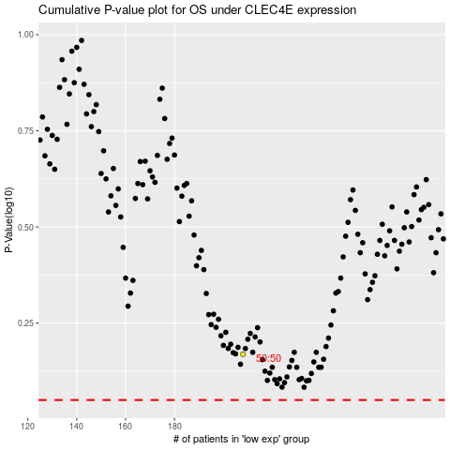

 |  |  |  |  |  | cases_OS | p_OS | rank | exp
 |  |  |  |  |  |  | cases_RFS | p_RFS | rank | exp

