CLEC4G _multivariate
Reported by Tex Li-Hsing Chi. tex@gate.sinica.edu.tw 2019-08-21

Table 2. The clinicopathological features of HNSCC cohort and CLEC4G expression. (Chi square test)
Cutoff at -0.273 (50.0%)
 |  | CLEC4G expression |  | CLEC4G expression |  | (Optimised)
 | Features | Low | (%) | High | (%) | Case no | P-value | Remark | Matthews
Gender | Female | 157 | 37.8 | 149 | 35.9 | 415 | 0.3881 | 0 | 0
2 | Male | 50 | 12 | 59 | 14.2
Age at diagnosis | <=65y | 141 | 34 | 133 | 32 | 415 | 0.4272 | 0 | 0
4 | >65y | 66 | 15.9 | 75 | 18.1
Clinical T Status | T1+T2 | 74 | 17.8 | 75 | 18.1 | 415 | 1 | 0 | 0
6 | T3+T4 | 133 | 32 | 133 | 32
Clinical N Status | N0 | 103 | 24.8 | 113 | 27.2 | 415 | 0.4047 | 0 | 0
8 | N1-3 | 104 | 25.1 | 95 | 22.9
Clinical M Status | M0 | 206 | 49.6 | 206 | 49.6 | 415 | 1 | 0 | 0
10 | M1 | 1 | 0.2 | 2 | 0.5
Clinical Stage | Stage I+II | 49 | 11.8 | 53 | 12.8 | 415 | 0.7535 | 0 | 0
12 | Stage III+IV | 158 | 38.1 | 155 | 37.3
Surgical Margin status | Negative | 152 | 36.6 | 166 | 40 | 415 | 0.1329 | 0 | 0
14 | Positive | 55 | 13.3 | 42 | 10.1
Tobacco Exposure | Low | 74 | 17.8 | 87 | 21 | 415 | 0.227 | 0 | 0
16 | High | 133 | 32 | 121 | 29.2

Table 3. Univariate/Multivariate Cox's proportional hazards regression analyses on OS time of CLEC4G gene expression in HNSCC

 |  | Univariate |  |  |  | Multivariate
 | Features | HR | CI95%(L) | CI95%(H) | P-value | HR | CI95%(L) | CI95%(H) | P-value
1 | Female | 1 |  |  |  | 1
Gender | Male | 1.157 | 0.843 | 1.587 | 0.367 | 1.198 | 0.857 | 1.674 | 0.291
11 | <=65y | 1 |  |  |  | 1
Age at diagnosis | >65y | 1.329 | 0.99 | 1.784 | 0.058 | 1.39 | 1.022 | 1.889 | 0.036
12 | T1+T2 | 1 |  |  |  | 1
Clinical T Status | T3+T4 | 1.409 | 1.028 | 1.931 | 0.033 | 2.198 | 1.162 | 4.156 | 0.015
13 | N0 | 1 |  |  |  | 1
Clinical N Status | N1-3 | 1.185 | 0.89 | 1.577 | 0.246 | 1.235 | 0.865 | 1.763 | 0.244
14 | M0 | 1 |  |  |  | 1
Clinical M Status | M1 | 4.097 | 1.009 | 16.644 | 0.049 | 9.607 | 2.09 | 44.153 | 0.004
15 | Stage I+II | 1 |  |  |  | 1
Clinical Stage | Stage III+IV | 1.245 | 0.882 | 1.759 | 0.213 | 0.505 | 0.235 | 1.084 | 0.08
16 | Negative | 1 |  |  |  | 1
Surgical Margin status | Positive | 1.591 | 1.155 | 2.191 | 0.004 | 1.667 | 1.206 | 2.304 | 0.002
17 | Low | 1 |  |  |  | 1
Tobacco Exposure | High | 1.364 | 1.008 | 1.844 | 0.044 | 1.445 | 1.048 | 1.993 | 0.025
18 | Low | 1 |  |  |  | 1
RNAseq(z-score) | High | 0.902 | 0.677 | 1.202 | 0.482 | 0.934 | 0.699 | 1.248 | 0.644

Table 4. Univariate/Multivariate Cox's proportional hazards regression analyses on RFS time of CLEC4G gene expression in HNSCC

 |  | Univariate |  |  |  | Multivariate
 | Features | HR | CI95%(L) | CI95%(H) | P-value | HR | CI95%(L) | CI95%(H) | P-value
1 | Female | 1 |  |  |  | 1
Gender | Male | 1.157 | 0.843 | 1.587 | 0.367 | 1.198 | 0.857 | 1.674 | 0.291
11 | <=65y | 1 |  |  |  | 1
Age at diagnosis | >65y | 1.329 | 0.99 | 1.784 | 0.058 | 1.39 | 1.022 | 1.889 | 0.036
12 | T1+T2 | 1 |  |  |  | 1
Clinical T Status | T3+T4 | 1.409 | 1.028 | 1.931 | 0.033 | 2.198 | 1.162 | 4.156 | 0.015
13 | N0 | 1 |  |  |  | 1
Clinical N Status | N1-3 | 1.185 | 0.89 | 1.577 | 0.246 | 1.235 | 0.865 | 1.763 | 0.244
14 | M0 | 1 |  |  |  | 1
Clinical M Status | M1 | 4.097 | 1.009 | 16.644 | 0.049 | 9.607 | 2.09 | 44.153 | 0.004
15 | Stage I+II | 1 |  |  |  | 1
Clinical Stage | Stage III+IV | 1.245 | 0.882 | 1.759 | 0.213 | 0.505 | 0.235 | 1.084 | 0.08
16 | Negative | 1 |  |  |  | 1
Surgical Margin status | Positive | 1.591 | 1.155 | 2.191 | 0.004 | 1.667 | 1.206 | 2.304 | 0.002
17 | Low | 1 |  |  |  | 1
Tobacco Exposure | High | 1.364 | 1.008 | 1.844 | 0.044 | 1.445 | 1.048 | 1.993 | 0.025
18 | Low | 1 |  |  |  | 1
RNAseq(z-score) | High | 0.902 | 0.677 | 1.202 | 0.482 | 0.934 | 0.699 | 1.248 | 0.644

Kaplan-Meier survival estimate: Cutoff at -0.273 (50.0%)



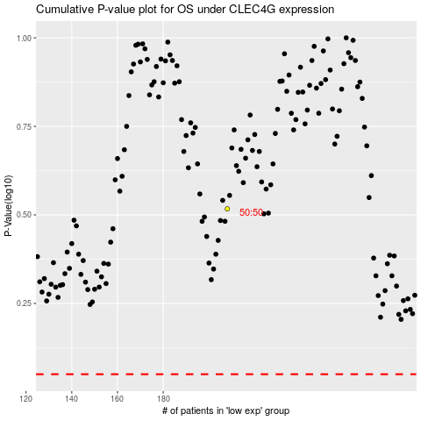

 |  |  |  |  |  | cases_OS | p_OS | rank | exp
 |  |  |  |  |  |  | cases_RFS | p_RFS | rank | exp

