CLECL1 _multivariate
Reported by Tex Li-Hsing Chi. tex@gate.sinica.edu.tw 2019-08-21

Table 2. The clinicopathological features of HNSCC cohort and CLECL1 expression. (Chi square test)
Cutoff at -0.336 (51.2%)
 |  | CLECL1 expression |  | CLECL1 expression |  | (Optimised)
 | Features | Low | (%) | High | (%) | Case no | P-value | Remark | Matthews
Gender | Female | 160 | 38.6 | 146 | 35.2 | 415 | 0.4777 | 0 | 0
2 | Male | 52 | 12.5 | 57 | 13.7
Age at diagnosis | <=65y | 145 | 34.9 | 129 | 31.1 | 415 | 0.3477 | 0 | 0
4 | >65y | 67 | 16.1 | 74 | 17.8
Clinical T Status | T1+T2 | 64 | 15.4 | 85 | 20.5 | 415 | 0.0174 | 1 | 0
6 | T3+T4 | 148 | 35.7 | 118 | 28.4
Clinical N Status | N0 | 120 | 28.9 | 96 | 23.1 | 415 | 0.0718 | 1 | 0
8 | N1-3 | 92 | 22.2 | 107 | 25.8
Clinical M Status | M0 | 210 | 50.6 | 202 | 48.7 | 415 | 1 | 0 | 0
10 | M1 | 2 | 0.5 | 1 | 0.2
Clinical Stage | Stage I+II | 48 | 11.6 | 54 | 13 | 415 | 0.4108 | 0 | 0
12 | Stage III+IV | 164 | 39.5 | 149 | 35.9
Surgical Margin status | Negative | 161 | 38.8 | 157 | 37.8 | 415 | 0.8166 | 0 | 0
14 | Positive | 51 | 12.3 | 46 | 11.1
Tobacco Exposure | Low | 73 | 17.6 | 88 | 21.2 | 415 | 0.0699 | 0 | 0
16 | High | 139 | 33.5 | 115 | 27.7

Table 3. Univariate/Multivariate Cox's proportional hazards regression analyses on OS time of CLECL1 gene expression in HNSCC

 |  | Univariate |  |  |  | Multivariate
 | Features | HR | CI95%(L) | CI95%(H) | P-value | HR | CI95%(L) | CI95%(H) | P-value
1 | Female | 1 |  |  |  | 1
Gender | Male | 1.157 | 0.843 | 1.587 | 0.367 | 1.19 | 0.851 | 1.664 | 0.31
11 | <=65y | 1 |  |  |  | 1
Age at diagnosis | >65y | 1.329 | 0.99 | 1.784 | 0.058 | 1.42 | 1.044 | 1.932 | 0.026
12 | T1+T2 | 1 |  |  |  | 1
Clinical T Status | T3+T4 | 1.409 | 1.028 | 1.931 | 0.033 | 2.094 | 1.106 | 3.964 | 0.023
13 | N0 | 1 |  |  |  | 1
Clinical N Status | N1-3 | 1.185 | 0.89 | 1.577 | 0.246 | 1.267 | 0.887 | 1.811 | 0.193
14 | M0 | 1 |  |  |  | 1
Clinical M Status | M1 | 4.097 | 1.009 | 16.644 | 0.049 | 8.662 | 1.885 | 39.81 | 0.006
15 | Stage I+II | 1 |  |  |  | 1
Clinical Stage | Stage III+IV | 1.245 | 0.882 | 1.759 | 0.213 | 0.514 | 0.24 | 1.103 | 0.087
16 | Negative | 1 |  |  |  | 1
Surgical Margin status | Positive | 1.591 | 1.155 | 2.191 | 0.004 | 1.684 | 1.218 | 2.327 | 0.002
17 | Low | 1 |  |  |  | 1
Tobacco Exposure | High | 1.364 | 1.008 | 1.844 | 0.044 | 1.421 | 1.029 | 1.962 | 0.033
18 | Low | 1 |  |  |  | 1
RNAseq(z-score) | High | 0.743 | 0.557 | 0.991 | 0.044 | 0.763 | 0.57 | 1.023 | 0.071

Table 4. Univariate/Multivariate Cox's proportional hazards regression analyses on RFS time of CLECL1 gene expression in HNSCC

 |  | Univariate |  |  |  | Multivariate
 | Features | HR | CI95%(L) | CI95%(H) | P-value | HR | CI95%(L) | CI95%(H) | P-value
1 | Female | 1 |  |  |  | 1
Gender | Male | 1.157 | 0.843 | 1.587 | 0.367 | 1.19 | 0.851 | 1.664 | 0.31
11 | <=65y | 1 |  |  |  | 1
Age at diagnosis | >65y | 1.329 | 0.99 | 1.784 | 0.058 | 1.42 | 1.044 | 1.932 | 0.026
12 | T1+T2 | 1 |  |  |  | 1
Clinical T Status | T3+T4 | 1.409 | 1.028 | 1.931 | 0.033 | 2.094 | 1.106 | 3.964 | 0.023
13 | N0 | 1 |  |  |  | 1
Clinical N Status | N1-3 | 1.185 | 0.89 | 1.577 | 0.246 | 1.267 | 0.887 | 1.811 | 0.193
14 | M0 | 1 |  |  |  | 1
Clinical M Status | M1 | 4.097 | 1.009 | 16.644 | 0.049 | 8.662 | 1.885 | 39.81 | 0.006
15 | Stage I+II | 1 |  |  |  | 1
Clinical Stage | Stage III+IV | 1.245 | 0.882 | 1.759 | 0.213 | 0.514 | 0.24 | 1.103 | 0.087
16 | Negative | 1 |  |  |  | 1
Surgical Margin status | Positive | 1.591 | 1.155 | 2.191 | 0.004 | 1.684 | 1.218 | 2.327 | 0.002
17 | Low | 1 |  |  |  | 1
Tobacco Exposure | High | 1.364 | 1.008 | 1.844 | 0.044 | 1.421 | 1.029 | 1.962 | 0.033
18 | Low | 1 |  |  |  | 1
RNAseq(z-score) | High | 0.743 | 0.557 | 0.991 | 0.044 | 0.763 | 0.57 | 1.023 | 0.071

Kaplan-Meier survival estimate: Cutoff at -0.336 (51.2%)

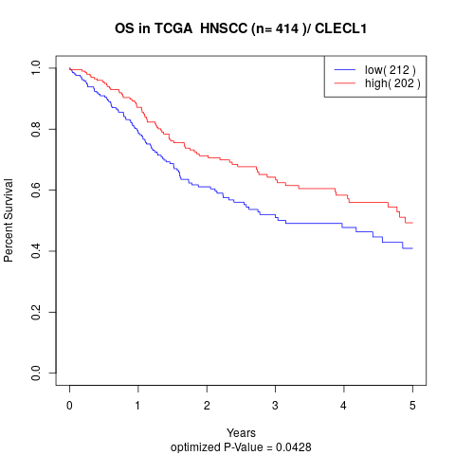

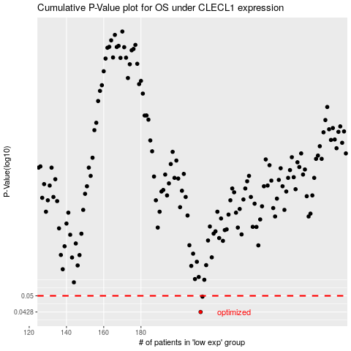

 |  |  |  |  |  | cases_OS | p_OS | rank | exp
 |  |  |  |  |  | 212 | 0.0428 | 33 | -0.33630183321
 |  |  |  |  |  | 213 | 0.0496 | 157 | -0.33232485821
 |  |  |  |  |  |  | cases_RFS | p_RFS | rank | exp
 |  |  |  |  |  |  | 211 | 0.0428 | 274 | -0.33762749154
 |  |  |  |  |  |  | 212 | 0.0496 | 33 | -0.33630183321

