CLGN _multivariate
Reported by Tex Li-Hsing Chi. tex@gate.sinica.edu.tw 2019-08-21

Table 2. The clinicopathological features of HNSCC cohort and CLGN expression. (Chi square test)
Cutoff at -0.296 (49.8%)
 |  | CLGN expression |  | CLGN expression |  | (Optimised)
 | Features | Low | (%) | High | (%) | Case no | P-value | Remark | Matthews
Gender | Female | 147 | 35.4 | 159 | 38.3 | 415 | 0.2523 | 0 | 0
2 | Male | 60 | 14.5 | 49 | 11.8
Age at diagnosis | <=65y | 131 | 31.6 | 143 | 34.5 | 415 | 0.2839 | 0 | 0
4 | >65y | 76 | 18.3 | 65 | 15.7
Clinical T Status | T1+T2 | 68 | 16.4 | 81 | 19.5 | 415 | 0.2336 | 0 | 0
6 | T3+T4 | 139 | 33.5 | 127 | 30.6
Clinical N Status | N0 | 113 | 27.2 | 103 | 24.8 | 415 | 0.3495 | 1 | 0
8 | N1-3 | 94 | 22.7 | 105 | 25.3
Clinical M Status | M0 | 205 | 49.4 | 207 | 49.9 | 415 | 0.6232 | 0 | 0
10 | M1 | 2 | 0.5 | 1 | 0.2
Clinical Stage | Stage I+II | 51 | 12.3 | 51 | 12.3 | 415 | 1 | 0 | 0
12 | Stage III+IV | 156 | 37.6 | 157 | 37.8
Surgical Margin status | Negative | 162 | 39 | 156 | 37.6 | 415 | 0.4867 | 0 | 0
14 | Positive | 45 | 10.8 | 52 | 12.5
Tobacco Exposure | Low | 87 | 21 | 74 | 17.8 | 415 | 0.1911 | 0 | 0
16 | High | 120 | 28.9 | 134 | 32.3

Table 3. Univariate/Multivariate Cox's proportional hazards regression analyses on OS time of CLGN gene expression in HNSCC

 |  | Univariate |  |  |  | Multivariate
 | Features | HR | CI95%(L) | CI95%(H) | P-value | HR | CI95%(L) | CI95%(H) | P-value
1 | Female | 1 |  |  |  | 1
Gender | Male | 1.157 | 0.843 | 1.587 | 0.367 | 1.197 | 0.856 | 1.673 | 0.294
11 | <=65y | 1 |  |  |  | 1
Age at diagnosis | >65y | 1.329 | 0.99 | 1.784 | 0.058 | 1.391 | 1.023 | 1.891 | 0.035
12 | T1+T2 | 1 |  |  |  | 1
Clinical T Status | T3+T4 | 1.409 | 1.028 | 1.931 | 0.033 | 2.179 | 1.15 | 4.129 | 0.017
13 | N0 | 1 |  |  |  | 1
Clinical N Status | N1-3 | 1.185 | 0.89 | 1.577 | 0.246 | 1.244 | 0.872 | 1.774 | 0.229
14 | M0 | 1 |  |  |  | 1
Clinical M Status | M1 | 4.097 | 1.009 | 16.644 | 0.049 | 9.143 | 1.981 | 42.193 | 0.005
15 | Stage I+II | 1 |  |  |  | 1
Clinical Stage | Stage III+IV | 1.245 | 0.882 | 1.759 | 0.213 | 0.509 | 0.237 | 1.095 | 0.084
16 | Negative | 1 |  |  |  | 1
Surgical Margin status | Positive | 1.591 | 1.155 | 2.191 | 0.004 | 1.67 | 1.208 | 2.307 | 0.002
17 | Low | 1 |  |  |  | 1
Tobacco Exposure | High | 1.364 | 1.008 | 1.844 | 0.044 | 1.461 | 1.059 | 2.016 | 0.021
18 | Low | 1 |  |  |  | 1
RNAseq(z-score) | High | 0.907 | 0.68 | 1.211 | 0.509 | 0.944 | 0.704 | 1.266 | 0.699

Table 4. Univariate/Multivariate Cox's proportional hazards regression analyses on RFS time of CLGN gene expression in HNSCC

 |  | Univariate |  |  |  | Multivariate
 | Features | HR | CI95%(L) | CI95%(H) | P-value | HR | CI95%(L) | CI95%(H) | P-value
1 | Female | 1 |  |  |  | 1
Gender | Male | 1.157 | 0.843 | 1.587 | 0.367 | 1.197 | 0.856 | 1.673 | 0.294
11 | <=65y | 1 |  |  |  | 1
Age at diagnosis | >65y | 1.329 | 0.99 | 1.784 | 0.058 | 1.391 | 1.023 | 1.891 | 0.035
12 | T1+T2 | 1 |  |  |  | 1
Clinical T Status | T3+T4 | 1.409 | 1.028 | 1.931 | 0.033 | 2.179 | 1.15 | 4.129 | 0.017
13 | N0 | 1 |  |  |  | 1
Clinical N Status | N1-3 | 1.185 | 0.89 | 1.577 | 0.246 | 1.244 | 0.872 | 1.774 | 0.229
14 | M0 | 1 |  |  |  | 1
Clinical M Status | M1 | 4.097 | 1.009 | 16.644 | 0.049 | 9.143 | 1.981 | 42.193 | 0.005
15 | Stage I+II | 1 |  |  |  | 1
Clinical Stage | Stage III+IV | 1.245 | 0.882 | 1.759 | 0.213 | 0.509 | 0.237 | 1.095 | 0.084
16 | Negative | 1 |  |  |  | 1
Surgical Margin status | Positive | 1.591 | 1.155 | 2.191 | 0.004 | 1.67 | 1.208 | 2.307 | 0.002
17 | Low | 1 |  |  |  | 1
Tobacco Exposure | High | 1.364 | 1.008 | 1.844 | 0.044 | 1.461 | 1.059 | 2.016 | 0.021
18 | Low | 1 |  |  |  | 1
RNAseq(z-score) | High | 0.907 | 0.68 | 1.211 | 0.509 | 0.944 | 0.704 | 1.266 | 0.699

Kaplan-Meier survival estimate: Cutoff at -0.296 (49.8%)



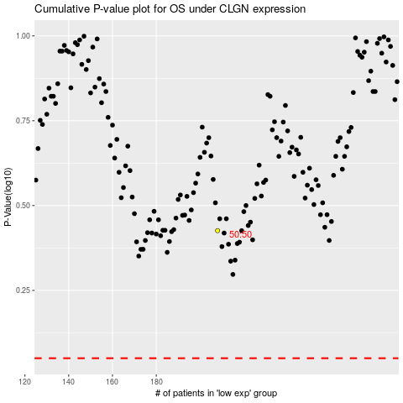

 |  |  |  |  |  | cases_OS | p_OS | rank | exp
 |  |  |  |  |  |  | cases_RFS | p_RFS | rank | exp

