CLIC5 _multivariate
Reported by Tex Li-Hsing Chi. tex@gate.sinica.edu.tw 2019-08-21

Table 2. The clinicopathological features of HNSCC cohort and CLIC5 expression. (Chi square test)
Cutoff at -0.201 (50.0%)
 |  | CLIC5 expression |  | CLIC5 expression |  | (Optimised)
 | Features | Low | (%) | High | (%) | Case no | P-value | Remark | Matthews
Gender | Female | 163 | 39.3 | 143 | 34.5 | 415 | 0.0277 | 1 | 0
2 | Male | 44 | 10.6 | 65 | 15.7
Age at diagnosis | <=65y | 140 | 33.7 | 134 | 32.3 | 415 | 0.5574 | 0 | 0
4 | >65y | 67 | 16.1 | 74 | 17.8
Clinical T Status | T1+T2 | 62 | 14.9 | 87 | 21 | 415 | 0.0156 | 1 | 0
6 | T3+T4 | 145 | 34.9 | 121 | 29.2
Clinical N Status | N0 | 112 | 27 | 104 | 25.1 | 415 | 0.4599 | 0 | 0
8 | N1-3 | 95 | 22.9 | 104 | 25.1
Clinical M Status | M0 | 205 | 49.4 | 207 | 49.9 | 415 | 0.6232 | 0 | 0
10 | M1 | 2 | 0.5 | 1 | 0.2
Clinical Stage | Stage I+II | 42 | 10.1 | 60 | 14.5 | 415 | 0.0561 | 0 | 0
12 | Stage III+IV | 165 | 39.8 | 148 | 35.7
Surgical Margin status | Negative | 155 | 37.3 | 163 | 39.3 | 415 | 0.4187 | 0 | 0
14 | Positive | 52 | 12.5 | 45 | 10.8
Tobacco Exposure | Low | 79 | 19 | 82 | 19.8 | 415 | 0.8405 | 0 | 0
16 | High | 128 | 30.8 | 126 | 30.4

Table 3. Univariate/Multivariate Cox's proportional hazards regression analyses on OS time of CLIC5 gene expression in HNSCC

 |  | Univariate |  |  |  | Multivariate
 | Features | HR | CI95%(L) | CI95%(H) | P-value | HR | CI95%(L) | CI95%(H) | P-value
1 | Female | 1 |  |  |  | 1
Gender | Male | 1.157 | 0.843 | 1.587 | 0.367 | 1.203 | 0.861 | 1.681 | 0.278
11 | <=65y | 1 |  |  |  | 1
Age at diagnosis | >65y | 1.329 | 0.99 | 1.784 | 0.058 | 1.389 | 1.022 | 1.889 | 0.036
12 | T1+T2 | 1 |  |  |  | 1
Clinical T Status | T3+T4 | 1.409 | 1.028 | 1.931 | 0.033 | 2.193 | 1.159 | 4.15 | 0.016
13 | N0 | 1 |  |  |  | 1
Clinical N Status | N1-3 | 1.185 | 0.89 | 1.577 | 0.246 | 1.245 | 0.872 | 1.778 | 0.228
14 | M0 | 1 |  |  |  | 1
Clinical M Status | M1 | 4.097 | 1.009 | 16.644 | 0.049 | 9.328 | 2.032 | 42.819 | 0.004
15 | Stage I+II | 1 |  |  |  | 1
Clinical Stage | Stage III+IV | 1.245 | 0.882 | 1.759 | 0.213 | 0.504 | 0.235 | 1.081 | 0.078
16 | Negative | 1 |  |  |  | 1
Surgical Margin status | Positive | 1.591 | 1.155 | 2.191 | 0.004 | 1.669 | 1.208 | 2.307 | 0.002
17 | Low | 1 |  |  |  | 1
Tobacco Exposure | High | 1.364 | 1.008 | 1.844 | 0.044 | 1.453 | 1.054 | 2.002 | 0.022
18 | Low | 1 |  |  |  | 1
RNAseq(z-score) | High | 0.926 | 0.695 | 1.234 | 0.6 | 0.965 | 0.722 | 1.29 | 0.809

Table 4. Univariate/Multivariate Cox's proportional hazards regression analyses on RFS time of CLIC5 gene expression in HNSCC

 |  | Univariate |  |  |  | Multivariate
 | Features | HR | CI95%(L) | CI95%(H) | P-value | HR | CI95%(L) | CI95%(H) | P-value
1 | Female | 1 |  |  |  | 1
Gender | Male | 1.157 | 0.843 | 1.587 | 0.367 | 1.203 | 0.861 | 1.681 | 0.278
11 | <=65y | 1 |  |  |  | 1
Age at diagnosis | >65y | 1.329 | 0.99 | 1.784 | 0.058 | 1.389 | 1.022 | 1.889 | 0.036
12 | T1+T2 | 1 |  |  |  | 1
Clinical T Status | T3+T4 | 1.409 | 1.028 | 1.931 | 0.033 | 2.193 | 1.159 | 4.15 | 0.016
13 | N0 | 1 |  |  |  | 1
Clinical N Status | N1-3 | 1.185 | 0.89 | 1.577 | 0.246 | 1.245 | 0.872 | 1.778 | 0.228
14 | M0 | 1 |  |  |  | 1
Clinical M Status | M1 | 4.097 | 1.009 | 16.644 | 0.049 | 9.328 | 2.032 | 42.819 | 0.004
15 | Stage I+II | 1 |  |  |  | 1
Clinical Stage | Stage III+IV | 1.245 | 0.882 | 1.759 | 0.213 | 0.504 | 0.235 | 1.081 | 0.078
16 | Negative | 1 |  |  |  | 1
Surgical Margin status | Positive | 1.591 | 1.155 | 2.191 | 0.004 | 1.669 | 1.208 | 2.307 | 0.002
17 | Low | 1 |  |  |  | 1
Tobacco Exposure | High | 1.364 | 1.008 | 1.844 | 0.044 | 1.453 | 1.054 | 2.002 | 0.022
18 | Low | 1 |  |  |  | 1
RNAseq(z-score) | High | 0.926 | 0.695 | 1.234 | 0.6 | 0.965 | 0.722 | 1.29 | 0.809

Kaplan-Meier survival estimate: Cutoff at -0.201 (50.0%)



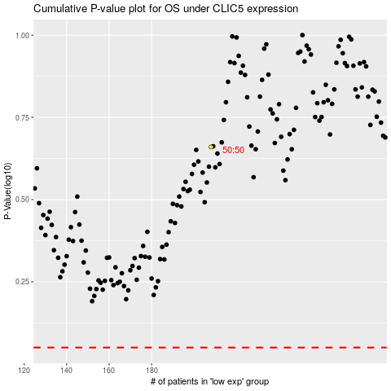

 |  |  |  |  |  | cases_OS | p_OS | rank | exp
 |  |  |  |  |  |  | cases_RFS | p_RFS | rank | exp

