CLIP1 _multivariate
Reported by Tex Li-Hsing Chi. tex@gate.sinica.edu.tw 2019-08-21

Table 2. The clinicopathological features of HNSCC cohort and CLIP1 expression. (Chi square test)
Cutoff at -0.247 (50.0%)
 |  | CLIP1 expression |  | CLIP1 expression |  | (Optimised)
 | Features | Low | (%) | High | (%) | Case no | P-value | Remark | Matthews
Gender | Female | 160 | 38.6 | 146 | 35.2 | 415 | 0.1254 | 0 | 0
2 | Male | 47 | 11.3 | 62 | 14.9
Age at diagnosis | <=65y | 140 | 33.7 | 134 | 32.3 | 415 | 0.5574 | 0 | 0
4 | >65y | 67 | 16.1 | 74 | 17.8
Clinical T Status | T1+T2 | 74 | 17.8 | 75 | 18.1 | 415 | 1 | 0 | 0
6 | T3+T4 | 133 | 32 | 133 | 32
Clinical N Status | N0 | 100 | 24.1 | 116 | 28 | 415 | 0.1548 | 0 | 0
8 | N1-3 | 107 | 25.8 | 92 | 22.2
Clinical M Status | M0 | 206 | 49.6 | 206 | 49.6 | 415 | 1 | 0 | 0
10 | M1 | 1 | 0.2 | 2 | 0.5
Clinical Stage | Stage I+II | 48 | 11.6 | 54 | 13 | 415 | 0.5878 | 0 | 0
12 | Stage III+IV | 159 | 38.3 | 154 | 37.1
Surgical Margin status | Negative | 159 | 38.3 | 159 | 38.3 | 415 | 1 | 0 | 0
14 | Positive | 48 | 11.6 | 49 | 11.8
Tobacco Exposure | Low | 66 | 15.9 | 95 | 22.9 | 415 | 0.0048 | 1 | 0
16 | High | 141 | 34 | 113 | 27.2

Table 3. Univariate/Multivariate Cox's proportional hazards regression analyses on OS time of CLIP1 gene expression in HNSCC

 |  | Univariate |  |  |  | Multivariate
 | Features | HR | CI95%(L) | CI95%(H) | P-value | HR | CI95%(L) | CI95%(H) | P-value
1 | Female | 1 |  |  |  | 1
Gender | Male | 1.157 | 0.843 | 1.587 | 0.367 | 1.197 | 0.857 | 1.674 | 0.292
11 | <=65y | 1 |  |  |  | 1
Age at diagnosis | >65y | 1.329 | 0.99 | 1.784 | 0.058 | 1.394 | 1.026 | 1.896 | 0.034
12 | T1+T2 | 1 |  |  |  | 1
Clinical T Status | T3+T4 | 1.409 | 1.028 | 1.931 | 0.033 | 2.21 | 1.168 | 4.179 | 0.015
13 | N0 | 1 |  |  |  | 1
Clinical N Status | N1-3 | 1.185 | 0.89 | 1.577 | 0.246 | 1.231 | 0.861 | 1.76 | 0.255
14 | M0 | 1 |  |  |  | 1
Clinical M Status | M1 | 4.097 | 1.009 | 16.644 | 0.049 | 9.501 | 2.071 | 43.584 | 0.004
15 | Stage I+II | 1 |  |  |  | 1
Clinical Stage | Stage III+IV | 1.245 | 0.882 | 1.759 | 0.213 | 0.505 | 0.235 | 1.083 | 0.079
16 | Negative | 1 |  |  |  | 1
Surgical Margin status | Positive | 1.591 | 1.155 | 2.191 | 0.004 | 1.675 | 1.212 | 2.315 | 0.002
17 | Low | 1 |  |  |  | 1
Tobacco Exposure | High | 1.364 | 1.008 | 1.844 | 0.044 | 1.435 | 1.036 | 1.986 | 0.03
18 | Low | 1 |  |  |  | 1
RNAseq(z-score) | High | 0.906 | 0.68 | 1.206 | 0.499 | 0.937 | 0.698 | 1.259 | 0.668

Table 4. Univariate/Multivariate Cox's proportional hazards regression analyses on RFS time of CLIP1 gene expression in HNSCC

 |  | Univariate |  |  |  | Multivariate
 | Features | HR | CI95%(L) | CI95%(H) | P-value | HR | CI95%(L) | CI95%(H) | P-value
1 | Female | 1 |  |  |  | 1
Gender | Male | 1.157 | 0.843 | 1.587 | 0.367 | 1.197 | 0.857 | 1.674 | 0.292
11 | <=65y | 1 |  |  |  | 1
Age at diagnosis | >65y | 1.329 | 0.99 | 1.784 | 0.058 | 1.394 | 1.026 | 1.896 | 0.034
12 | T1+T2 | 1 |  |  |  | 1
Clinical T Status | T3+T4 | 1.409 | 1.028 | 1.931 | 0.033 | 2.21 | 1.168 | 4.179 | 0.015
13 | N0 | 1 |  |  |  | 1
Clinical N Status | N1-3 | 1.185 | 0.89 | 1.577 | 0.246 | 1.231 | 0.861 | 1.76 | 0.255
14 | M0 | 1 |  |  |  | 1
Clinical M Status | M1 | 4.097 | 1.009 | 16.644 | 0.049 | 9.501 | 2.071 | 43.584 | 0.004
15 | Stage I+II | 1 |  |  |  | 1
Clinical Stage | Stage III+IV | 1.245 | 0.882 | 1.759 | 0.213 | 0.505 | 0.235 | 1.083 | 0.079
16 | Negative | 1 |  |  |  | 1
Surgical Margin status | Positive | 1.591 | 1.155 | 2.191 | 0.004 | 1.675 | 1.212 | 2.315 | 0.002
17 | Low | 1 |  |  |  | 1
Tobacco Exposure | High | 1.364 | 1.008 | 1.844 | 0.044 | 1.435 | 1.036 | 1.986 | 0.03
18 | Low | 1 |  |  |  | 1
RNAseq(z-score) | High | 0.906 | 0.68 | 1.206 | 0.499 | 0.937 | 0.698 | 1.259 | 0.668

Kaplan-Meier survival estimate: Cutoff at -0.247 (50.0%)



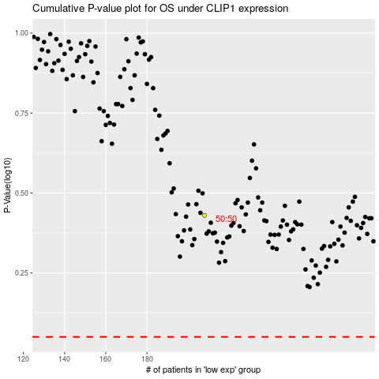

 |  |  |  |  |  | cases_OS | p_OS | rank | exp
 |  |  |  |  |  |  | cases_RFS | p_RFS | rank | exp

