CLIP2 _multivariate
Reported by Tex Li-Hsing Chi. tex@gate.sinica.edu.tw 2019-08-21

Table 2. The clinicopathological features of HNSCC cohort and CLIP2 expression. (Chi square test)
Cutoff at -0.105 (49.8%)
 |  | CLIP2 expression |  | CLIP2 expression |  | (Optimised)
 | Features | Low | (%) | High | (%) | Case no | P-value | Remark | Matthews
Gender | Female | 142 | 34.2 | 164 | 39.5 | 415 | 0.0238 | 1 | 0
2 | Male | 65 | 15.7 | 44 | 10.6
Age at diagnosis | <=65y | 131 | 31.6 | 143 | 34.5 | 415 | 0.2839 | 0 | 0
4 | >65y | 76 | 18.3 | 65 | 15.7
Clinical T Status | T1+T2 | 80 | 19.3 | 69 | 16.6 | 415 | 0.2891 | 0 | 0
6 | T3+T4 | 127 | 30.6 | 139 | 33.5
Clinical N Status | N0 | 115 | 27.7 | 101 | 24.3 | 415 | 0.184 | 1 | 0
8 | N1-3 | 92 | 22.2 | 107 | 25.8
Clinical M Status | M0 | 206 | 49.6 | 206 | 49.6 | 415 | 1 | 0 | 0
10 | M1 | 1 | 0.2 | 2 | 0.5
Clinical Stage | Stage I+II | 56 | 13.5 | 46 | 11.1 | 415 | 0.2918 | 0 | 0
12 | Stage III+IV | 151 | 36.4 | 162 | 39
Surgical Margin status | Negative | 151 | 36.4 | 167 | 40.2 | 415 | 0.0828 | 0 | 0
14 | Positive | 56 | 13.5 | 41 | 9.9
Tobacco Exposure | Low | 88 | 21.2 | 73 | 17.6 | 415 | 0.1314 | 0 | 0
16 | High | 119 | 28.7 | 135 | 32.5

Table 3. Univariate/Multivariate Cox's proportional hazards regression analyses on OS time of CLIP2 gene expression in HNSCC

 |  | Univariate |  |  |  | Multivariate
 | Features | HR | CI95%(L) | CI95%(H) | P-value | HR | CI95%(L) | CI95%(H) | P-value
1 | Female | 1 |  |  |  | 1
Gender | Male | 1.157 | 0.843 | 1.587 | 0.367 | 1.212 | 0.866 | 1.698 | 0.262
11 | <=65y | 1 |  |  |  | 1
Age at diagnosis | >65y | 1.329 | 0.99 | 1.784 | 0.058 | 1.394 | 1.025 | 1.896 | 0.034
12 | T1+T2 | 1 |  |  |  | 1
Clinical T Status | T3+T4 | 1.409 | 1.028 | 1.931 | 0.033 | 2.194 | 1.16 | 4.15 | 0.016
13 | N0 | 1 |  |  |  | 1
Clinical N Status | N1-3 | 1.185 | 0.89 | 1.577 | 0.246 | 1.236 | 0.866 | 1.764 | 0.243
14 | M0 | 1 |  |  |  | 1
Clinical M Status | M1 | 4.097 | 1.009 | 16.644 | 0.049 | 9.348 | 2.039 | 42.859 | 0.004
15 | Stage I+II | 1 |  |  |  | 1
Clinical Stage | Stage III+IV | 1.245 | 0.882 | 1.759 | 0.213 | 0.507 | 0.236 | 1.089 | 0.082
16 | Negative | 1 |  |  |  | 1
Surgical Margin status | Positive | 1.591 | 1.155 | 2.191 | 0.004 | 1.688 | 1.218 | 2.341 | 0.002
17 | Low | 1 |  |  |  | 1
Tobacco Exposure | High | 1.364 | 1.008 | 1.844 | 0.044 | 1.446 | 1.048 | 1.994 | 0.025
18 | Low | 1 |  |  |  | 1
RNAseq(z-score) | High | 1.015 | 0.762 | 1.352 | 0.92 | 1.067 | 0.794 | 1.433 | 0.668

Table 4. Univariate/Multivariate Cox's proportional hazards regression analyses on RFS time of CLIP2 gene expression in HNSCC

 |  | Univariate |  |  |  | Multivariate
 | Features | HR | CI95%(L) | CI95%(H) | P-value | HR | CI95%(L) | CI95%(H) | P-value
1 | Female | 1 |  |  |  | 1
Gender | Male | 1.157 | 0.843 | 1.587 | 0.367 | 1.212 | 0.866 | 1.698 | 0.262
11 | <=65y | 1 |  |  |  | 1
Age at diagnosis | >65y | 1.329 | 0.99 | 1.784 | 0.058 | 1.394 | 1.025 | 1.896 | 0.034
12 | T1+T2 | 1 |  |  |  | 1
Clinical T Status | T3+T4 | 1.409 | 1.028 | 1.931 | 0.033 | 2.194 | 1.16 | 4.15 | 0.016
13 | N0 | 1 |  |  |  | 1
Clinical N Status | N1-3 | 1.185 | 0.89 | 1.577 | 0.246 | 1.236 | 0.866 | 1.764 | 0.243
14 | M0 | 1 |  |  |  | 1
Clinical M Status | M1 | 4.097 | 1.009 | 16.644 | 0.049 | 9.348 | 2.039 | 42.859 | 0.004
15 | Stage I+II | 1 |  |  |  | 1
Clinical Stage | Stage III+IV | 1.245 | 0.882 | 1.759 | 0.213 | 0.507 | 0.236 | 1.089 | 0.082
16 | Negative | 1 |  |  |  | 1
Surgical Margin status | Positive | 1.591 | 1.155 | 2.191 | 0.004 | 1.688 | 1.218 | 2.341 | 0.002
17 | Low | 1 |  |  |  | 1
Tobacco Exposure | High | 1.364 | 1.008 | 1.844 | 0.044 | 1.446 | 1.048 | 1.994 | 0.025
18 | Low | 1 |  |  |  | 1
RNAseq(z-score) | High | 1.015 | 0.762 | 1.352 | 0.92 | 1.067 | 0.794 | 1.433 | 0.668

Kaplan-Meier survival estimate: Cutoff at -0.105 (49.8%)



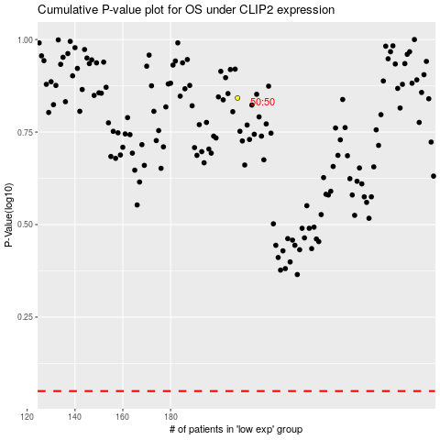

 |  |  |  |  |  | cases_OS | p_OS | rank | exp
 |  |  |  |  |  |  | cases_RFS | p_RFS | rank | exp

