CLK2 _multivariate
Reported by Tex Li-Hsing Chi. tex@gate.sinica.edu.tw 2019-08-21

Table 2. The clinicopathological features of HNSCC cohort and CLK2 expression. (Chi square test)
Cutoff at -0.171 (49.8%)
 |  | CLK2 expression |  | CLK2 expression |  | (Optimised)
 | Features | Low | (%) | High | (%) | Case no | P-value | Remark | Matthews
Gender | Female | 144 | 34.7 | 162 | 39 | 415 | 0.0697 | 0 | 0
2 | Male | 63 | 15.2 | 46 | 11.1
Age at diagnosis | <=65y | 133 | 32 | 141 | 34 | 415 | 0.5111 | 0 | 0
4 | >65y | 74 | 17.8 | 67 | 16.1
Clinical T Status | T1+T2 | 83 | 20 | 66 | 15.9 | 415 | 0.0941 | 0 | 0
6 | T3+T4 | 124 | 29.9 | 142 | 34.2
Clinical N Status | N0 | 109 | 26.3 | 107 | 25.8 | 415 | 0.8812 | 0 | 0
8 | N1-3 | 98 | 23.6 | 101 | 24.3
Clinical M Status | M0 | 206 | 49.6 | 206 | 49.6 | 415 | 1 | 0 | 0
10 | M1 | 1 | 0.2 | 2 | 0.5
Clinical Stage | Stage I+II | 62 | 14.9 | 40 | 9.6 | 415 | 0.0154 | 1 | 0
12 | Stage III+IV | 145 | 34.9 | 168 | 40.5
Surgical Margin status | Negative | 168 | 40.5 | 150 | 36.1 | 415 | 0.0366 | 1 | 0
14 | Positive | 39 | 9.4 | 58 | 14
Tobacco Exposure | Low | 82 | 19.8 | 79 | 19 | 415 | 0.763 | 0 | 0
16 | High | 125 | 30.1 | 129 | 31.1

Table 3. Univariate/Multivariate Cox's proportional hazards regression analyses on OS time of CLK2 gene expression in HNSCC

 |  | Univariate |  |  |  | Multivariate
 | Features | HR | CI95%(L) | CI95%(H) | P-value | HR | CI95%(L) | CI95%(H) | P-value
1 | Female | 1 |  |  |  | 1
Gender | Male | 1.157 | 0.843 | 1.587 | 0.367 | 1.198 | 0.858 | 1.675 | 0.289
11 | <=65y | 1 |  |  |  | 1
Age at diagnosis | >65y | 1.329 | 0.99 | 1.784 | 0.058 | 1.38 | 1.014 | 1.877 | 0.04
12 | T1+T2 | 1 |  |  |  | 1
Clinical T Status | T3+T4 | 1.409 | 1.028 | 1.931 | 0.033 | 2.19 | 1.158 | 4.141 | 0.016
13 | N0 | 1 |  |  |  | 1
Clinical N Status | N1-3 | 1.185 | 0.89 | 1.577 | 0.246 | 1.221 | 0.853 | 1.746 | 0.275
14 | M0 | 1 |  |  |  | 1
Clinical M Status | M1 | 4.097 | 1.009 | 16.644 | 0.049 | 9.437 | 2.058 | 43.26 | 0.004
15 | Stage I+II | 1 |  |  |  | 1
Clinical Stage | Stage III+IV | 1.245 | 0.882 | 1.759 | 0.213 | 0.524 | 0.243 | 1.132 | 0.1
16 | Negative | 1 |  |  |  | 1
Surgical Margin status | Positive | 1.591 | 1.155 | 2.191 | 0.004 | 1.704 | 1.229 | 2.364 | 0.001
17 | Low | 1 |  |  |  | 1
Tobacco Exposure | High | 1.364 | 1.008 | 1.844 | 0.044 | 1.456 | 1.056 | 2.007 | 0.022
18 | Low | 1 |  |  |  | 1
RNAseq(z-score) | High | 0.937 | 0.703 | 1.248 | 0.655 | 0.892 | 0.663 | 1.201 | 0.453

Table 4. Univariate/Multivariate Cox's proportional hazards regression analyses on RFS time of CLK2 gene expression in HNSCC

 |  | Univariate |  |  |  | Multivariate
 | Features | HR | CI95%(L) | CI95%(H) | P-value | HR | CI95%(L) | CI95%(H) | P-value
1 | Female | 1 |  |  |  | 1
Gender | Male | 1.157 | 0.843 | 1.587 | 0.367 | 1.198 | 0.858 | 1.675 | 0.289
11 | <=65y | 1 |  |  |  | 1
Age at diagnosis | >65y | 1.329 | 0.99 | 1.784 | 0.058 | 1.38 | 1.014 | 1.877 | 0.04
12 | T1+T2 | 1 |  |  |  | 1
Clinical T Status | T3+T4 | 1.409 | 1.028 | 1.931 | 0.033 | 2.19 | 1.158 | 4.141 | 0.016
13 | N0 | 1 |  |  |  | 1
Clinical N Status | N1-3 | 1.185 | 0.89 | 1.577 | 0.246 | 1.221 | 0.853 | 1.746 | 0.275
14 | M0 | 1 |  |  |  | 1
Clinical M Status | M1 | 4.097 | 1.009 | 16.644 | 0.049 | 9.437 | 2.058 | 43.26 | 0.004
15 | Stage I+II | 1 |  |  |  | 1
Clinical Stage | Stage III+IV | 1.245 | 0.882 | 1.759 | 0.213 | 0.524 | 0.243 | 1.132 | 0.1
16 | Negative | 1 |  |  |  | 1
Surgical Margin status | Positive | 1.591 | 1.155 | 2.191 | 0.004 | 1.704 | 1.229 | 2.364 | 0.001
17 | Low | 1 |  |  |  | 1
Tobacco Exposure | High | 1.364 | 1.008 | 1.844 | 0.044 | 1.456 | 1.056 | 2.007 | 0.022
18 | Low | 1 |  |  |  | 1
RNAseq(z-score) | High | 0.937 | 0.703 | 1.248 | 0.655 | 0.892 | 0.663 | 1.201 | 0.453

Kaplan-Meier survival estimate: Cutoff at -0.171 (49.8%)



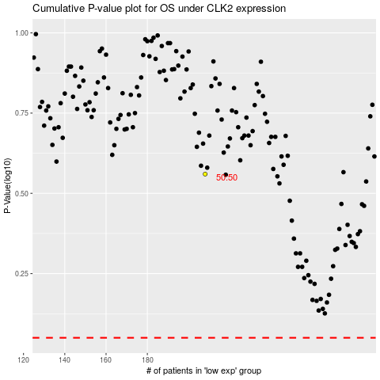

 |  |  |  |  |  | cases_OS | p_OS | rank | exp
 |  |  |  |  |  |  | cases_RFS | p_RFS | rank | exp

