CLK2P _multivariate
Reported by Tex Li-Hsing Chi. tex@gate.sinica.edu.tw 2019-08-21

Table 2. The clinicopathological features of HNSCC cohort and CLK2P expression. (Chi square test)
Cutoff at -0.132 (49.8%)
 |  | CLK2P expression |  | CLK2P expression |  | (Optimised)
 | Features | Low | (%) | High | (%) | Case no | P-value | Remark | Matthews
Gender | Female | 147 | 35.4 | 159 | 38.3 | 415 | 0.2523 | 0 | 0
2 | Male | 60 | 14.5 | 49 | 11.8
Age at diagnosis | <=65y | 135 | 32.5 | 139 | 33.5 | 415 | 0.8084 | 0 | 0
4 | >65y | 72 | 17.3 | 69 | 16.6
Clinical T Status | T1+T2 | 80 | 19.3 | 69 | 16.6 | 415 | 0.2891 | 0 | 0
6 | T3+T4 | 127 | 30.6 | 139 | 33.5
Clinical N Status | N0 | 108 | 26 | 108 | 26 | 415 | 1 | 0 | 0
8 | N1-3 | 99 | 23.9 | 100 | 24.1
Clinical M Status | M0 | 205 | 49.4 | 207 | 49.9 | 415 | 0.6232 | 0 | 0
10 | M1 | 2 | 0.5 | 1 | 0.2
Clinical Stage | Stage I+II | 59 | 14.2 | 43 | 10.4 | 415 | 0.0822 | 0 | 0
12 | Stage III+IV | 148 | 35.7 | 165 | 39.8
Surgical Margin status | Negative | 166 | 40 | 152 | 36.6 | 415 | 0.1042 | 0 | 0
14 | Positive | 41 | 9.9 | 56 | 13.5
Tobacco Exposure | Low | 79 | 19 | 82 | 19.8 | 415 | 0.8405 | 0 | 0
16 | High | 128 | 30.8 | 126 | 30.4

Table 3. Univariate/Multivariate Cox's proportional hazards regression analyses on OS time of CLK2P gene expression in HNSCC

 |  | Univariate |  |  |  | Multivariate
 | Features | HR | CI95%(L) | CI95%(H) | P-value | HR | CI95%(L) | CI95%(H) | P-value
1 | Female | 1 |  |  |  | 1
Gender | Male | 1.157 | 0.843 | 1.587 | 0.367 | 1.2 | 0.859 | 1.676 | 0.286
11 | <=65y | 1 |  |  |  | 1
Age at diagnosis | >65y | 1.329 | 0.99 | 1.784 | 0.058 | 1.401 | 1.03 | 1.905 | 0.032
12 | T1+T2 | 1 |  |  |  | 1
Clinical T Status | T3+T4 | 1.409 | 1.028 | 1.931 | 0.033 | 2.228 | 1.177 | 4.218 | 0.014
13 | N0 | 1 |  |  |  | 1
Clinical N Status | N1-3 | 1.185 | 0.89 | 1.577 | 0.246 | 1.261 | 0.881 | 1.805 | 0.205
14 | M0 | 1 |  |  |  | 1
Clinical M Status | M1 | 4.097 | 1.009 | 16.644 | 0.049 | 9.596 | 2.091 | 44.039 | 0.004
15 | Stage I+II | 1 |  |  |  | 1
Clinical Stage | Stage III+IV | 1.245 | 0.882 | 1.759 | 0.213 | 0.486 | 0.225 | 1.052 | 0.067
16 | Negative | 1 |  |  |  | 1
Surgical Margin status | Positive | 1.591 | 1.155 | 2.191 | 0.004 | 1.648 | 1.189 | 2.283 | 0.003
17 | Low | 1 |  |  |  | 1
Tobacco Exposure | High | 1.364 | 1.008 | 1.844 | 0.044 | 1.456 | 1.057 | 2.005 | 0.021
18 | Low | 1 |  |  |  | 1
RNAseq(z-score) | High | 1.101 | 0.826 | 1.467 | 0.513 | 1.105 | 0.822 | 1.485 | 0.507

Table 4. Univariate/Multivariate Cox's proportional hazards regression analyses on RFS time of CLK2P gene expression in HNSCC

 |  | Univariate |  |  |  | Multivariate
 | Features | HR | CI95%(L) | CI95%(H) | P-value | HR | CI95%(L) | CI95%(H) | P-value
1 | Female | 1 |  |  |  | 1
Gender | Male | 1.157 | 0.843 | 1.587 | 0.367 | 1.2 | 0.859 | 1.676 | 0.286
11 | <=65y | 1 |  |  |  | 1
Age at diagnosis | >65y | 1.329 | 0.99 | 1.784 | 0.058 | 1.401 | 1.03 | 1.905 | 0.032
12 | T1+T2 | 1 |  |  |  | 1
Clinical T Status | T3+T4 | 1.409 | 1.028 | 1.931 | 0.033 | 2.228 | 1.177 | 4.218 | 0.014
13 | N0 | 1 |  |  |  | 1
Clinical N Status | N1-3 | 1.185 | 0.89 | 1.577 | 0.246 | 1.261 | 0.881 | 1.805 | 0.205
14 | M0 | 1 |  |  |  | 1
Clinical M Status | M1 | 4.097 | 1.009 | 16.644 | 0.049 | 9.596 | 2.091 | 44.039 | 0.004
15 | Stage I+II | 1 |  |  |  | 1
Clinical Stage | Stage III+IV | 1.245 | 0.882 | 1.759 | 0.213 | 0.486 | 0.225 | 1.052 | 0.067
16 | Negative | 1 |  |  |  | 1
Surgical Margin status | Positive | 1.591 | 1.155 | 2.191 | 0.004 | 1.648 | 1.189 | 2.283 | 0.003
17 | Low | 1 |  |  |  | 1
Tobacco Exposure | High | 1.364 | 1.008 | 1.844 | 0.044 | 1.456 | 1.057 | 2.005 | 0.021
18 | Low | 1 |  |  |  | 1
RNAseq(z-score) | High | 1.101 | 0.826 | 1.467 | 0.513 | 1.105 | 0.822 | 1.485 | 0.507

Kaplan-Meier survival estimate: Cutoff at -0.132 (49.8%)



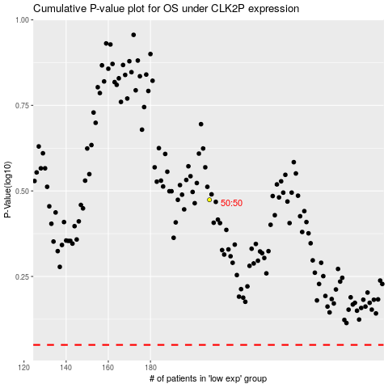

 |  |  |  |  |  | cases_OS | p_OS | rank | exp
 |  |  |  |  |  |  | cases_RFS | p_RFS | rank | exp

