CLN6 _multivariate
Reported by Tex Li-Hsing Chi. tex@gate.sinica.edu.tw 2019-08-21

Table 2. The clinicopathological features of HNSCC cohort and CLN6 expression. (Chi square test)
Cutoff at -0.258 (49.8%)
 |  | CLN6 expression |  | CLN6 expression |  | (Optimised)
 | Features | Low | (%) | High | (%) | Case no | P-value | Remark | Matthews
Gender | Female | 154 | 37.1 | 152 | 36.6 | 415 | 0.8463 | 0 | 0
2 | Male | 53 | 12.8 | 56 | 13.5
Age at diagnosis | <=65y | 142 | 34.2 | 132 | 31.8 | 415 | 0.3167 | 0 | 0
4 | >65y | 65 | 15.7 | 76 | 18.3
Clinical T Status | T1+T2 | 70 | 16.9 | 79 | 19 | 415 | 0.4343 | 0 | 0
6 | T3+T4 | 137 | 33 | 129 | 31.1
Clinical N Status | N0 | 99 | 23.9 | 117 | 28.2 | 415 | 0.1054 | 0 | 0
8 | N1-3 | 108 | 26 | 91 | 21.9
Clinical M Status | M0 | 207 | 49.9 | 205 | 49.4 | 415 | 0.2482 | 0 | 0
10 | M1 | 0 | 0 | 3 | 0.7
Clinical Stage | Stage I+II | 48 | 11.6 | 54 | 13 | 415 | 0.5878 | 0 | 0
12 | Stage III+IV | 159 | 38.3 | 154 | 37.1
Surgical Margin status | Negative | 163 | 39.3 | 155 | 37.3 | 415 | 0.3537 | 0 | 0
14 | Positive | 44 | 10.6 | 53 | 12.8
Tobacco Exposure | Low | 84 | 20.2 | 77 | 18.6 | 415 | 0.4816 | 0 | 0
16 | High | 123 | 29.6 | 131 | 31.6

Table 3. Univariate/Multivariate Cox's proportional hazards regression analyses on OS time of CLN6 gene expression in HNSCC

 |  | Univariate |  |  |  | Multivariate
 | Features | HR | CI95%(L) | CI95%(H) | P-value | HR | CI95%(L) | CI95%(H) | P-value
1 | Female | 1 |  |  |  | 1
Gender | Male | 1.157 | 0.843 | 1.587 | 0.367 | 1.21 | 0.866 | 1.691 | 0.263
11 | <=65y | 1 |  |  |  | 1
Age at diagnosis | >65y | 1.329 | 0.99 | 1.784 | 0.058 | 1.402 | 1.03 | 1.907 | 0.032
12 | T1+T2 | 1 |  |  |  | 1
Clinical T Status | T3+T4 | 1.409 | 1.028 | 1.931 | 0.033 | 2.194 | 1.16 | 4.149 | 0.016
13 | N0 | 1 |  |  |  | 1
Clinical N Status | N1-3 | 1.185 | 0.89 | 1.577 | 0.246 | 1.236 | 0.866 | 1.763 | 0.244
14 | M0 | 1 |  |  |  | 1
Clinical M Status | M1 | 4.097 | 1.009 | 16.644 | 0.049 | 9.867 | 2.133 | 45.637 | 0.003
15 | Stage I+II | 1 |  |  |  | 1
Clinical Stage | Stage III+IV | 1.245 | 0.882 | 1.759 | 0.213 | 0.505 | 0.235 | 1.084 | 0.079
16 | Negative | 1 |  |  |  | 1
Surgical Margin status | Positive | 1.591 | 1.155 | 2.191 | 0.004 | 1.684 | 1.218 | 2.33 | 0.002
17 | Low | 1 |  |  |  | 1
Tobacco Exposure | High | 1.364 | 1.008 | 1.844 | 0.044 | 1.464 | 1.062 | 2.02 | 0.02
18 | Low | 1 |  |  |  | 1
RNAseq(z-score) | High | 1.02 | 0.766 | 1.359 | 0.89 | 0.919 | 0.686 | 1.23 | 0.569

Table 4. Univariate/Multivariate Cox's proportional hazards regression analyses on RFS time of CLN6 gene expression in HNSCC

 |  | Univariate |  |  |  | Multivariate
 | Features | HR | CI95%(L) | CI95%(H) | P-value | HR | CI95%(L) | CI95%(H) | P-value
1 | Female | 1 |  |  |  | 1
Gender | Male | 1.157 | 0.843 | 1.587 | 0.367 | 1.21 | 0.866 | 1.691 | 0.263
11 | <=65y | 1 |  |  |  | 1
Age at diagnosis | >65y | 1.329 | 0.99 | 1.784 | 0.058 | 1.402 | 1.03 | 1.907 | 0.032
12 | T1+T2 | 1 |  |  |  | 1
Clinical T Status | T3+T4 | 1.409 | 1.028 | 1.931 | 0.033 | 2.194 | 1.16 | 4.149 | 0.016
13 | N0 | 1 |  |  |  | 1
Clinical N Status | N1-3 | 1.185 | 0.89 | 1.577 | 0.246 | 1.236 | 0.866 | 1.763 | 0.244
14 | M0 | 1 |  |  |  | 1
Clinical M Status | M1 | 4.097 | 1.009 | 16.644 | 0.049 | 9.867 | 2.133 | 45.637 | 0.003
15 | Stage I+II | 1 |  |  |  | 1
Clinical Stage | Stage III+IV | 1.245 | 0.882 | 1.759 | 0.213 | 0.505 | 0.235 | 1.084 | 0.079
16 | Negative | 1 |  |  |  | 1
Surgical Margin status | Positive | 1.591 | 1.155 | 2.191 | 0.004 | 1.684 | 1.218 | 2.33 | 0.002
17 | Low | 1 |  |  |  | 1
Tobacco Exposure | High | 1.364 | 1.008 | 1.844 | 0.044 | 1.464 | 1.062 | 2.02 | 0.02
18 | Low | 1 |  |  |  | 1
RNAseq(z-score) | High | 1.02 | 0.766 | 1.359 | 0.89 | 0.919 | 0.686 | 1.23 | 0.569

Kaplan-Meier survival estimate: Cutoff at -0.258 (49.8%)



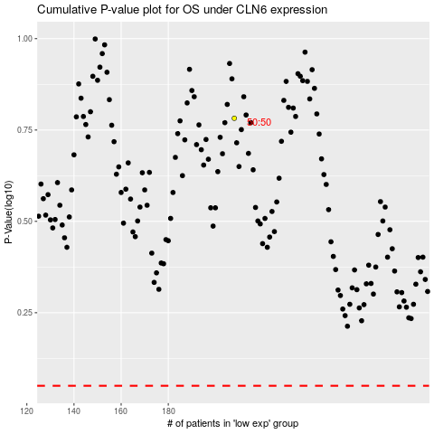

 |  |  |  |  |  | cases_OS | p_OS | rank | exp
 |  |  |  |  |  |  | cases_RFS | p_RFS | rank | exp

