CLP1 _multivariate
Reported by Tex Li-Hsing Chi. tex@gate.sinica.edu.tw 2019-08-21

Table 2. The clinicopathological features of HNSCC cohort and CLP1 expression. (Chi square test)
Cutoff at -0.04 (49.8%)
 |  | CLP1 expression |  | CLP1 expression |  | (Optimised)
 | Features | Low | (%) | High | (%) | Case no | P-value | Remark | Matthews
Gender | Female | 154 | 37.1 | 152 | 36.6 | 415 | 0.8463 | 0 | 0
2 | Male | 53 | 12.8 | 56 | 13.5
Age at diagnosis | <=65y | 129 | 31.1 | 145 | 34.9 | 415 | 0.1372 | 0 | 0
4 | >65y | 78 | 18.8 | 63 | 15.2
Clinical T Status | T1+T2 | 73 | 17.6 | 76 | 18.3 | 415 | 0.8666 | 0 | 0
6 | T3+T4 | 134 | 32.3 | 132 | 31.8
Clinical N Status | N0 | 110 | 26.5 | 106 | 25.5 | 415 | 0.7294 | 0 | 0
8 | N1-3 | 97 | 23.4 | 102 | 24.6
Clinical M Status | M0 | 206 | 49.6 | 206 | 49.6 | 415 | 1 | 0 | 0
10 | M1 | 1 | 0.2 | 2 | 0.5
Clinical Stage | Stage I+II | 48 | 11.6 | 54 | 13 | 415 | 0.5878 | 0 | 0
12 | Stage III+IV | 159 | 38.3 | 154 | 37.1
Surgical Margin status | Negative | 152 | 36.6 | 166 | 40 | 415 | 0.1329 | 0 | 0
14 | Positive | 55 | 13.3 | 42 | 10.1
Tobacco Exposure | Low | 79 | 19 | 82 | 19.8 | 415 | 0.8405 | 0 | 0
16 | High | 128 | 30.8 | 126 | 30.4

Table 3. Univariate/Multivariate Cox's proportional hazards regression analyses on OS time of CLP1 gene expression in HNSCC

 |  | Univariate |  |  |  | Multivariate
 | Features | HR | CI95%(L) | CI95%(H) | P-value | HR | CI95%(L) | CI95%(H) | P-value
1 | Female | 1 |  |  |  | 1
Gender | Male | 1.157 | 0.843 | 1.587 | 0.367 | 1.198 | 0.857 | 1.673 | 0.291
11 | <=65y | 1 |  |  |  | 1
Age at diagnosis | >65y | 1.329 | 0.99 | 1.784 | 0.058 | 1.408 | 1.033 | 1.918 | 0.03
12 | T1+T2 | 1 |  |  |  | 1
Clinical T Status | T3+T4 | 1.409 | 1.028 | 1.931 | 0.033 | 2.187 | 1.156 | 4.137 | 0.016
13 | N0 | 1 |  |  |  | 1
Clinical N Status | N1-3 | 1.185 | 0.89 | 1.577 | 0.246 | 1.241 | 0.869 | 1.771 | 0.235
14 | M0 | 1 |  |  |  | 1
Clinical M Status | M1 | 4.097 | 1.009 | 16.644 | 0.049 | 9.087 | 1.976 | 41.781 | 0.005
15 | Stage I+II | 1 |  |  |  | 1
Clinical Stage | Stage III+IV | 1.245 | 0.882 | 1.759 | 0.213 | 0.509 | 0.237 | 1.094 | 0.084
16 | Negative | 1 |  |  |  | 1
Surgical Margin status | Positive | 1.591 | 1.155 | 2.191 | 0.004 | 1.685 | 1.219 | 2.33 | 0.002
17 | Low | 1 |  |  |  | 1
Tobacco Exposure | High | 1.364 | 1.008 | 1.844 | 0.044 | 1.448 | 1.051 | 1.995 | 0.024
18 | Low | 1 |  |  |  | 1
RNAseq(z-score) | High | 1.102 | 0.827 | 1.467 | 0.508 | 1.108 | 0.829 | 1.481 | 0.488

Table 4. Univariate/Multivariate Cox's proportional hazards regression analyses on RFS time of CLP1 gene expression in HNSCC

 |  | Univariate |  |  |  | Multivariate
 | Features | HR | CI95%(L) | CI95%(H) | P-value | HR | CI95%(L) | CI95%(H) | P-value
1 | Female | 1 |  |  |  | 1
Gender | Male | 1.157 | 0.843 | 1.587 | 0.367 | 1.198 | 0.857 | 1.673 | 0.291
11 | <=65y | 1 |  |  |  | 1
Age at diagnosis | >65y | 1.329 | 0.99 | 1.784 | 0.058 | 1.408 | 1.033 | 1.918 | 0.03
12 | T1+T2 | 1 |  |  |  | 1
Clinical T Status | T3+T4 | 1.409 | 1.028 | 1.931 | 0.033 | 2.187 | 1.156 | 4.137 | 0.016
13 | N0 | 1 |  |  |  | 1
Clinical N Status | N1-3 | 1.185 | 0.89 | 1.577 | 0.246 | 1.241 | 0.869 | 1.771 | 0.235
14 | M0 | 1 |  |  |  | 1
Clinical M Status | M1 | 4.097 | 1.009 | 16.644 | 0.049 | 9.087 | 1.976 | 41.781 | 0.005
15 | Stage I+II | 1 |  |  |  | 1
Clinical Stage | Stage III+IV | 1.245 | 0.882 | 1.759 | 0.213 | 0.509 | 0.237 | 1.094 | 0.084
16 | Negative | 1 |  |  |  | 1
Surgical Margin status | Positive | 1.591 | 1.155 | 2.191 | 0.004 | 1.685 | 1.219 | 2.33 | 0.002
17 | Low | 1 |  |  |  | 1
Tobacco Exposure | High | 1.364 | 1.008 | 1.844 | 0.044 | 1.448 | 1.051 | 1.995 | 0.024
18 | Low | 1 |  |  |  | 1
RNAseq(z-score) | High | 1.102 | 0.827 | 1.467 | 0.508 | 1.108 | 0.829 | 1.481 | 0.488

Kaplan-Meier survival estimate: Cutoff at -0.04 (49.8%)



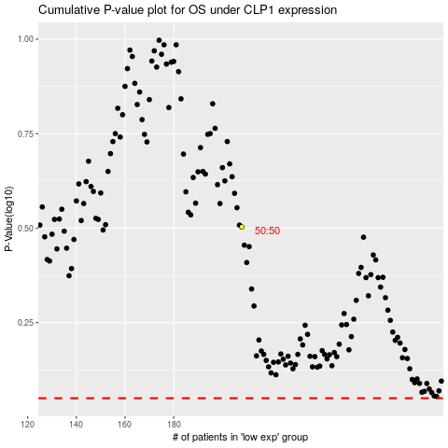

 |  |  |  |  |  | cases_OS | p_OS | rank | exp
 |  |  |  |  |  |  | cases_RFS | p_RFS | rank | exp

