CLPTM1 _multivariate
Reported by Tex Li-Hsing Chi. tex@gate.sinica.edu.tw 2019-08-21

Table 2. The clinicopathological features of HNSCC cohort and CLPTM1 expression. (Chi square test)
Cutoff at -0.121 (49.8%)
 |  | CLPTM1 expression |  | CLPTM1 expression |  | (Optimised)
 | Features | Low | (%) | High | (%) | Case no | P-value | Remark | Matthews
Gender | Female | 159 | 38.3 | 147 | 35.4 | 415 | 0.1905 | 0 | 0
2 | Male | 48 | 11.6 | 61 | 14.7
Age at diagnosis | <=65y | 143 | 34.5 | 131 | 31.6 | 415 | 0.2269 | 0 | 0
4 | >65y | 64 | 15.4 | 77 | 18.6
Clinical T Status | T1+T2 | 78 | 18.8 | 71 | 17.1 | 415 | 0.5152 | 0 | 0
6 | T3+T4 | 129 | 31.1 | 137 | 33
Clinical N Status | N0 | 105 | 25.3 | 111 | 26.7 | 415 | 0.6598 | 0 | 0
8 | N1-3 | 102 | 24.6 | 97 | 23.4
Clinical M Status | M0 | 206 | 49.6 | 206 | 49.6 | 415 | 1 | 0 | 0
10 | M1 | 1 | 0.2 | 2 | 0.5
Clinical Stage | Stage I+II | 52 | 12.5 | 50 | 12 | 415 | 0.8871 | 0 | 0
12 | Stage III+IV | 155 | 37.3 | 158 | 38.1
Surgical Margin status | Negative | 152 | 36.6 | 166 | 40 | 415 | 0.1329 | 0 | 0
14 | Positive | 55 | 13.3 | 42 | 10.1
Tobacco Exposure | Low | 79 | 19 | 82 | 19.8 | 415 | 0.8405 | 0 | 0
16 | High | 128 | 30.8 | 126 | 30.4

Table 3. Univariate/Multivariate Cox's proportional hazards regression analyses on OS time of CLPTM1 gene expression in HNSCC

 |  | Univariate |  |  |  | Multivariate
 | Features | HR | CI95%(L) | CI95%(H) | P-value | HR | CI95%(L) | CI95%(H) | P-value
1 | Female | 1 |  |  |  | 1
Gender | Male | 1.157 | 0.843 | 1.587 | 0.367 | 1.197 | 0.856 | 1.673 | 0.293
11 | <=65y | 1 |  |  |  | 1
Age at diagnosis | >65y | 1.329 | 0.99 | 1.784 | 0.058 | 1.398 | 1.027 | 1.902 | 0.033
12 | T1+T2 | 1 |  |  |  | 1
Clinical T Status | T3+T4 | 1.409 | 1.028 | 1.931 | 0.033 | 2.191 | 1.158 | 4.144 | 0.016
13 | N0 | 1 |  |  |  | 1
Clinical N Status | N1-3 | 1.185 | 0.89 | 1.577 | 0.246 | 1.243 | 0.871 | 1.773 | 0.23
14 | M0 | 1 |  |  |  | 1
Clinical M Status | M1 | 4.097 | 1.009 | 16.644 | 0.049 | 9.181 | 1.994 | 42.262 | 0.004
15 | Stage I+II | 1 |  |  |  | 1
Clinical Stage | Stage III+IV | 1.245 | 0.882 | 1.759 | 0.213 | 0.507 | 0.236 | 1.089 | 0.082
16 | Negative | 1 |  |  |  | 1
Surgical Margin status | Positive | 1.591 | 1.155 | 2.191 | 0.004 | 1.676 | 1.212 | 2.315 | 0.002
17 | Low | 1 |  |  |  | 1
Tobacco Exposure | High | 1.364 | 1.008 | 1.844 | 0.044 | 1.453 | 1.054 | 2.001 | 0.022
18 | Low | 1 |  |  |  | 1
RNAseq(z-score) | High | 1.068 | 0.801 | 1.424 | 0.654 | 1.063 | 0.796 | 1.42 | 0.677

Table 4. Univariate/Multivariate Cox's proportional hazards regression analyses on RFS time of CLPTM1 gene expression in HNSCC

 |  | Univariate |  |  |  | Multivariate
 | Features | HR | CI95%(L) | CI95%(H) | P-value | HR | CI95%(L) | CI95%(H) | P-value
1 | Female | 1 |  |  |  | 1
Gender | Male | 1.157 | 0.843 | 1.587 | 0.367 | 1.197 | 0.856 | 1.673 | 0.293
11 | <=65y | 1 |  |  |  | 1
Age at diagnosis | >65y | 1.329 | 0.99 | 1.784 | 0.058 | 1.398 | 1.027 | 1.902 | 0.033
12 | T1+T2 | 1 |  |  |  | 1
Clinical T Status | T3+T4 | 1.409 | 1.028 | 1.931 | 0.033 | 2.191 | 1.158 | 4.144 | 0.016
13 | N0 | 1 |  |  |  | 1
Clinical N Status | N1-3 | 1.185 | 0.89 | 1.577 | 0.246 | 1.243 | 0.871 | 1.773 | 0.23
14 | M0 | 1 |  |  |  | 1
Clinical M Status | M1 | 4.097 | 1.009 | 16.644 | 0.049 | 9.181 | 1.994 | 42.262 | 0.004
15 | Stage I+II | 1 |  |  |  | 1
Clinical Stage | Stage III+IV | 1.245 | 0.882 | 1.759 | 0.213 | 0.507 | 0.236 | 1.089 | 0.082
16 | Negative | 1 |  |  |  | 1
Surgical Margin status | Positive | 1.591 | 1.155 | 2.191 | 0.004 | 1.676 | 1.212 | 2.315 | 0.002
17 | Low | 1 |  |  |  | 1
Tobacco Exposure | High | 1.364 | 1.008 | 1.844 | 0.044 | 1.453 | 1.054 | 2.001 | 0.022
18 | Low | 1 |  |  |  | 1
RNAseq(z-score) | High | 1.068 | 0.801 | 1.424 | 0.654 | 1.063 | 0.796 | 1.42 | 0.677

Kaplan-Meier survival estimate: Cutoff at -0.121 (49.8%)



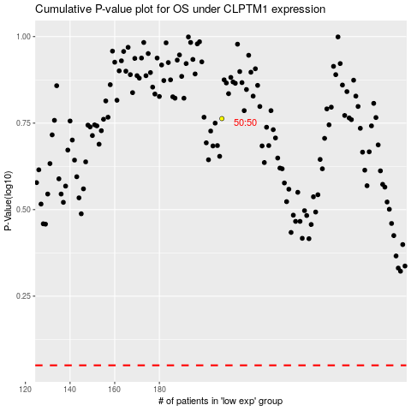

 |  |  |  |  |  | cases_OS | p_OS | rank | exp
 |  |  |  |  |  |  | cases_RFS | p_RFS | rank | exp

