CLPX _multivariate
Reported by Tex Li-Hsing Chi. tex@gate.sinica.edu.tw 2019-08-21

Table 2. The clinicopathological features of HNSCC cohort and CLPX expression. (Chi square test)
Cutoff at -0.08 (55.1%)
 |  | CLPX expression |  | CLPX expression |  | (Optimised)
 | Features | Low | (%) | High | (%) | Case no | P-value | Remark | Matthews
Gender | Female | 174 | 41.9 | 132 | 31.8 | 415 | 0.2274 | 0 | 0
2 | Male | 54 | 13 | 55 | 13.3
Age at diagnosis | <=65y | 156 | 37.6 | 118 | 28.4 | 415 | 0.301 | 0 | 0
4 | >65y | 72 | 17.3 | 69 | 16.6
Clinical T Status | T1+T2 | 84 | 20.2 | 65 | 15.7 | 415 | 0.7359 | 0 | 0
6 | T3+T4 | 144 | 34.7 | 122 | 29.4
Clinical N Status | N0 | 107 | 25.8 | 109 | 26.3 | 415 | 0.0274 | 1 | 0
8 | N1-3 | 121 | 29.2 | 78 | 18.8
Clinical M Status | M0 | 227 | 54.7 | 185 | 44.6 | 415 | 0.5908 | 0 | 0
10 | M1 | 1 | 0.2 | 2 | 0.5
Clinical Stage | Stage I+II | 55 | 13.3 | 47 | 11.3 | 415 | 0.9018 | 0 | 0
12 | Stage III+IV | 173 | 41.7 | 140 | 33.7
Surgical Margin status | Negative | 179 | 43.1 | 139 | 33.5 | 415 | 0.3516 | 0 | 0
14 | Positive | 49 | 11.8 | 48 | 11.6
Tobacco Exposure | Low | 91 | 21.9 | 70 | 16.9 | 415 | 0.6144 | 0 | 0
16 | High | 137 | 33 | 117 | 28.2

Table 3. Univariate/Multivariate Cox's proportional hazards regression analyses on OS time of CLPX gene expression in HNSCC

 |  | Univariate |  |  |  | Multivariate
 | Features | HR | CI95%(L) | CI95%(H) | P-value | HR | CI95%(L) | CI95%(H) | P-value
1 | Female | 1 |  |  |  | 1
Gender | Male | 1.157 | 0.843 | 1.587 | 0.367 | 1.18 | 0.844 | 1.648 | 0.333
11 | <=65y | 1 |  |  |  | 1
Age at diagnosis | >65y | 1.329 | 0.99 | 1.784 | 0.058 | 1.373 | 1.009 | 1.867 | 0.043
12 | T1+T2 | 1 |  |  |  | 1
Clinical T Status | T3+T4 | 1.409 | 1.028 | 1.931 | 0.033 | 2.213 | 1.169 | 4.189 | 0.015
13 | N0 | 1 |  |  |  | 1
Clinical N Status | N1-3 | 1.185 | 0.89 | 1.577 | 0.246 | 1.335 | 0.929 | 1.917 | 0.118
14 | M0 | 1 |  |  |  | 1
Clinical M Status | M1 | 4.097 | 1.009 | 16.644 | 0.049 | 8.705 | 1.895 | 39.987 | 0.005
15 | Stage I+II | 1 |  |  |  | 1
Clinical Stage | Stage III+IV | 1.245 | 0.882 | 1.759 | 0.213 | 0.488 | 0.227 | 1.05 | 0.067
16 | Negative | 1 |  |  |  | 1
Surgical Margin status | Positive | 1.591 | 1.155 | 2.191 | 0.004 | 1.654 | 1.196 | 2.288 | 0.002
17 | Low | 1 |  |  |  | 1
Tobacco Exposure | High | 1.364 | 1.008 | 1.844 | 0.044 | 1.475 | 1.069 | 2.035 | 0.018
18 | Low | 1 |  |  |  | 1
RNAseq(z-score) | High | 1.359 | 1.019 | 1.812 | 0.037 | 1.385 | 1.028 | 1.865 | 0.032

Table 4. Univariate/Multivariate Cox's proportional hazards regression analyses on RFS time of CLPX gene expression in HNSCC

 |  | Univariate |  |  |  | Multivariate
 | Features | HR | CI95%(L) | CI95%(H) | P-value | HR | CI95%(L) | CI95%(H) | P-value
1 | Female | 1 |  |  |  | 1
Gender | Male | 1.157 | 0.843 | 1.587 | 0.367 | 1.18 | 0.844 | 1.648 | 0.333
11 | <=65y | 1 |  |  |  | 1
Age at diagnosis | >65y | 1.329 | 0.99 | 1.784 | 0.058 | 1.373 | 1.009 | 1.867 | 0.043
12 | T1+T2 | 1 |  |  |  | 1
Clinical T Status | T3+T4 | 1.409 | 1.028 | 1.931 | 0.033 | 2.213 | 1.169 | 4.189 | 0.015
13 | N0 | 1 |  |  |  | 1
Clinical N Status | N1-3 | 1.185 | 0.89 | 1.577 | 0.246 | 1.335 | 0.929 | 1.917 | 0.118
14 | M0 | 1 |  |  |  | 1
Clinical M Status | M1 | 4.097 | 1.009 | 16.644 | 0.049 | 8.705 | 1.895 | 39.987 | 0.005
15 | Stage I+II | 1 |  |  |  | 1
Clinical Stage | Stage III+IV | 1.245 | 0.882 | 1.759 | 0.213 | 0.488 | 0.227 | 1.05 | 0.067
16 | Negative | 1 |  |  |  | 1
Surgical Margin status | Positive | 1.591 | 1.155 | 2.191 | 0.004 | 1.654 | 1.196 | 2.288 | 0.002
17 | Low | 1 |  |  |  | 1
Tobacco Exposure | High | 1.364 | 1.008 | 1.844 | 0.044 | 1.475 | 1.069 | 2.035 | 0.018
18 | Low | 1 |  |  |  | 1
RNAseq(z-score) | High | 1.359 | 1.019 | 1.812 | 0.037 | 1.385 | 1.028 | 1.865 | 0.032

Kaplan-Meier survival estimate: Cutoff at -0.08 (55.1%)



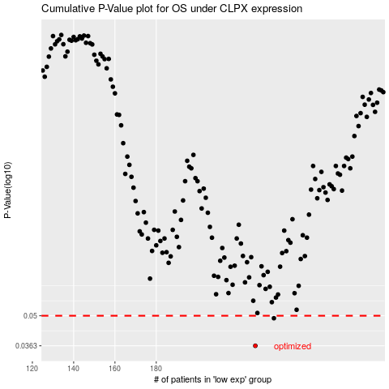

 |  |  |  |  |  | cases_OS | p_OS | rank | exp
 |  |  |  |  |  | 228 | 0.0363 | 370 | -0.079648128591
 |  |  |  |  |  | 237 | 0.0487 | 369 | -0.041047781186
 |  |  |  |  |  |  | cases_RFS | p_RFS | rank | exp
 |  |  |  |  |  |  | 227 | 0.0363 | 26 | -0.08137717604
 |  |  |  |  |  |  | 236 | 0.0487 | 407 | -0.048899107632

