CLSTN1 _multivariate
Reported by Tex Li-Hsing Chi. tex@gate.sinica.edu.tw 2019-08-21

Table 2. The clinicopathological features of HNSCC cohort and CLSTN1 expression. (Chi square test)
Cutoff at -0.1 (50.0%)
 |  | CLSTN1 expression |  | CLSTN1 expression |  | (Optimised)
 | Features | Low | (%) | High | (%) | Case no | P-value | Remark | Matthews
Gender | Female | 158 | 38.1 | 148 | 35.7 | 415 | 0.2774 | 0 | 0
2 | Male | 49 | 11.8 | 60 | 14.5
Age at diagnosis | <=65y | 131 | 31.6 | 143 | 34.5 | 415 | 0.2839 | 0 | 0
4 | >65y | 76 | 18.3 | 65 | 15.7
Clinical T Status | T1+T2 | 76 | 18.3 | 73 | 17.6 | 415 | 0.8092 | 0 | 0
6 | T3+T4 | 131 | 31.6 | 135 | 32.5
Clinical N Status | N0 | 101 | 24.3 | 115 | 27.7 | 415 | 0.2201 | 0 | 0
8 | N1-3 | 106 | 25.5 | 93 | 22.4
Clinical M Status | M0 | 205 | 49.4 | 207 | 49.9 | 415 | 0.6232 | 0 | 0
10 | M1 | 2 | 0.5 | 1 | 0.2
Clinical Stage | Stage I+II | 48 | 11.6 | 54 | 13 | 415 | 0.5878 | 0 | 0
12 | Stage III+IV | 159 | 38.3 | 154 | 37.1
Surgical Margin status | Negative | 148 | 35.7 | 170 | 41 | 415 | 0.015 | 1 | 0
14 | Positive | 59 | 14.2 | 38 | 9.2
Tobacco Exposure | Low | 84 | 20.2 | 77 | 18.6 | 415 | 0.4816 | 0 | 0
16 | High | 123 | 29.6 | 131 | 31.6

Table 3. Univariate/Multivariate Cox's proportional hazards regression analyses on OS time of CLSTN1 gene expression in HNSCC

 |  | Univariate |  |  |  | Multivariate
 | Features | HR | CI95%(L) | CI95%(H) | P-value | HR | CI95%(L) | CI95%(H) | P-value
1 | Female | 1 |  |  |  | 1
Gender | Male | 1.157 | 0.843 | 1.587 | 0.367 | 1.202 | 0.86 | 1.679 | 0.281
11 | <=65y | 1 |  |  |  | 1
Age at diagnosis | >65y | 1.329 | 0.99 | 1.784 | 0.058 | 1.391 | 1.023 | 1.893 | 0.035
12 | T1+T2 | 1 |  |  |  | 1
Clinical T Status | T3+T4 | 1.409 | 1.028 | 1.931 | 0.033 | 2.203 | 1.165 | 4.165 | 0.015
13 | N0 | 1 |  |  |  | 1
Clinical N Status | N1-3 | 1.185 | 0.89 | 1.577 | 0.246 | 1.24 | 0.867 | 1.774 | 0.238
14 | M0 | 1 |  |  |  | 1
Clinical M Status | M1 | 4.097 | 1.009 | 16.644 | 0.049 | 9.407 | 2.052 | 43.118 | 0.004
15 | Stage I+II | 1 |  |  |  | 1
Clinical Stage | Stage III+IV | 1.245 | 0.882 | 1.759 | 0.213 | 0.505 | 0.235 | 1.083 | 0.079
16 | Negative | 1 |  |  |  | 1
Surgical Margin status | Positive | 1.591 | 1.155 | 2.191 | 0.004 | 1.671 | 1.199 | 2.328 | 0.002
17 | Low | 1 |  |  |  | 1
Tobacco Exposure | High | 1.364 | 1.008 | 1.844 | 0.044 | 1.453 | 1.053 | 2.007 | 0.023
18 | Low | 1 |  |  |  | 1
RNAseq(z-score) | High | 0.926 | 0.695 | 1.233 | 0.598 | 0.998 | 0.739 | 1.348 | 0.988

Table 4. Univariate/Multivariate Cox's proportional hazards regression analyses on RFS time of CLSTN1 gene expression in HNSCC

 |  | Univariate |  |  |  | Multivariate
 | Features | HR | CI95%(L) | CI95%(H) | P-value | HR | CI95%(L) | CI95%(H) | P-value
1 | Female | 1 |  |  |  | 1
Gender | Male | 1.157 | 0.843 | 1.587 | 0.367 | 1.202 | 0.86 | 1.679 | 0.281
11 | <=65y | 1 |  |  |  | 1
Age at diagnosis | >65y | 1.329 | 0.99 | 1.784 | 0.058 | 1.391 | 1.023 | 1.893 | 0.035
12 | T1+T2 | 1 |  |  |  | 1
Clinical T Status | T3+T4 | 1.409 | 1.028 | 1.931 | 0.033 | 2.203 | 1.165 | 4.165 | 0.015
13 | N0 | 1 |  |  |  | 1
Clinical N Status | N1-3 | 1.185 | 0.89 | 1.577 | 0.246 | 1.24 | 0.867 | 1.774 | 0.238
14 | M0 | 1 |  |  |  | 1
Clinical M Status | M1 | 4.097 | 1.009 | 16.644 | 0.049 | 9.407 | 2.052 | 43.118 | 0.004
15 | Stage I+II | 1 |  |  |  | 1
Clinical Stage | Stage III+IV | 1.245 | 0.882 | 1.759 | 0.213 | 0.505 | 0.235 | 1.083 | 0.079
16 | Negative | 1 |  |  |  | 1
Surgical Margin status | Positive | 1.591 | 1.155 | 2.191 | 0.004 | 1.671 | 1.199 | 2.328 | 0.002
17 | Low | 1 |  |  |  | 1
Tobacco Exposure | High | 1.364 | 1.008 | 1.844 | 0.044 | 1.453 | 1.053 | 2.007 | 0.023
18 | Low | 1 |  |  |  | 1
RNAseq(z-score) | High | 0.926 | 0.695 | 1.233 | 0.598 | 0.998 | 0.739 | 1.348 | 0.988

Kaplan-Meier survival estimate: Cutoff at -0.1 (50.0%)



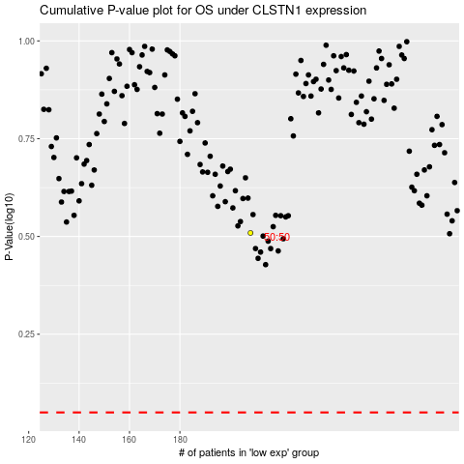

 |  |  |  |  |  | cases_OS | p_OS | rank | exp
 |  |  |  |  |  |  | cases_RFS | p_RFS | rank | exp

