CLSTN3 _multivariate
Reported by Tex Li-Hsing Chi. tex@gate.sinica.edu.tw 2019-08-21

Table 2. The clinicopathological features of HNSCC cohort and CLSTN3 expression. (Chi square test)
Cutoff at -0.333 (42.0%)
 |  | CLSTN3 expression |  | CLSTN3 expression |  | (Optimised)
 | Features | Low | (%) | High | (%) | Case no | P-value | Remark | Matthews
Gender | Female | 120 | 28.9 | 186 | 44.8 | 415 | 0.0538 | 0 | 0
2 | Male | 55 | 13.3 | 54 | 13
Age at diagnosis | <=65y | 121 | 29.2 | 153 | 36.9 | 415 | 0.2981 | 0 | 0
4 | >65y | 54 | 13 | 87 | 21
Clinical T Status | T1+T2 | 60 | 14.5 | 89 | 21.4 | 415 | 0.629 | 0 | 0
6 | T3+T4 | 115 | 27.7 | 151 | 36.4
Clinical N Status | N0 | 86 | 20.7 | 130 | 31.3 | 415 | 0.3617 | 0 | 0
8 | N1-3 | 89 | 21.4 | 110 | 26.5
Clinical M Status | M0 | 174 | 41.9 | 238 | 57.3 | 415 | 1 | 0 | 0
10 | M1 | 1 | 0.2 | 2 | 0.5
Clinical Stage | Stage I+II | 41 | 9.9 | 61 | 14.7 | 415 | 0.727 | 0 | 0
12 | Stage III+IV | 134 | 32.3 | 179 | 43.1
Surgical Margin status | Negative | 132 | 31.8 | 186 | 44.8 | 415 | 0.6399 | 0 | 0
14 | Positive | 43 | 10.4 | 54 | 13
Tobacco Exposure | Low | 75 | 18.1 | 86 | 20.7 | 415 | 0.1545 | 0 | 0
16 | High | 100 | 24.1 | 154 | 37.1

Table 3. Univariate/Multivariate Cox's proportional hazards regression analyses on OS time of CLSTN3 gene expression in HNSCC

 |  | Univariate |  |  |  | Multivariate
 | Features | HR | CI95%(L) | CI95%(H) | P-value | HR | CI95%(L) | CI95%(H) | P-value
1 | Female | 1 |  |  |  | 1
Gender | Male | 1.157 | 0.843 | 1.587 | 0.367 | 1.153 | 0.824 | 1.613 | 0.406
11 | <=65y | 1 |  |  |  | 1
Age at diagnosis | >65y | 1.329 | 0.99 | 1.784 | 0.058 | 1.445 | 1.06 | 1.968 | 0.02
12 | T1+T2 | 1 |  |  |  | 1
Clinical T Status | T3+T4 | 1.409 | 1.028 | 1.931 | 0.033 | 2.181 | 1.154 | 4.123 | 0.016
13 | N0 | 1 |  |  |  | 1
Clinical N Status | N1-3 | 1.185 | 0.89 | 1.577 | 0.246 | 1.211 | 0.849 | 1.728 | 0.291
14 | M0 | 1 |  |  |  | 1
Clinical M Status | M1 | 4.097 | 1.009 | 16.644 | 0.049 | 9.543 | 2.081 | 43.771 | 0.004
15 | Stage I+II | 1 |  |  |  | 1
Clinical Stage | Stage III+IV | 1.245 | 0.882 | 1.759 | 0.213 | 0.51 | 0.238 | 1.094 | 0.084
16 | Negative | 1 |  |  |  | 1
Surgical Margin status | Positive | 1.591 | 1.155 | 2.191 | 0.004 | 1.701 | 1.23 | 2.353 | 0.001
17 | Low | 1 |  |  |  | 1
Tobacco Exposure | High | 1.364 | 1.008 | 1.844 | 0.044 | 1.517 | 1.097 | 2.096 | 0.012
18 | Low | 1 |  |  |  | 1
RNAseq(z-score) | High | 0.747 | 0.56 | 0.996 | 0.047 | 0.706 | 0.525 | 0.949 | 0.021

Table 4. Univariate/Multivariate Cox's proportional hazards regression analyses on RFS time of CLSTN3 gene expression in HNSCC

 |  | Univariate |  |  |  | Multivariate
 | Features | HR | CI95%(L) | CI95%(H) | P-value | HR | CI95%(L) | CI95%(H) | P-value
1 | Female | 1 |  |  |  | 1
Gender | Male | 1.157 | 0.843 | 1.587 | 0.367 | 1.153 | 0.824 | 1.613 | 0.406
11 | <=65y | 1 |  |  |  | 1
Age at diagnosis | >65y | 1.329 | 0.99 | 1.784 | 0.058 | 1.445 | 1.06 | 1.968 | 0.02
12 | T1+T2 | 1 |  |  |  | 1
Clinical T Status | T3+T4 | 1.409 | 1.028 | 1.931 | 0.033 | 2.181 | 1.154 | 4.123 | 0.016
13 | N0 | 1 |  |  |  | 1
Clinical N Status | N1-3 | 1.185 | 0.89 | 1.577 | 0.246 | 1.211 | 0.849 | 1.728 | 0.291
14 | M0 | 1 |  |  |  | 1
Clinical M Status | M1 | 4.097 | 1.009 | 16.644 | 0.049 | 9.543 | 2.081 | 43.771 | 0.004
15 | Stage I+II | 1 |  |  |  | 1
Clinical Stage | Stage III+IV | 1.245 | 0.882 | 1.759 | 0.213 | 0.51 | 0.238 | 1.094 | 0.084
16 | Negative | 1 |  |  |  | 1
Surgical Margin status | Positive | 1.591 | 1.155 | 2.191 | 0.004 | 1.701 | 1.23 | 2.353 | 0.001
17 | Low | 1 |  |  |  | 1
Tobacco Exposure | High | 1.364 | 1.008 | 1.844 | 0.044 | 1.517 | 1.097 | 2.096 | 0.012
18 | Low | 1 |  |  |  | 1
RNAseq(z-score) | High | 0.747 | 0.56 | 0.996 | 0.047 | 0.706 | 0.525 | 0.949 | 0.021

Kaplan-Meier survival estimate: Cutoff at -0.333 (42.0%)



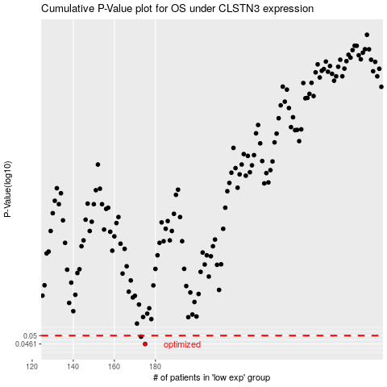

 |  |  |  |  |  | cases_OS | p_OS | rank | exp
 |  |  |  |  |  | 175 | 0.0461 | 190 | -0.33345784931
 |  |  |  |  |  | 173 | 0.0495 | 350 | -0.35858370045
 |  |  |  |  |  |  | cases_RFS | p_RFS | rank | exp
 |  |  |  |  |  |  | 174 | 0.0461 | 409 | -0.34917140016
 |  |  |  |  |  |  | 172 | 0.0495 | 276 | -0.35903924763

