CLTA _multivariate
Reported by Tex Li-Hsing Chi. tex@gate.sinica.edu.tw 2019-08-21

Table 2. The clinicopathological features of HNSCC cohort and CLTA expression. (Chi square test)
Cutoff at -0.308 (45.7%)
 |  | CLTA expression |  | CLTA expression |  | (Optimised)
 | Features | Low | (%) | High | (%) | Case no | P-value | Remark | Matthews
Gender | Female | 144 | 34.7 | 162 | 39 | 415 | 0.3537 | 0 | 0
2 | Male | 45 | 10.8 | 64 | 15.4
Age at diagnosis | <=65y | 134 | 32.3 | 140 | 33.7 | 415 | 0.0697 | 0 | 0
4 | >65y | 55 | 13.3 | 86 | 20.7
Clinical T Status | T1+T2 | 64 | 15.4 | 85 | 20.5 | 415 | 0.4902 | 0 | 0
6 | T3+T4 | 125 | 30.1 | 141 | 34
Clinical N Status | N0 | 93 | 22.4 | 123 | 29.6 | 415 | 0.3365 | 0 | 0
8 | N1-3 | 96 | 23.1 | 103 | 24.8
Clinical M Status | M0 | 189 | 45.5 | 223 | 53.7 | 415 | 0.2542 | 0 | 0
10 | M1 | 0 | 0 | 3 | 0.7
Clinical Stage | Stage I+II | 40 | 9.6 | 62 | 14.9 | 415 | 0.1729 | 0 | 0
12 | Stage III+IV | 149 | 35.9 | 164 | 39.5
Surgical Margin status | Negative | 149 | 35.9 | 169 | 40.7 | 415 | 0.3531 | 0 | 0
14 | Positive | 40 | 9.6 | 57 | 13.7
Tobacco Exposure | Low | 63 | 15.2 | 98 | 23.6 | 415 | 0.0431 | 1 | 0
16 | High | 126 | 30.4 | 128 | 30.8

Table 3. Univariate/Multivariate Cox's proportional hazards regression analyses on OS time of CLTA gene expression in HNSCC

 |  | Univariate |  |  |  | Multivariate
 | Features | HR | CI95%(L) | CI95%(H) | P-value | HR | CI95%(L) | CI95%(H) | P-value
1 | Female | 1 |  |  |  | 1
Gender | Male | 1.157 | 0.843 | 1.587 | 0.367 | 1.174 | 0.839 | 1.643 | 0.349
11 | <=65y | 1 |  |  |  | 1
Age at diagnosis | >65y | 1.329 | 0.99 | 1.784 | 0.058 | 1.368 | 1.006 | 1.861 | 0.045
12 | T1+T2 | 1 |  |  |  | 1
Clinical T Status | T3+T4 | 1.409 | 1.028 | 1.931 | 0.033 | 2.124 | 1.122 | 4.022 | 0.021
13 | N0 | 1 |  |  |  | 1
Clinical N Status | N1-3 | 1.185 | 0.89 | 1.577 | 0.246 | 1.24 | 0.87 | 1.769 | 0.234
14 | M0 | 1 |  |  |  | 1
Clinical M Status | M1 | 4.097 | 1.009 | 16.644 | 0.049 | 7.972 | 1.721 | 36.925 | 0.008
15 | Stage I+II | 1 |  |  |  | 1
Clinical Stage | Stage III+IV | 1.245 | 0.882 | 1.759 | 0.213 | 0.537 | 0.25 | 1.156 | 0.112
16 | Negative | 1 |  |  |  | 1
Surgical Margin status | Positive | 1.591 | 1.155 | 2.191 | 0.004 | 1.609 | 1.162 | 2.229 | 0.004
17 | Low | 1 |  |  |  | 1
Tobacco Exposure | High | 1.364 | 1.008 | 1.844 | 0.044 | 1.476 | 1.069 | 2.037 | 0.018
18 | Low | 1 |  |  |  | 1
RNAseq(z-score) | High | 1.378 | 1.031 | 1.841 | 0.03 | 1.297 | 0.962 | 1.749 | 0.088

Table 4. Univariate/Multivariate Cox's proportional hazards regression analyses on RFS time of CLTA gene expression in HNSCC

 |  | Univariate |  |  |  | Multivariate
 | Features | HR | CI95%(L) | CI95%(H) | P-value | HR | CI95%(L) | CI95%(H) | P-value
1 | Female | 1 |  |  |  | 1
Gender | Male | 1.157 | 0.843 | 1.587 | 0.367 | 1.174 | 0.839 | 1.643 | 0.349
11 | <=65y | 1 |  |  |  | 1
Age at diagnosis | >65y | 1.329 | 0.99 | 1.784 | 0.058 | 1.368 | 1.006 | 1.861 | 0.045
12 | T1+T2 | 1 |  |  |  | 1
Clinical T Status | T3+T4 | 1.409 | 1.028 | 1.931 | 0.033 | 2.124 | 1.122 | 4.022 | 0.021
13 | N0 | 1 |  |  |  | 1
Clinical N Status | N1-3 | 1.185 | 0.89 | 1.577 | 0.246 | 1.24 | 0.87 | 1.769 | 0.234
14 | M0 | 1 |  |  |  | 1
Clinical M Status | M1 | 4.097 | 1.009 | 16.644 | 0.049 | 7.972 | 1.721 | 36.925 | 0.008
15 | Stage I+II | 1 |  |  |  | 1
Clinical Stage | Stage III+IV | 1.245 | 0.882 | 1.759 | 0.213 | 0.537 | 0.25 | 1.156 | 0.112
16 | Negative | 1 |  |  |  | 1
Surgical Margin status | Positive | 1.591 | 1.155 | 2.191 | 0.004 | 1.609 | 1.162 | 2.229 | 0.004
17 | Low | 1 |  |  |  | 1
Tobacco Exposure | High | 1.364 | 1.008 | 1.844 | 0.044 | 1.476 | 1.069 | 2.037 | 0.018
18 | Low | 1 |  |  |  | 1
RNAseq(z-score) | High | 1.378 | 1.031 | 1.841 | 0.03 | 1.297 | 0.962 | 1.749 | 0.088

Kaplan-Meier survival estimate: Cutoff at -0.308 (45.7%)

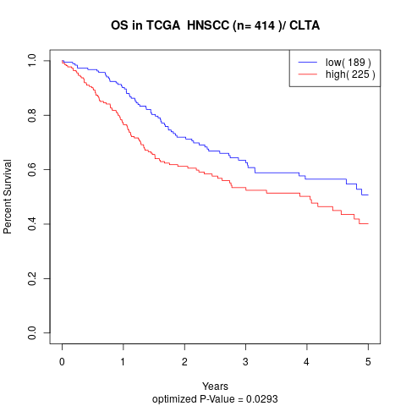

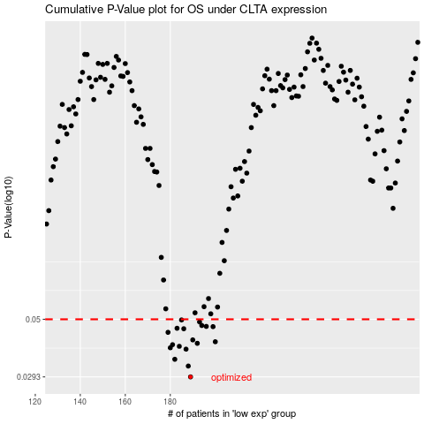

 |  |  |  |  |  | cases_OS | p_OS | rank | exp
 |  |  |  |  |  | 189 | 0.0293 | 115 | -0.30820906111
 |  |  |  |  |  | 188 | 0.0324 | 332 | -0.31328340839
 |  |  |  |  |  | 182 | 0.0345 | 207 | -0.32089952232
 |  |  |  |  |  | 187 | 0.0379 | 162 | -0.31489792958
 |  |  |  |  |  | 180 | 0.0384 | 10 | -0.32135278454
 |  |  |  |  |  | 184 | 0.0389 | 65 | -0.31845238453
 |  |  |  |  |  | 181 | 0.0395 | 16 | -0.32121243516
 |  |  |  |  |  | 192 | 0.04 | 405 | -0.29935157245
 |  |  |  |  |  | 200 | 0.0406 | 21 | -0.28271027206
 |  |  |  |  |  | 190 | 0.0413 | 208 | -0.30542279459
 |  |  |  |  |  | 179 | 0.0443 | 5 | -0.32697347092
 |  |  |  |  |  | 186 | 0.0458 | 119 | -0.31535567995
 |  |  |  |  |  | 183 | 0.046 | 136 | -0.31845683074
 |  |  |  |  |  | 199 | 0.0467 | 330 | -0.28391796461
 |  |  |  |  |  | 196 | 0.0468 | 123 | -0.29219828429
 |  |  |  |  |  | 194 | 0.0472 | 209 | -0.29381779698
 |  |  |  |  |  | 193 | 0.0488 | 391 | -0.29715338073
 |  |  |  |  |  | 185 | 0.0497 | 238 | -0.31794341879
 |  |  |  |  |  |  | cases_RFS | p_RFS | rank | exp
 |  |  |  |  |  |  | 188 | 0.0293 | 332 | -0.31328340839
 |  |  |  |  |  |  | 187 | 0.0324 | 162 | -0.31489792958
 |  |  |  |  |  |  | 181 | 0.0345 | 16 | -0.32121243516
 |  |  |  |  |  |  | 186 | 0.0379 | 119 | -0.31535567995
 |  |  |  |  |  |  | 179 | 0.0384 | 5 | -0.32697347092
 |  |  |  |  |  |  | 183 | 0.0389 | 136 | -0.31845683074
 |  |  |  |  |  |  | 180 | 0.0395 | 10 | -0.32135278454
 |  |  |  |  |  |  | 191 | 0.04 | 396 | -0.3026733981
 |  |  |  |  |  |  | 199 | 0.0406 | 330 | -0.28391796461
 |  |  |  |  |  |  | 189 | 0.0413 | 115 | -0.30820906111
 |  |  |  |  |  |  | 178 | 0.0443 | 165 | -0.32786577585
 |  |  |  |  |  |  | 185 | 0.0458 | 238 | -0.31794341879
 |  |  |  |  |  |  | 182 | 0.046 | 207 | -0.32089952232
 |  |  |  |  |  |  | 198 | 0.0467 | 309 | -0.28460175886
 |  |  |  |  |  |  | 195 | 0.0468 | 324 | -0.29223821633
 |  |  |  |  |  |  | 193 | 0.0472 | 391 | -0.29715338073
 |  |  |  |  |  |  | 192 | 0.0488 | 405 | -0.29935157245
 |  |  |  |  |  |  | 184 | 0.0497 | 65 | -0.31845238453

