CLTCL1 _multivariate
Reported by Tex Li-Hsing Chi. tex@gate.sinica.edu.tw 2019-08-21

Table 2. The clinicopathological features of HNSCC cohort and CLTCL1 expression. (Chi square test)
Cutoff at -0.004 (68.4%)
 |  | CLTCL1 expression |  | CLTCL1 expression |  | (Optimised)
 | Features | Low | (%) | High | (%) | Case no | P-value | Remark | Matthews
Gender | Female | 212 | 51.1 | 94 | 22.7 | 415 | 0.4979 | 0 | 0
2 | Male | 71 | 17.1 | 38 | 9.2
Age at diagnosis | <=65y | 190 | 45.8 | 84 | 20.2 | 415 | 0.5551 | 0 | 0
4 | >65y | 93 | 22.4 | 48 | 11.6
Clinical T Status | T1+T2 | 103 | 24.8 | 46 | 11.1 | 415 | 0.8445 | 0 | 0
6 | T3+T4 | 180 | 43.4 | 86 | 20.7
Clinical N Status | N0 | 141 | 34 | 75 | 18.1 | 415 | 0.2214 | 0 | 0
8 | N1-3 | 142 | 34.2 | 57 | 13.7
Clinical M Status | M0 | 280 | 67.5 | 132 | 31.8 | 415 | 0.5546 | 0 | 0
10 | M1 | 3 | 0.7 | 0 | 0
Clinical Stage | Stage I+II | 65 | 15.7 | 37 | 8.9 | 415 | 0.3207 | 0 | 0
12 | Stage III+IV | 218 | 52.5 | 95 | 22.9
Surgical Margin status | Negative | 210 | 50.6 | 108 | 26 | 415 | 0.1053 | 0 | 0
14 | Positive | 73 | 17.6 | 24 | 5.8
Tobacco Exposure | Low | 115 | 27.7 | 46 | 11.1 | 415 | 0.2805 | 0 | 0
16 | High | 168 | 40.5 | 86 | 20.7

Table 3. Univariate/Multivariate Cox's proportional hazards regression analyses on OS time of CLTCL1 gene expression in HNSCC

 |  | Univariate |  |  |  | Multivariate
 | Features | HR | CI95%(L) | CI95%(H) | P-value | HR | CI95%(L) | CI95%(H) | P-value
1 | Female | 1 |  |  |  | 1
Gender | Male | 1.157 | 0.843 | 1.587 | 0.367 | 1.213 | 0.867 | 1.696 | 0.26
11 | <=65y | 1 |  |  |  | 1
Age at diagnosis | >65y | 1.329 | 0.99 | 1.784 | 0.058 | 1.4 | 1.031 | 1.903 | 0.031
12 | T1+T2 | 1 |  |  |  | 1
Clinical T Status | T3+T4 | 1.409 | 1.028 | 1.931 | 0.033 | 2.099 | 1.108 | 3.976 | 0.023
13 | N0 | 1 |  |  |  | 1
Clinical N Status | N1-3 | 1.185 | 0.89 | 1.577 | 0.246 | 1.253 | 0.877 | 1.789 | 0.215
14 | M0 | 1 |  |  |  | 1
Clinical M Status | M1 | 4.097 | 1.009 | 16.644 | 0.049 | 10.069 | 2.194 | 46.21 | 0.003
15 | Stage I+II | 1 |  |  |  | 1
Clinical Stage | Stage III+IV | 1.245 | 0.882 | 1.759 | 0.213 | 0.525 | 0.245 | 1.128 | 0.099
16 | Negative | 1 |  |  |  | 1
Surgical Margin status | Positive | 1.591 | 1.155 | 2.191 | 0.004 | 1.71 | 1.237 | 2.364 | 0.001
17 | Low | 1 |  |  |  | 1
Tobacco Exposure | High | 1.364 | 1.008 | 1.844 | 0.044 | 1.41 | 1.022 | 1.944 | 0.036
18 | Low | 1 |  |  |  | 1
RNAseq(z-score) | High | 1.379 | 1.024 | 1.855 | 0.034 | 1.391 | 1.029 | 1.882 | 0.032

Table 4. Univariate/Multivariate Cox's proportional hazards regression analyses on RFS time of CLTCL1 gene expression in HNSCC

 |  | Univariate |  |  |  | Multivariate
 | Features | HR | CI95%(L) | CI95%(H) | P-value | HR | CI95%(L) | CI95%(H) | P-value
1 | Female | 1 |  |  |  | 1
Gender | Male | 1.157 | 0.843 | 1.587 | 0.367 | 1.213 | 0.867 | 1.696 | 0.26
11 | <=65y | 1 |  |  |  | 1
Age at diagnosis | >65y | 1.329 | 0.99 | 1.784 | 0.058 | 1.4 | 1.031 | 1.903 | 0.031
12 | T1+T2 | 1 |  |  |  | 1
Clinical T Status | T3+T4 | 1.409 | 1.028 | 1.931 | 0.033 | 2.099 | 1.108 | 3.976 | 0.023
13 | N0 | 1 |  |  |  | 1
Clinical N Status | N1-3 | 1.185 | 0.89 | 1.577 | 0.246 | 1.253 | 0.877 | 1.789 | 0.215
14 | M0 | 1 |  |  |  | 1
Clinical M Status | M1 | 4.097 | 1.009 | 16.644 | 0.049 | 10.069 | 2.194 | 46.21 | 0.003
15 | Stage I+II | 1 |  |  |  | 1
Clinical Stage | Stage III+IV | 1.245 | 0.882 | 1.759 | 0.213 | 0.525 | 0.245 | 1.128 | 0.099
16 | Negative | 1 |  |  |  | 1
Surgical Margin status | Positive | 1.591 | 1.155 | 2.191 | 0.004 | 1.71 | 1.237 | 2.364 | 0.001
17 | Low | 1 |  |  |  | 1
Tobacco Exposure | High | 1.364 | 1.008 | 1.844 | 0.044 | 1.41 | 1.022 | 1.944 | 0.036
18 | Low | 1 |  |  |  | 1
RNAseq(z-score) | High | 1.379 | 1.024 | 1.855 | 0.034 | 1.391 | 1.029 | 1.882 | 0.032

Kaplan-Meier survival estimate: Cutoff at -0.004 (68.4%)



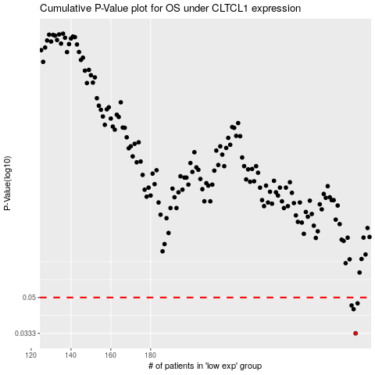

 |  |  |  |  |  | cases_OS | p_OS | rank | exp
 |  |  |  |  |  | 283 | 0.0333 | 70 | -0.00352637501
 |  |  |  |  |  | 282 | 0.0438 | 189 | -0.0083381083776
 |  |  |  |  |  | 281 | 0.0457 | 356 | -0.0096873034169
 |  |  |  |  |  | 284 | 0.0468 | 257 | -0.0030877922164
 |  |  |  |  |  |  | cases_RFS | p_RFS | rank | exp
 |  |  |  |  |  |  | 282 | 0.0333 | 189 | -0.0083381083776
 |  |  |  |  |  |  | 281 | 0.0438 | 356 | -0.0096873034169
 |  |  |  |  |  |  | 280 | 0.0457 | 270 | -0.011610756001
 |  |  |  |  |  |  | 283 | 0.0468 | 70 | -0.00352637501

