CLVS1 _multivariate
Reported by Tex Li-Hsing Chi. tex@gate.sinica.edu.tw 2019-08-21

Table 2. The clinicopathological features of HNSCC cohort and CLVS1 expression. (Chi square test)
Cutoff at -0.176 (53.6%)
 |  | CLVS1 expression |  | CLVS1 expression |  | (Optimised)
 | Features | Low | (%) | High | (%) | Case no | P-value | Remark | Matthews
Gender | Female | 166 | 40 | 140 | 33.7 | 415 | 0.6859 | 0 | 0
2 | Male | 56 | 13.5 | 53 | 12.8
Age at diagnosis | <=65y | 140 | 33.7 | 134 | 32.3 | 415 | 0.2069 | 0 | 0
4 | >65y | 82 | 19.8 | 59 | 14.2
Clinical T Status | T1+T2 | 81 | 19.5 | 68 | 16.4 | 415 | 0.8706 | 0 | 0
6 | T3+T4 | 141 | 34 | 125 | 30.1
Clinical N Status | N0 | 115 | 27.7 | 101 | 24.3 | 415 | 0.9926 | 0 | 0
8 | N1-3 | 107 | 25.8 | 92 | 22.2
Clinical M Status | M0 | 221 | 53.3 | 191 | 46 | 415 | 0.5997 | 0 | 0
10 | M1 | 1 | 0.2 | 2 | 0.5
Clinical Stage | Stage I+II | 57 | 13.7 | 45 | 10.8 | 415 | 0.6581 | 0 | 0
12 | Stage III+IV | 165 | 39.8 | 148 | 35.7
Surgical Margin status | Negative | 174 | 41.9 | 144 | 34.7 | 415 | 0.4159 | 0 | 0
14 | Positive | 48 | 11.6 | 49 | 11.8
Tobacco Exposure | Low | 83 | 20 | 78 | 18.8 | 415 | 0.5457 | 0 | 0
16 | High | 139 | 33.5 | 115 | 27.7

Table 3. Univariate/Multivariate Cox's proportional hazards regression analyses on OS time of CLVS1 gene expression in HNSCC

 |  | Univariate |  |  |  | Multivariate
 | Features | HR | CI95%(L) | CI95%(H) | P-value | HR | CI95%(L) | CI95%(H) | P-value
1 | Female | 1 |  |  |  | 1
Gender | Male | 1.157 | 0.843 | 1.587 | 0.367 | 1.242 | 0.888 | 1.739 | 0.206
11 | <=65y | 1 |  |  |  | 1
Age at diagnosis | >65y | 1.329 | 0.99 | 1.784 | 0.058 | 1.37 | 1.007 | 1.864 | 0.045
12 | T1+T2 | 1 |  |  |  | 1
Clinical T Status | T3+T4 | 1.409 | 1.028 | 1.931 | 0.033 | 2.265 | 1.197 | 4.284 | 0.012
13 | N0 | 1 |  |  |  | 1
Clinical N Status | N1-3 | 1.185 | 0.89 | 1.577 | 0.246 | 1.257 | 0.88 | 1.795 | 0.21
14 | M0 | 1 |  |  |  | 1
Clinical M Status | M1 | 4.097 | 1.009 | 16.644 | 0.049 | 10.19 | 2.217 | 46.835 | 0.003
15 | Stage I+II | 1 |  |  |  | 1
Clinical Stage | Stage III+IV | 1.245 | 0.882 | 1.759 | 0.213 | 0.487 | 0.227 | 1.047 | 0.065
16 | Negative | 1 |  |  |  | 1
Surgical Margin status | Positive | 1.591 | 1.155 | 2.191 | 0.004 | 1.737 | 1.255 | 2.405 | 0.001
17 | Low | 1 |  |  |  | 1
Tobacco Exposure | High | 1.364 | 1.008 | 1.844 | 0.044 | 1.425 | 1.033 | 1.965 | 0.031
18 | Low | 1 |  |  |  | 1
RNAseq(z-score) | High | 0.739 | 0.551 | 0.99 | 0.043 | 0.716 | 0.532 | 0.964 | 0.028

Table 4. Univariate/Multivariate Cox's proportional hazards regression analyses on RFS time of CLVS1 gene expression in HNSCC

 |  | Univariate |  |  |  | Multivariate
 | Features | HR | CI95%(L) | CI95%(H) | P-value | HR | CI95%(L) | CI95%(H) | P-value
1 | Female | 1 |  |  |  | 1
Gender | Male | 1.157 | 0.843 | 1.587 | 0.367 | 1.242 | 0.888 | 1.739 | 0.206
11 | <=65y | 1 |  |  |  | 1
Age at diagnosis | >65y | 1.329 | 0.99 | 1.784 | 0.058 | 1.37 | 1.007 | 1.864 | 0.045
12 | T1+T2 | 1 |  |  |  | 1
Clinical T Status | T3+T4 | 1.409 | 1.028 | 1.931 | 0.033 | 2.265 | 1.197 | 4.284 | 0.012
13 | N0 | 1 |  |  |  | 1
Clinical N Status | N1-3 | 1.185 | 0.89 | 1.577 | 0.246 | 1.257 | 0.88 | 1.795 | 0.21
14 | M0 | 1 |  |  |  | 1
Clinical M Status | M1 | 4.097 | 1.009 | 16.644 | 0.049 | 10.19 | 2.217 | 46.835 | 0.003
15 | Stage I+II | 1 |  |  |  | 1
Clinical Stage | Stage III+IV | 1.245 | 0.882 | 1.759 | 0.213 | 0.487 | 0.227 | 1.047 | 0.065
16 | Negative | 1 |  |  |  | 1
Surgical Margin status | Positive | 1.591 | 1.155 | 2.191 | 0.004 | 1.737 | 1.255 | 2.405 | 0.001
17 | Low | 1 |  |  |  | 1
Tobacco Exposure | High | 1.364 | 1.008 | 1.844 | 0.044 | 1.425 | 1.033 | 1.965 | 0.031
18 | Low | 1 |  |  |  | 1
RNAseq(z-score) | High | 0.739 | 0.551 | 0.99 | 0.043 | 0.716 | 0.532 | 0.964 | 0.028

Kaplan-Meier survival estimate: Cutoff at -0.176 (53.6%)



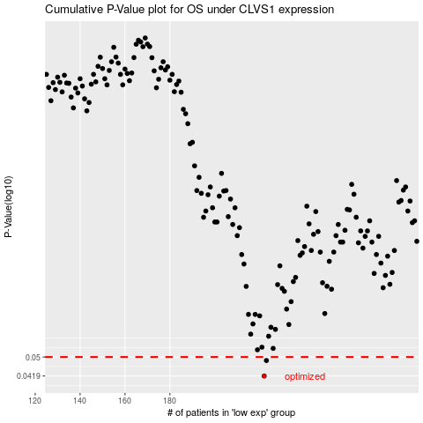

 |  |  |  |  |  | cases_OS | p_OS | rank | exp
 |  |  |  |  |  | 222 | 0.0419 | 5 | -0.17631486965
 |  |  |  |  |  | 223 | 0.0484 | 363 | -0.17601374715
 |  |  |  |  |  |  | cases_RFS | p_RFS | rank | exp
 |  |  |  |  |  |  | 221 | 0.0419 | 58 | -0.17642814906
 |  |  |  |  |  |  | 222 | 0.0484 | 5 | -0.17631486965

