CMAS _multivariate
Reported by Tex Li-Hsing Chi. tex@gate.sinica.edu.tw 2019-08-21

Table 2. The clinicopathological features of HNSCC cohort and CMAS expression. (Chi square test)
Cutoff at -0.203 (50.0%)
 |  | CMAS expression |  | CMAS expression |  | (Optimised)
 | Features | Low | (%) | High | (%) | Case no | P-value | Remark | Matthews
Gender | Female | 159 | 38.3 | 147 | 35.4 | 415 | 0.1905 | 0 | 0
2 | Male | 48 | 11.6 | 61 | 14.7
Age at diagnosis | <=65y | 136 | 32.8 | 138 | 33.3 | 415 | 0.9719 | 0 | 0
4 | >65y | 71 | 17.1 | 70 | 16.9
Clinical T Status | T1+T2 | 79 | 19 | 70 | 16.9 | 415 | 0.3924 | 0 | 0
6 | T3+T4 | 128 | 30.8 | 138 | 33.3
Clinical N Status | N0 | 102 | 24.6 | 114 | 27.5 | 415 | 0.3031 | 0 | 0
8 | N1-3 | 105 | 25.3 | 94 | 22.7
Clinical M Status | M0 | 206 | 49.6 | 206 | 49.6 | 415 | 1 | 0 | 0
10 | M1 | 1 | 0.2 | 2 | 0.5
Clinical Stage | Stage I+II | 49 | 11.8 | 53 | 12.8 | 415 | 0.7535 | 0 | 0
12 | Stage III+IV | 158 | 38.1 | 155 | 37.3
Surgical Margin status | Negative | 157 | 37.8 | 161 | 38.8 | 415 | 0.729 | 0 | 0
14 | Positive | 50 | 12 | 47 | 11.3
Tobacco Exposure | Low | 78 | 18.8 | 83 | 20 | 415 | 0.6873 | 0 | 0
16 | High | 129 | 31.1 | 125 | 30.1

Table 3. Univariate/Multivariate Cox's proportional hazards regression analyses on OS time of CMAS gene expression in HNSCC

 |  | Univariate |  |  |  | Multivariate
 | Features | HR | CI95%(L) | CI95%(H) | P-value | HR | CI95%(L) | CI95%(H) | P-value
1 | Female | 1 |  |  |  | 1
Gender | Male | 1.157 | 0.843 | 1.587 | 0.367 | 1.194 | 0.853 | 1.671 | 0.301
11 | <=65y | 1 |  |  |  | 1
Age at diagnosis | >65y | 1.329 | 0.99 | 1.784 | 0.058 | 1.398 | 1.028 | 1.901 | 0.033
12 | T1+T2 | 1 |  |  |  | 1
Clinical T Status | T3+T4 | 1.409 | 1.028 | 1.931 | 0.033 | 2.196 | 1.161 | 4.154 | 0.016
13 | N0 | 1 |  |  |  | 1
Clinical N Status | N1-3 | 1.185 | 0.89 | 1.577 | 0.246 | 1.245 | 0.873 | 1.777 | 0.227
14 | M0 | 1 |  |  |  | 1
Clinical M Status | M1 | 4.097 | 1.009 | 16.644 | 0.049 | 9.292 | 2.025 | 42.646 | 0.004
15 | Stage I+II | 1 |  |  |  | 1
Clinical Stage | Stage III+IV | 1.245 | 0.882 | 1.759 | 0.213 | 0.506 | 0.236 | 1.086 | 0.08
16 | Negative | 1 |  |  |  | 1
Surgical Margin status | Positive | 1.591 | 1.155 | 2.191 | 0.004 | 1.673 | 1.211 | 2.312 | 0.002
17 | Low | 1 |  |  |  | 1
Tobacco Exposure | High | 1.364 | 1.008 | 1.844 | 0.044 | 1.447 | 1.049 | 1.995 | 0.024
18 | Low | 1 |  |  |  | 1
RNAseq(z-score) | High | 1.064 | 0.799 | 1.416 | 0.673 | 1.058 | 0.792 | 1.414 | 0.701

Table 4. Univariate/Multivariate Cox's proportional hazards regression analyses on RFS time of CMAS gene expression in HNSCC

 |  | Univariate |  |  |  | Multivariate
 | Features | HR | CI95%(L) | CI95%(H) | P-value | HR | CI95%(L) | CI95%(H) | P-value
1 | Female | 1 |  |  |  | 1
Gender | Male | 1.157 | 0.843 | 1.587 | 0.367 | 1.194 | 0.853 | 1.671 | 0.301
11 | <=65y | 1 |  |  |  | 1
Age at diagnosis | >65y | 1.329 | 0.99 | 1.784 | 0.058 | 1.398 | 1.028 | 1.901 | 0.033
12 | T1+T2 | 1 |  |  |  | 1
Clinical T Status | T3+T4 | 1.409 | 1.028 | 1.931 | 0.033 | 2.196 | 1.161 | 4.154 | 0.016
13 | N0 | 1 |  |  |  | 1
Clinical N Status | N1-3 | 1.185 | 0.89 | 1.577 | 0.246 | 1.245 | 0.873 | 1.777 | 0.227
14 | M0 | 1 |  |  |  | 1
Clinical M Status | M1 | 4.097 | 1.009 | 16.644 | 0.049 | 9.292 | 2.025 | 42.646 | 0.004
15 | Stage I+II | 1 |  |  |  | 1
Clinical Stage | Stage III+IV | 1.245 | 0.882 | 1.759 | 0.213 | 0.506 | 0.236 | 1.086 | 0.08
16 | Negative | 1 |  |  |  | 1
Surgical Margin status | Positive | 1.591 | 1.155 | 2.191 | 0.004 | 1.673 | 1.211 | 2.312 | 0.002
17 | Low | 1 |  |  |  | 1
Tobacco Exposure | High | 1.364 | 1.008 | 1.844 | 0.044 | 1.447 | 1.049 | 1.995 | 0.024
18 | Low | 1 |  |  |  | 1
RNAseq(z-score) | High | 1.064 | 0.799 | 1.416 | 0.673 | 1.058 | 0.792 | 1.414 | 0.701

Kaplan-Meier survival estimate: Cutoff at -0.203 (50.0%)



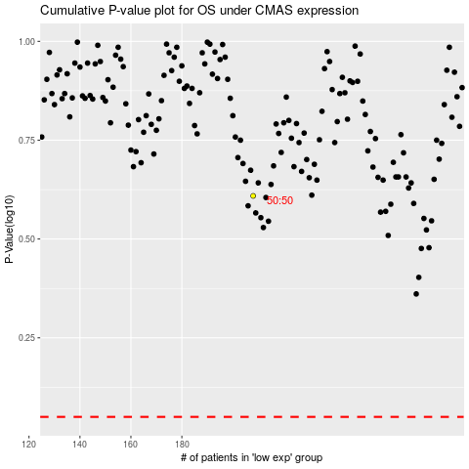

 |  |  |  |  |  | cases_OS | p_OS | rank | exp
 |  |  |  |  |  |  | cases_RFS | p_RFS | rank | exp

