CMPK2 _multivariate
Reported by Tex Li-Hsing Chi. tex@gate.sinica.edu.tw 2019-08-21

Table 2. The clinicopathological features of HNSCC cohort and CMPK2 expression. (Chi square test)
Cutoff at -0.323 (50.0%)
 |  | CMPK2 expression |  | CMPK2 expression |  | (Optimised)
 | Features | Low | (%) | High | (%) | Case no | P-value | Remark | Matthews
Gender | Female | 165 | 39.8 | 141 | 34 | 415 | 0.0081 | 1 | 0
2 | Male | 42 | 10.1 | 67 | 16.1
Age at diagnosis | <=65y | 139 | 33.5 | 135 | 32.5 | 415 | 0.7044 | 0 | 0
4 | >65y | 68 | 16.4 | 73 | 17.6
Clinical T Status | T1+T2 | 72 | 17.3 | 77 | 18.6 | 415 | 0.7095 | 0 | 0
6 | T3+T4 | 135 | 32.5 | 131 | 31.6
Clinical N Status | N0 | 116 | 28 | 100 | 24.1 | 415 | 0.1273 | 1 | 0
8 | N1-3 | 91 | 21.9 | 108 | 26
Clinical M Status | M0 | 207 | 49.9 | 205 | 49.4 | 415 | 0.2482 | 0 | 0
10 | M1 | 0 | 0 | 3 | 0.7
Clinical Stage | Stage I+II | 50 | 12 | 52 | 12.5 | 415 | 0.9315 | 0 | 0
12 | Stage III+IV | 157 | 37.8 | 156 | 37.6
Surgical Margin status | Negative | 162 | 39 | 156 | 37.6 | 415 | 0.4867 | 0 | 0
14 | Positive | 45 | 10.8 | 52 | 12.5
Tobacco Exposure | Low | 65 | 15.7 | 96 | 23.1 | 415 | 0.0025 | 1 | 0
16 | High | 142 | 34.2 | 112 | 27

Table 3. Univariate/Multivariate Cox's proportional hazards regression analyses on OS time of CMPK2 gene expression in HNSCC

 |  | Univariate |  |  |  | Multivariate
 | Features | HR | CI95%(L) | CI95%(H) | P-value | HR | CI95%(L) | CI95%(H) | P-value
1 | Female | 1 |  |  |  | 1
Gender | Male | 1.157 | 0.843 | 1.587 | 0.367 | 1.204 | 0.861 | 1.685 | 0.278
11 | <=65y | 1 |  |  |  | 1
Age at diagnosis | >65y | 1.329 | 0.99 | 1.784 | 0.058 | 1.391 | 1.023 | 1.891 | 0.035
12 | T1+T2 | 1 |  |  |  | 1
Clinical T Status | T3+T4 | 1.409 | 1.028 | 1.931 | 0.033 | 2.209 | 1.167 | 4.185 | 0.015
13 | N0 | 1 |  |  |  | 1
Clinical N Status | N1-3 | 1.185 | 0.89 | 1.577 | 0.246 | 1.244 | 0.87 | 1.779 | 0.231
14 | M0 | 1 |  |  |  | 1
Clinical M Status | M1 | 4.097 | 1.009 | 16.644 | 0.049 | 9.527 | 2.055 | 44.175 | 0.004
15 | Stage I+II | 1 |  |  |  | 1
Clinical Stage | Stage III+IV | 1.245 | 0.882 | 1.759 | 0.213 | 0.502 | 0.233 | 1.081 | 0.078
16 | Negative | 1 |  |  |  | 1
Surgical Margin status | Positive | 1.591 | 1.155 | 2.191 | 0.004 | 1.676 | 1.21 | 2.323 | 0.002
17 | Low | 1 |  |  |  | 1
Tobacco Exposure | High | 1.364 | 1.008 | 1.844 | 0.044 | 1.448 | 1.047 | 2.003 | 0.025
18 | Low | 1 |  |  |  | 1
RNAseq(z-score) | High | 1.05 | 0.788 | 1.399 | 0.738 | 0.98 | 0.726 | 1.322 | 0.894

Table 4. Univariate/Multivariate Cox's proportional hazards regression analyses on RFS time of CMPK2 gene expression in HNSCC

 |  | Univariate |  |  |  | Multivariate
 | Features | HR | CI95%(L) | CI95%(H) | P-value | HR | CI95%(L) | CI95%(H) | P-value
1 | Female | 1 |  |  |  | 1
Gender | Male | 1.157 | 0.843 | 1.587 | 0.367 | 1.204 | 0.861 | 1.685 | 0.278
11 | <=65y | 1 |  |  |  | 1
Age at diagnosis | >65y | 1.329 | 0.99 | 1.784 | 0.058 | 1.391 | 1.023 | 1.891 | 0.035
12 | T1+T2 | 1 |  |  |  | 1
Clinical T Status | T3+T4 | 1.409 | 1.028 | 1.931 | 0.033 | 2.209 | 1.167 | 4.185 | 0.015
13 | N0 | 1 |  |  |  | 1
Clinical N Status | N1-3 | 1.185 | 0.89 | 1.577 | 0.246 | 1.244 | 0.87 | 1.779 | 0.231
14 | M0 | 1 |  |  |  | 1
Clinical M Status | M1 | 4.097 | 1.009 | 16.644 | 0.049 | 9.527 | 2.055 | 44.175 | 0.004
15 | Stage I+II | 1 |  |  |  | 1
Clinical Stage | Stage III+IV | 1.245 | 0.882 | 1.759 | 0.213 | 0.502 | 0.233 | 1.081 | 0.078
16 | Negative | 1 |  |  |  | 1
Surgical Margin status | Positive | 1.591 | 1.155 | 2.191 | 0.004 | 1.676 | 1.21 | 2.323 | 0.002
17 | Low | 1 |  |  |  | 1
Tobacco Exposure | High | 1.364 | 1.008 | 1.844 | 0.044 | 1.448 | 1.047 | 2.003 | 0.025
18 | Low | 1 |  |  |  | 1
RNAseq(z-score) | High | 1.05 | 0.788 | 1.399 | 0.738 | 0.98 | 0.726 | 1.322 | 0.894

Kaplan-Meier survival estimate: Cutoff at -0.323 (50.0%)

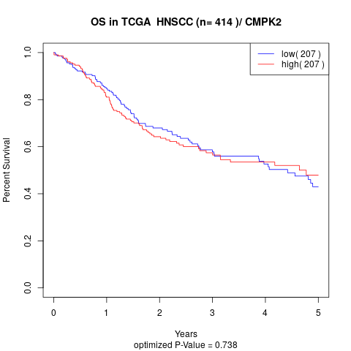

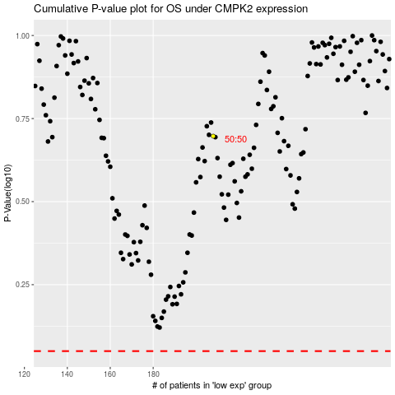

 |  |  |  |  |  | cases_OS | p_OS | rank | exp
 |  |  |  |  |  |  | cases_RFS | p_RFS | rank | exp

