CMTM1 _multivariate
Reported by Tex Li-Hsing Chi. tex@gate.sinica.edu.tw 2019-08-21

Table 2. The clinicopathological features of HNSCC cohort and CMTM1 expression. (Chi square test)
Cutoff at -0.164 (49.8%)
 |  | CMTM1 expression |  | CMTM1 expression |  | (Optimised)
 | Features | Low | (%) | High | (%) | Case no | P-value | Remark | Matthews
Gender | Female | 147 | 35.4 | 159 | 38.3 | 415 | 0.2523 | 0 | 0
2 | Male | 60 | 14.5 | 49 | 11.8
Age at diagnosis | <=65y | 130 | 31.3 | 144 | 34.7 | 415 | 0.2009 | 0 | 0
4 | >65y | 77 | 18.6 | 64 | 15.4
Clinical T Status | T1+T2 | 71 | 17.1 | 78 | 18.8 | 415 | 0.5638 | 0 | 0
6 | T3+T4 | 136 | 32.8 | 130 | 31.3
Clinical N Status | N0 | 112 | 27 | 104 | 25.1 | 415 | 0.4599 | 0 | 0
8 | N1-3 | 95 | 22.9 | 104 | 25.1
Clinical M Status | M0 | 204 | 49.2 | 208 | 50.1 | 415 | 0.1232 | 0 | 0
10 | M1 | 3 | 0.7 | 0 | 0
Clinical Stage | Stage I+II | 48 | 11.6 | 54 | 13 | 415 | 0.5878 | 0 | 0
12 | Stage III+IV | 159 | 38.3 | 154 | 37.1
Surgical Margin status | Negative | 155 | 37.3 | 163 | 39.3 | 415 | 0.4187 | 0 | 0
14 | Positive | 52 | 12.5 | 45 | 10.8
Tobacco Exposure | Low | 86 | 20.7 | 75 | 18.1 | 415 | 0.2687 | 0 | 0
16 | High | 121 | 29.2 | 133 | 32

Table 3. Univariate/Multivariate Cox's proportional hazards regression analyses on OS time of CMTM1 gene expression in HNSCC

 |  | Univariate |  |  |  | Multivariate
 | Features | HR | CI95%(L) | CI95%(H) | P-value | HR | CI95%(L) | CI95%(H) | P-value
1 | Female | 1 |  |  |  | 1
Gender | Male | 1.157 | 0.843 | 1.587 | 0.367 | 1.184 | 0.846 | 1.657 | 0.325
11 | <=65y | 1 |  |  |  | 1
Age at diagnosis | >65y | 1.329 | 0.99 | 1.784 | 0.058 | 1.376 | 1.011 | 1.871 | 0.042
12 | T1+T2 | 1 |  |  |  | 1
Clinical T Status | T3+T4 | 1.409 | 1.028 | 1.931 | 0.033 | 2.21 | 1.169 | 4.177 | 0.015
13 | N0 | 1 |  |  |  | 1
Clinical N Status | N1-3 | 1.185 | 0.89 | 1.577 | 0.246 | 1.271 | 0.889 | 1.816 | 0.188
14 | M0 | 1 |  |  |  | 1
Clinical M Status | M1 | 4.097 | 1.009 | 16.644 | 0.049 | 8.537 | 1.848 | 39.444 | 0.006
15 | Stage I+II | 1 |  |  |  | 1
Clinical Stage | Stage III+IV | 1.245 | 0.882 | 1.759 | 0.213 | 0.494 | 0.23 | 1.061 | 0.07
16 | Negative | 1 |  |  |  | 1
Surgical Margin status | Positive | 1.591 | 1.155 | 2.191 | 0.004 | 1.656 | 1.199 | 2.288 | 0.002
17 | Low | 1 |  |  |  | 1
Tobacco Exposure | High | 1.364 | 1.008 | 1.844 | 0.044 | 1.47 | 1.066 | 2.028 | 0.019
18 | Low | 1 |  |  |  | 1
RNAseq(z-score) | High | 0.81 | 0.608 | 1.079 | 0.149 | 0.839 | 0.625 | 1.126 | 0.242

Table 4. Univariate/Multivariate Cox's proportional hazards regression analyses on RFS time of CMTM1 gene expression in HNSCC

 |  | Univariate |  |  |  | Multivariate
 | Features | HR | CI95%(L) | CI95%(H) | P-value | HR | CI95%(L) | CI95%(H) | P-value
1 | Female | 1 |  |  |  | 1
Gender | Male | 1.157 | 0.843 | 1.587 | 0.367 | 1.184 | 0.846 | 1.657 | 0.325
11 | <=65y | 1 |  |  |  | 1
Age at diagnosis | >65y | 1.329 | 0.99 | 1.784 | 0.058 | 1.376 | 1.011 | 1.871 | 0.042
12 | T1+T2 | 1 |  |  |  | 1
Clinical T Status | T3+T4 | 1.409 | 1.028 | 1.931 | 0.033 | 2.21 | 1.169 | 4.177 | 0.015
13 | N0 | 1 |  |  |  | 1
Clinical N Status | N1-3 | 1.185 | 0.89 | 1.577 | 0.246 | 1.271 | 0.889 | 1.816 | 0.188
14 | M0 | 1 |  |  |  | 1
Clinical M Status | M1 | 4.097 | 1.009 | 16.644 | 0.049 | 8.537 | 1.848 | 39.444 | 0.006
15 | Stage I+II | 1 |  |  |  | 1
Clinical Stage | Stage III+IV | 1.245 | 0.882 | 1.759 | 0.213 | 0.494 | 0.23 | 1.061 | 0.07
16 | Negative | 1 |  |  |  | 1
Surgical Margin status | Positive | 1.591 | 1.155 | 2.191 | 0.004 | 1.656 | 1.199 | 2.288 | 0.002
17 | Low | 1 |  |  |  | 1
Tobacco Exposure | High | 1.364 | 1.008 | 1.844 | 0.044 | 1.47 | 1.066 | 2.028 | 0.019
18 | Low | 1 |  |  |  | 1
RNAseq(z-score) | High | 0.81 | 0.608 | 1.079 | 0.149 | 0.839 | 0.625 | 1.126 | 0.242

Kaplan-Meier survival estimate: Cutoff at -0.164 (49.8%)



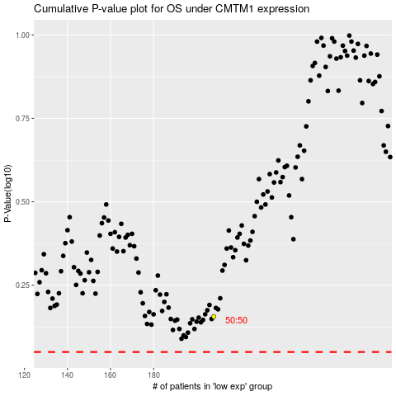

 |  |  |  |  |  | cases_OS | p_OS | rank | exp
 |  |  |  |  |  |  | cases_RFS | p_RFS | rank | exp

