CMTM2 _multivariate
Reported by Tex Li-Hsing Chi. tex@gate.sinica.edu.tw 2019-08-21

Table 2. The clinicopathological features of HNSCC cohort and CMTM2 expression. (Chi square test)
Cutoff at -0.301 (50.0%)
 |  | CMTM2 expression |  | CMTM2 expression |  | (Optimised)
 | Features | Low | (%) | High | (%) | Case no | P-value | Remark | Matthews
Gender | Female | 155 | 37.3 | 151 | 36.4 | 415 | 0.6768 | 0 | 0
2 | Male | 52 | 12.5 | 57 | 13.7
Age at diagnosis | <=65y | 141 | 34 | 133 | 32 | 415 | 0.4272 | 0 | 0
4 | >65y | 66 | 15.9 | 75 | 18.1
Clinical T Status | T1+T2 | 73 | 17.6 | 76 | 18.3 | 415 | 0.8666 | 0 | 0
6 | T3+T4 | 134 | 32.3 | 132 | 31.8
Clinical N Status | N0 | 104 | 25.1 | 112 | 27 | 415 | 0.5243 | 0 | 0
8 | N1-3 | 103 | 24.8 | 96 | 23.1
Clinical M Status | M0 | 206 | 49.6 | 206 | 49.6 | 415 | 1 | 0 | 0
10 | M1 | 1 | 0.2 | 2 | 0.5
Clinical Stage | Stage I+II | 52 | 12.5 | 50 | 12 | 415 | 0.8871 | 0 | 0
12 | Stage III+IV | 155 | 37.3 | 158 | 38.1
Surgical Margin status | Negative | 157 | 37.8 | 161 | 38.8 | 415 | 0.729 | 0 | 0
14 | Positive | 50 | 12 | 47 | 11.3
Tobacco Exposure | Low | 87 | 21 | 74 | 17.8 | 415 | 0.1911 | 0 | 0
16 | High | 120 | 28.9 | 134 | 32.3

Table 3. Univariate/Multivariate Cox's proportional hazards regression analyses on OS time of CMTM2 gene expression in HNSCC

 |  | Univariate |  |  |  | Multivariate
 | Features | HR | CI95%(L) | CI95%(H) | P-value | HR | CI95%(L) | CI95%(H) | P-value
1 | Female | 1 |  |  |  | 1
Gender | Male | 1.157 | 0.843 | 1.587 | 0.367 | 1.203 | 0.862 | 1.68 | 0.277
11 | <=65y | 1 |  |  |  | 1
Age at diagnosis | >65y | 1.329 | 0.99 | 1.784 | 0.058 | 1.403 | 1.03 | 1.912 | 0.032
12 | T1+T2 | 1 |  |  |  | 1
Clinical T Status | T3+T4 | 1.409 | 1.028 | 1.931 | 0.033 | 2.198 | 1.162 | 4.157 | 0.015
13 | N0 | 1 |  |  |  | 1
Clinical N Status | N1-3 | 1.185 | 0.89 | 1.577 | 0.246 | 1.232 | 0.863 | 1.76 | 0.251
14 | M0 | 1 |  |  |  | 1
Clinical M Status | M1 | 4.097 | 1.009 | 16.644 | 0.049 | 9.51 | 2.073 | 43.632 | 0.004
15 | Stage I+II | 1 |  |  |  | 1
Clinical Stage | Stage III+IV | 1.245 | 0.882 | 1.759 | 0.213 | 0.509 | 0.237 | 1.092 | 0.083
16 | Negative | 1 |  |  |  | 1
Surgical Margin status | Positive | 1.591 | 1.155 | 2.191 | 0.004 | 1.671 | 1.209 | 2.308 | 0.002
17 | Low | 1 |  |  |  | 1
Tobacco Exposure | High | 1.364 | 1.008 | 1.844 | 0.044 | 1.459 | 1.059 | 2.01 | 0.021
18 | Low | 1 |  |  |  | 1
RNAseq(z-score) | High | 0.985 | 0.734 | 1.32 | 0.918 | 0.939 | 0.697 | 1.264 | 0.676

Table 4. Univariate/Multivariate Cox's proportional hazards regression analyses on RFS time of CMTM2 gene expression in HNSCC

 |  | Univariate |  |  |  | Multivariate
 | Features | HR | CI95%(L) | CI95%(H) | P-value | HR | CI95%(L) | CI95%(H) | P-value
1 | Female | 1 |  |  |  | 1
Gender | Male | 1.157 | 0.843 | 1.587 | 0.367 | 1.203 | 0.862 | 1.68 | 0.277
11 | <=65y | 1 |  |  |  | 1
Age at diagnosis | >65y | 1.329 | 0.99 | 1.784 | 0.058 | 1.403 | 1.03 | 1.912 | 0.032
12 | T1+T2 | 1 |  |  |  | 1
Clinical T Status | T3+T4 | 1.409 | 1.028 | 1.931 | 0.033 | 2.198 | 1.162 | 4.157 | 0.015
13 | N0 | 1 |  |  |  | 1
Clinical N Status | N1-3 | 1.185 | 0.89 | 1.577 | 0.246 | 1.232 | 0.863 | 1.76 | 0.251
14 | M0 | 1 |  |  |  | 1
Clinical M Status | M1 | 4.097 | 1.009 | 16.644 | 0.049 | 9.51 | 2.073 | 43.632 | 0.004
15 | Stage I+II | 1 |  |  |  | 1
Clinical Stage | Stage III+IV | 1.245 | 0.882 | 1.759 | 0.213 | 0.509 | 0.237 | 1.092 | 0.083
16 | Negative | 1 |  |  |  | 1
Surgical Margin status | Positive | 1.591 | 1.155 | 2.191 | 0.004 | 1.671 | 1.209 | 2.308 | 0.002
17 | Low | 1 |  |  |  | 1
Tobacco Exposure | High | 1.364 | 1.008 | 1.844 | 0.044 | 1.459 | 1.059 | 2.01 | 0.021
18 | Low | 1 |  |  |  | 1
RNAseq(z-score) | High | 0.985 | 0.734 | 1.32 | 0.918 | 0.939 | 0.697 | 1.264 | 0.676

Kaplan-Meier survival estimate: Cutoff at -0.301 (50.0%)



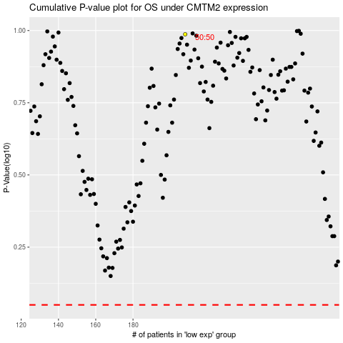

 |  |  |  |  |  | cases_OS | p_OS | rank | exp
 |  |  |  |  |  |  | cases_RFS | p_RFS | rank | exp

