CMTM4 _multivariate
Reported by Tex Li-Hsing Chi. tex@gate.sinica.edu.tw 2019-08-21

Table 2. The clinicopathological features of HNSCC cohort and CMTM4 expression. (Chi square test)
Cutoff at -0.252 (49.8%)
 |  | CMTM4 expression |  | CMTM4 expression |  | (Optimised)
 | Features | Low | (%) | High | (%) | Case no | P-value | Remark | Matthews
Gender | Female | 143 | 34.5 | 163 | 39.3 | 415 | 0.0416 | 1 | 0
2 | Male | 64 | 15.4 | 45 | 10.8
Age at diagnosis | <=65y | 132 | 31.8 | 142 | 34.2 | 415 | 0.3874 | 0 | 0
4 | >65y | 75 | 18.1 | 66 | 15.9
Clinical T Status | T1+T2 | 73 | 17.6 | 76 | 18.3 | 415 | 0.8666 | 0 | 0
6 | T3+T4 | 134 | 32.3 | 132 | 31.8
Clinical N Status | N0 | 102 | 24.6 | 114 | 27.5 | 415 | 0.3031 | 0 | 0
8 | N1-3 | 105 | 25.3 | 94 | 22.7
Clinical M Status | M0 | 204 | 49.2 | 208 | 50.1 | 415 | 0.1232 | 0 | 0
10 | M1 | 3 | 0.7 | 0 | 0
Clinical Stage | Stage I+II | 48 | 11.6 | 54 | 13 | 415 | 0.5878 | 0 | 0
12 | Stage III+IV | 159 | 38.3 | 154 | 37.1
Surgical Margin status | Negative | 156 | 37.6 | 162 | 39 | 415 | 0.5636 | 0 | 0
14 | Positive | 51 | 12.3 | 46 | 11.1
Tobacco Exposure | Low | 100 | 24.1 | 61 | 14.7 | 415 | 1e-04 | 1 | 0
16 | High | 107 | 25.8 | 147 | 35.4

Table 3. Univariate/Multivariate Cox's proportional hazards regression analyses on OS time of CMTM4 gene expression in HNSCC

 |  | Univariate |  |  |  | Multivariate
 | Features | HR | CI95%(L) | CI95%(H) | P-value | HR | CI95%(L) | CI95%(H) | P-value
1 | Female | 1 |  |  |  | 1
Gender | Male | 1.157 | 0.843 | 1.587 | 0.367 | 1.205 | 0.862 | 1.685 | 0.276
11 | <=65y | 1 |  |  |  | 1
Age at diagnosis | >65y | 1.329 | 0.99 | 1.784 | 0.058 | 1.394 | 1.025 | 1.896 | 0.034
12 | T1+T2 | 1 |  |  |  | 1
Clinical T Status | T3+T4 | 1.409 | 1.028 | 1.931 | 0.033 | 2.203 | 1.165 | 4.166 | 0.015
13 | N0 | 1 |  |  |  | 1
Clinical N Status | N1-3 | 1.185 | 0.89 | 1.577 | 0.246 | 1.243 | 0.871 | 1.774 | 0.231
14 | M0 | 1 |  |  |  | 1
Clinical M Status | M1 | 4.097 | 1.009 | 16.644 | 0.049 | 9.567 | 2.07 | 44.222 | 0.004
15 | Stage I+II | 1 |  |  |  | 1
Clinical Stage | Stage III+IV | 1.245 | 0.882 | 1.759 | 0.213 | 0.504 | 0.235 | 1.082 | 0.079
16 | Negative | 1 |  |  |  | 1
Surgical Margin status | Positive | 1.591 | 1.155 | 2.191 | 0.004 | 1.677 | 1.212 | 2.32 | 0.002
17 | Low | 1 |  |  |  | 1
Tobacco Exposure | High | 1.364 | 1.008 | 1.844 | 0.044 | 1.442 | 1.038 | 2.003 | 0.029
18 | Low | 1 |  |  |  | 1
RNAseq(z-score) | High | 1.008 | 0.755 | 1.348 | 0.955 | 1.033 | 0.761 | 1.401 | 0.836

Table 4. Univariate/Multivariate Cox's proportional hazards regression analyses on RFS time of CMTM4 gene expression in HNSCC

 |  | Univariate |  |  |  | Multivariate
 | Features | HR | CI95%(L) | CI95%(H) | P-value | HR | CI95%(L) | CI95%(H) | P-value
1 | Female | 1 |  |  |  | 1
Gender | Male | 1.157 | 0.843 | 1.587 | 0.367 | 1.205 | 0.862 | 1.685 | 0.276
11 | <=65y | 1 |  |  |  | 1
Age at diagnosis | >65y | 1.329 | 0.99 | 1.784 | 0.058 | 1.394 | 1.025 | 1.896 | 0.034
12 | T1+T2 | 1 |  |  |  | 1
Clinical T Status | T3+T4 | 1.409 | 1.028 | 1.931 | 0.033 | 2.203 | 1.165 | 4.166 | 0.015
13 | N0 | 1 |  |  |  | 1
Clinical N Status | N1-3 | 1.185 | 0.89 | 1.577 | 0.246 | 1.243 | 0.871 | 1.774 | 0.231
14 | M0 | 1 |  |  |  | 1
Clinical M Status | M1 | 4.097 | 1.009 | 16.644 | 0.049 | 9.567 | 2.07 | 44.222 | 0.004
15 | Stage I+II | 1 |  |  |  | 1
Clinical Stage | Stage III+IV | 1.245 | 0.882 | 1.759 | 0.213 | 0.504 | 0.235 | 1.082 | 0.079
16 | Negative | 1 |  |  |  | 1
Surgical Margin status | Positive | 1.591 | 1.155 | 2.191 | 0.004 | 1.677 | 1.212 | 2.32 | 0.002
17 | Low | 1 |  |  |  | 1
Tobacco Exposure | High | 1.364 | 1.008 | 1.844 | 0.044 | 1.442 | 1.038 | 2.003 | 0.029
18 | Low | 1 |  |  |  | 1
RNAseq(z-score) | High | 1.008 | 0.755 | 1.348 | 0.955 | 1.033 | 0.761 | 1.401 | 0.836

Kaplan-Meier survival estimate: Cutoff at -0.252 (49.8%)



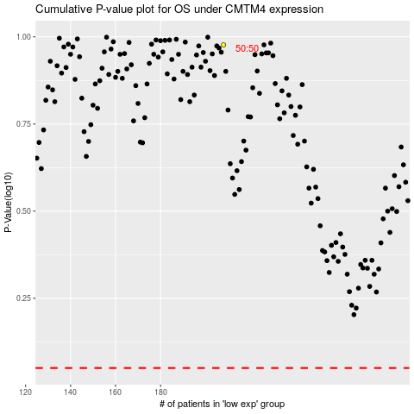

 |  |  |  |  |  | cases_OS | p_OS | rank | exp
 |  |  |  |  |  |  | cases_RFS | p_RFS | rank | exp

