CMTM6 _multivariate
Reported by Tex Li-Hsing Chi. tex@gate.sinica.edu.tw 2019-08-21

Table 2. The clinicopathological features of HNSCC cohort and CMTM6 expression. (Chi square test)
Cutoff at -0.191 (49.8%)
 |  | CMTM6 expression |  | CMTM6 expression |  | (Optimised)
 | Features | Low | (%) | High | (%) | Case no | P-value | Remark | Matthews
Gender | Female | 155 | 37.3 | 151 | 36.4 | 415 | 0.6768 | 0 | 0
2 | Male | 52 | 12.5 | 57 | 13.7
Age at diagnosis | <=65y | 145 | 34.9 | 129 | 31.1 | 415 | 0.1046 | 0 | 0
4 | >65y | 62 | 14.9 | 79 | 19
Clinical T Status | T1+T2 | 79 | 19 | 70 | 16.9 | 415 | 0.3924 | 0 | 0
6 | T3+T4 | 128 | 30.8 | 138 | 33.3
Clinical N Status | N0 | 113 | 27.2 | 103 | 24.8 | 415 | 0.3495 | 1 | 0
8 | N1-3 | 94 | 22.7 | 105 | 25.3
Clinical M Status | M0 | 205 | 49.4 | 207 | 49.9 | 415 | 0.6232 | 0 | 0
10 | M1 | 2 | 0.5 | 1 | 0.2
Clinical Stage | Stage I+II | 53 | 12.8 | 49 | 11.8 | 415 | 0.7113 | 0 | 0
12 | Stage III+IV | 154 | 37.1 | 159 | 38.3
Surgical Margin status | Negative | 158 | 38.1 | 160 | 38.6 | 415 | 0.9081 | 0 | 0
14 | Positive | 49 | 11.8 | 48 | 11.6
Tobacco Exposure | Low | 75 | 18.1 | 86 | 20.7 | 415 | 0.3141 | 0 | 0
16 | High | 132 | 31.8 | 122 | 29.4

Table 3. Univariate/Multivariate Cox's proportional hazards regression analyses on OS time of CMTM6 gene expression in HNSCC

 |  | Univariate |  |  |  | Multivariate
 | Features | HR | CI95%(L) | CI95%(H) | P-value | HR | CI95%(L) | CI95%(H) | P-value
1 | Female | 1 |  |  |  | 1
Gender | Male | 1.157 | 0.843 | 1.587 | 0.367 | 1.197 | 0.856 | 1.673 | 0.293
11 | <=65y | 1 |  |  |  | 1
Age at diagnosis | >65y | 1.329 | 0.99 | 1.784 | 0.058 | 1.386 | 1.019 | 1.885 | 0.037
12 | T1+T2 | 1 |  |  |  | 1
Clinical T Status | T3+T4 | 1.409 | 1.028 | 1.931 | 0.033 | 2.189 | 1.157 | 4.141 | 0.016
13 | N0 | 1 |  |  |  | 1
Clinical N Status | N1-3 | 1.185 | 0.89 | 1.577 | 0.246 | 1.239 | 0.869 | 1.768 | 0.237
14 | M0 | 1 |  |  |  | 1
Clinical M Status | M1 | 4.097 | 1.009 | 16.644 | 0.049 | 9.593 | 2.09 | 44.031 | 0.004
15 | Stage I+II | 1 |  |  |  | 1
Clinical Stage | Stage III+IV | 1.245 | 0.882 | 1.759 | 0.213 | 0.51 | 0.237 | 1.095 | 0.084
16 | Negative | 1 |  |  |  | 1
Surgical Margin status | Positive | 1.591 | 1.155 | 2.191 | 0.004 | 1.678 | 1.214 | 2.319 | 0.002
17 | Low | 1 |  |  |  | 1
Tobacco Exposure | High | 1.364 | 1.008 | 1.844 | 0.044 | 1.457 | 1.058 | 2.008 | 0.021
18 | Low | 1 |  |  |  | 1
RNAseq(z-score) | High | 1.081 | 0.811 | 1.442 | 0.596 | 1.091 | 0.817 | 1.458 | 0.556

Table 4. Univariate/Multivariate Cox's proportional hazards regression analyses on RFS time of CMTM6 gene expression in HNSCC

 |  | Univariate |  |  |  | Multivariate
 | Features | HR | CI95%(L) | CI95%(H) | P-value | HR | CI95%(L) | CI95%(H) | P-value
1 | Female | 1 |  |  |  | 1
Gender | Male | 1.157 | 0.843 | 1.587 | 0.367 | 1.197 | 0.856 | 1.673 | 0.293
11 | <=65y | 1 |  |  |  | 1
Age at diagnosis | >65y | 1.329 | 0.99 | 1.784 | 0.058 | 1.386 | 1.019 | 1.885 | 0.037
12 | T1+T2 | 1 |  |  |  | 1
Clinical T Status | T3+T4 | 1.409 | 1.028 | 1.931 | 0.033 | 2.189 | 1.157 | 4.141 | 0.016
13 | N0 | 1 |  |  |  | 1
Clinical N Status | N1-3 | 1.185 | 0.89 | 1.577 | 0.246 | 1.239 | 0.869 | 1.768 | 0.237
14 | M0 | 1 |  |  |  | 1
Clinical M Status | M1 | 4.097 | 1.009 | 16.644 | 0.049 | 9.593 | 2.09 | 44.031 | 0.004
15 | Stage I+II | 1 |  |  |  | 1
Clinical Stage | Stage III+IV | 1.245 | 0.882 | 1.759 | 0.213 | 0.51 | 0.237 | 1.095 | 0.084
16 | Negative | 1 |  |  |  | 1
Surgical Margin status | Positive | 1.591 | 1.155 | 2.191 | 0.004 | 1.678 | 1.214 | 2.319 | 0.002
17 | Low | 1 |  |  |  | 1
Tobacco Exposure | High | 1.364 | 1.008 | 1.844 | 0.044 | 1.457 | 1.058 | 2.008 | 0.021
18 | Low | 1 |  |  |  | 1
RNAseq(z-score) | High | 1.081 | 0.811 | 1.442 | 0.596 | 1.091 | 0.817 | 1.458 | 0.556

Kaplan-Meier survival estimate: Cutoff at -0.191 (49.8%)



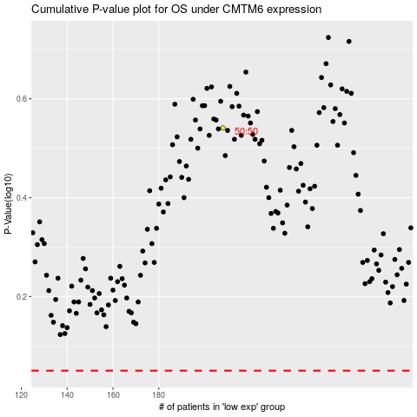

 |  |  |  |  |  | cases_OS | p_OS | rank | exp
 |  |  |  |  |  |  | cases_RFS | p_RFS | rank | exp

