CMYA5 _multivariate
Reported by Tex Li-Hsing Chi. tex@gate.sinica.edu.tw 2019-08-21

Table 2. The clinicopathological features of HNSCC cohort and CMYA5 expression. (Chi square test)
Cutoff at -0.2 (50.0%)
 |  | CMYA5 expression |  | CMYA5 expression |  | (Optimised)
 | Features | Low | (%) | High | (%) | Case no | P-value | Remark | Matthews
Gender | Female | 155 | 37.3 | 151 | 36.4 | 415 | 0.6768 | 0 | 0
2 | Male | 52 | 12.5 | 57 | 13.7
Age at diagnosis | <=65y | 128 | 30.8 | 146 | 35.2 | 415 | 0.0904 | 0 | 0
4 | >65y | 79 | 19 | 62 | 14.9
Clinical T Status | T1+T2 | 53 | 12.8 | 96 | 23.1 | 415 | 0 | 1 | 0
6 | T3+T4 | 154 | 37.1 | 112 | 27
Clinical N Status | N0 | 110 | 26.5 | 106 | 25.5 | 415 | 0.7294 | 0 | 0
8 | N1-3 | 97 | 23.4 | 102 | 24.6
Clinical M Status | M0 | 205 | 49.4 | 207 | 49.9 | 415 | 0.6232 | 0 | 0
10 | M1 | 2 | 0.5 | 1 | 0.2
Clinical Stage | Stage I+II | 40 | 9.6 | 62 | 14.9 | 415 | 0.018 | 1 | 0
12 | Stage III+IV | 167 | 40.2 | 146 | 35.2
Surgical Margin status | Negative | 155 | 37.3 | 163 | 39.3 | 415 | 0.4187 | 0 | 0
14 | Positive | 52 | 12.5 | 45 | 10.8
Tobacco Exposure | Low | 78 | 18.8 | 83 | 20 | 415 | 0.6873 | 0 | 0
16 | High | 129 | 31.1 | 125 | 30.1

Table 3. Univariate/Multivariate Cox's proportional hazards regression analyses on OS time of CMYA5 gene expression in HNSCC

 |  | Univariate |  |  |  | Multivariate
 | Features | HR | CI95%(L) | CI95%(H) | P-value | HR | CI95%(L) | CI95%(H) | P-value
1 | Female | 1 |  |  |  | 1
Gender | Male | 1.157 | 0.843 | 1.587 | 0.367 | 1.206 | 0.864 | 1.683 | 0.272
11 | <=65y | 1 |  |  |  | 1
Age at diagnosis | >65y | 1.329 | 0.99 | 1.784 | 0.058 | 1.426 | 1.048 | 1.94 | 0.024
12 | T1+T2 | 1 |  |  |  | 1
Clinical T Status | T3+T4 | 1.409 | 1.028 | 1.931 | 0.033 | 2.388 | 1.255 | 4.543 | 0.008
13 | N0 | 1 |  |  |  | 1
Clinical N Status | N1-3 | 1.185 | 0.89 | 1.577 | 0.246 | 1.231 | 0.863 | 1.758 | 0.252
14 | M0 | 1 |  |  |  | 1
Clinical M Status | M1 | 4.097 | 1.009 | 16.644 | 0.049 | 10.967 | 2.372 | 50.718 | 0.002
15 | Stage I+II | 1 |  |  |  | 1
Clinical Stage | Stage III+IV | 1.245 | 0.882 | 1.759 | 0.213 | 0.48 | 0.223 | 1.032 | 0.06
16 | Negative | 1 |  |  |  | 1
Surgical Margin status | Positive | 1.591 | 1.155 | 2.191 | 0.004 | 1.694 | 1.226 | 2.342 | 0.001
17 | Low | 1 |  |  |  | 1
Tobacco Exposure | High | 1.364 | 1.008 | 1.844 | 0.044 | 1.445 | 1.051 | 1.988 | 0.023
18 | Low | 1 |  |  |  | 1
RNAseq(z-score) | High | 1.172 | 0.879 | 1.561 | 0.28 | 1.324 | 0.988 | 1.774 | 0.061

Table 4. Univariate/Multivariate Cox's proportional hazards regression analyses on RFS time of CMYA5 gene expression in HNSCC

 |  | Univariate |  |  |  | Multivariate
 | Features | HR | CI95%(L) | CI95%(H) | P-value | HR | CI95%(L) | CI95%(H) | P-value
1 | Female | 1 |  |  |  | 1
Gender | Male | 1.157 | 0.843 | 1.587 | 0.367 | 1.206 | 0.864 | 1.683 | 0.272
11 | <=65y | 1 |  |  |  | 1
Age at diagnosis | >65y | 1.329 | 0.99 | 1.784 | 0.058 | 1.426 | 1.048 | 1.94 | 0.024
12 | T1+T2 | 1 |  |  |  | 1
Clinical T Status | T3+T4 | 1.409 | 1.028 | 1.931 | 0.033 | 2.388 | 1.255 | 4.543 | 0.008
13 | N0 | 1 |  |  |  | 1
Clinical N Status | N1-3 | 1.185 | 0.89 | 1.577 | 0.246 | 1.231 | 0.863 | 1.758 | 0.252
14 | M0 | 1 |  |  |  | 1
Clinical M Status | M1 | 4.097 | 1.009 | 16.644 | 0.049 | 10.967 | 2.372 | 50.718 | 0.002
15 | Stage I+II | 1 |  |  |  | 1
Clinical Stage | Stage III+IV | 1.245 | 0.882 | 1.759 | 0.213 | 0.48 | 0.223 | 1.032 | 0.06
16 | Negative | 1 |  |  |  | 1
Surgical Margin status | Positive | 1.591 | 1.155 | 2.191 | 0.004 | 1.694 | 1.226 | 2.342 | 0.001
17 | Low | 1 |  |  |  | 1
Tobacco Exposure | High | 1.364 | 1.008 | 1.844 | 0.044 | 1.445 | 1.051 | 1.988 | 0.023
18 | Low | 1 |  |  |  | 1
RNAseq(z-score) | High | 1.172 | 0.879 | 1.561 | 0.28 | 1.324 | 0.988 | 1.774 | 0.061

Kaplan-Meier survival estimate: Cutoff at -0.2 (50.0%)



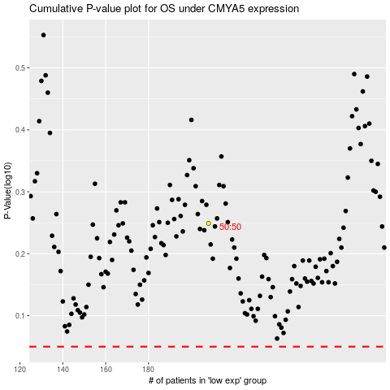

 |  |  |  |  |  | cases_OS | p_OS | rank | exp
 |  |  |  |  |  |  | cases_RFS | p_RFS | rank | exp

