CN5H6.4 _multivariate
Reported by Tex Li-Hsing Chi. tex@gate.sinica.edu.tw 2019-08-21

Table 2. The clinicopathological features of HNSCC cohort and CN5H6.4 expression. (Chi square test)
Cutoff at -0.302 (49.8%)
 |  | CN5H6.4 expression |  | CN5H6.4 expression |  | (Optimised)
 | Features | Low | (%) | High | (%) | Case no | P-value | Remark | Matthews
Gender | Female | 141 | 34 | 165 | 39.8 | 415 | 0.013 | 1 | 0
2 | Male | 66 | 15.9 | 43 | 10.4
Age at diagnosis | <=65y | 133 | 32 | 141 | 34 | 415 | 0.5111 | 0 | 0
4 | >65y | 74 | 17.8 | 67 | 16.1
Clinical T Status | T1+T2 | 75 | 18.1 | 74 | 17.8 | 415 | 0.9707 | 0 | 0
6 | T3+T4 | 132 | 31.8 | 134 | 32.3
Clinical N Status | N0 | 105 | 25.3 | 111 | 26.7 | 415 | 0.6598 | 0 | 0
8 | N1-3 | 102 | 24.6 | 97 | 23.4
Clinical M Status | M0 | 204 | 49.2 | 208 | 50.1 | 415 | 0.1232 | 0 | 0
10 | M1 | 3 | 0.7 | 0 | 0
Clinical Stage | Stage I+II | 52 | 12.5 | 50 | 12 | 415 | 0.8871 | 0 | 0
12 | Stage III+IV | 155 | 37.3 | 158 | 38.1
Surgical Margin status | Negative | 155 | 37.3 | 163 | 39.3 | 415 | 0.4187 | 0 | 0
14 | Positive | 52 | 12.5 | 45 | 10.8
Tobacco Exposure | Low | 91 | 21.9 | 70 | 16.9 | 415 | 0.0346 | 1 | 0
16 | High | 116 | 28 | 138 | 33.3

Table 3. Univariate/Multivariate Cox's proportional hazards regression analyses on OS time of CN5H6.4 gene expression in HNSCC

 |  | Univariate |  |  |  | Multivariate
 | Features | HR | CI95%(L) | CI95%(H) | P-value | HR | CI95%(L) | CI95%(H) | P-value
1 | Female | 1 |  |  |  | 1
Gender | Male | 1.157 | 0.843 | 1.587 | 0.367 | 1.192 | 0.851 | 1.669 | 0.307
11 | <=65y | 1 |  |  |  | 1
Age at diagnosis | >65y | 1.329 | 0.99 | 1.784 | 0.058 | 1.398 | 1.028 | 1.903 | 0.033
12 | T1+T2 | 1 |  |  |  | 1
Clinical T Status | T3+T4 | 1.409 | 1.028 | 1.931 | 0.033 | 2.19 | 1.157 | 4.142 | 0.016
13 | N0 | 1 |  |  |  | 1
Clinical N Status | N1-3 | 1.185 | 0.89 | 1.577 | 0.246 | 1.237 | 0.867 | 1.765 | 0.241
14 | M0 | 1 |  |  |  | 1
Clinical M Status | M1 | 4.097 | 1.009 | 16.644 | 0.049 | 9.08 | 1.96 | 42.056 | 0.005
15 | Stage I+II | 1 |  |  |  | 1
Clinical Stage | Stage III+IV | 1.245 | 0.882 | 1.759 | 0.213 | 0.509 | 0.237 | 1.093 | 0.083
16 | Negative | 1 |  |  |  | 1
Surgical Margin status | Positive | 1.591 | 1.155 | 2.191 | 0.004 | 1.663 | 1.203 | 2.3 | 0.002
17 | Low | 1 |  |  |  | 1
Tobacco Exposure | High | 1.364 | 1.008 | 1.844 | 0.044 | 1.466 | 1.06 | 2.028 | 0.021
18 | Low | 1 |  |  |  | 1
RNAseq(z-score) | High | 0.92 | 0.689 | 1.228 | 0.571 | 0.943 | 0.699 | 1.273 | 0.702

Table 4. Univariate/Multivariate Cox's proportional hazards regression analyses on RFS time of CN5H6.4 gene expression in HNSCC

 |  | Univariate |  |  |  | Multivariate
 | Features | HR | CI95%(L) | CI95%(H) | P-value | HR | CI95%(L) | CI95%(H) | P-value
1 | Female | 1 |  |  |  | 1
Gender | Male | 1.157 | 0.843 | 1.587 | 0.367 | 1.192 | 0.851 | 1.669 | 0.307
11 | <=65y | 1 |  |  |  | 1
Age at diagnosis | >65y | 1.329 | 0.99 | 1.784 | 0.058 | 1.398 | 1.028 | 1.903 | 0.033
12 | T1+T2 | 1 |  |  |  | 1
Clinical T Status | T3+T4 | 1.409 | 1.028 | 1.931 | 0.033 | 2.19 | 1.157 | 4.142 | 0.016
13 | N0 | 1 |  |  |  | 1
Clinical N Status | N1-3 | 1.185 | 0.89 | 1.577 | 0.246 | 1.237 | 0.867 | 1.765 | 0.241
14 | M0 | 1 |  |  |  | 1
Clinical M Status | M1 | 4.097 | 1.009 | 16.644 | 0.049 | 9.08 | 1.96 | 42.056 | 0.005
15 | Stage I+II | 1 |  |  |  | 1
Clinical Stage | Stage III+IV | 1.245 | 0.882 | 1.759 | 0.213 | 0.509 | 0.237 | 1.093 | 0.083
16 | Negative | 1 |  |  |  | 1
Surgical Margin status | Positive | 1.591 | 1.155 | 2.191 | 0.004 | 1.663 | 1.203 | 2.3 | 0.002
17 | Low | 1 |  |  |  | 1
Tobacco Exposure | High | 1.364 | 1.008 | 1.844 | 0.044 | 1.466 | 1.06 | 2.028 | 0.021
18 | Low | 1 |  |  |  | 1
RNAseq(z-score) | High | 0.92 | 0.689 | 1.228 | 0.571 | 0.943 | 0.699 | 1.273 | 0.702

Kaplan-Meier survival estimate: Cutoff at -0.302 (49.8%)



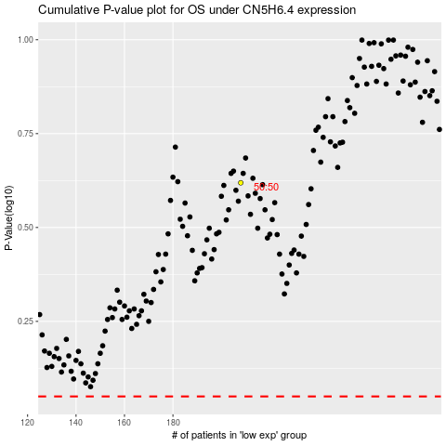

 |  |  |  |  |  | cases_OS | p_OS | rank | exp
 |  |  |  |  |  |  | cases_RFS | p_RFS | rank | exp

