CNDP2 _multivariate
Reported by Tex Li-Hsing Chi. tex@gate.sinica.edu.tw 2019-08-21

Table 2. The clinicopathological features of HNSCC cohort and CNDP2 expression. (Chi square test)
Cutoff at -0.217 (50.0%)
 |  | CNDP2 expression |  | CNDP2 expression |  | (Optimised)
 | Features | Low | (%) | High | (%) | Case no | P-value | Remark | Matthews
Gender | Female | 164 | 39.5 | 142 | 34.2 | 415 | 0.0153 | 1 | 0
2 | Male | 43 | 10.4 | 66 | 15.9
Age at diagnosis | <=65y | 149 | 35.9 | 125 | 30.1 | 415 | 0.0142 | 1 | 0
4 | >65y | 58 | 14 | 83 | 20
Clinical T Status | T1+T2 | 61 | 14.7 | 88 | 21.2 | 415 | 0.0087 | 1 | 0
6 | T3+T4 | 146 | 35.2 | 120 | 28.9
Clinical N Status | N0 | 101 | 24.3 | 115 | 27.7 | 415 | 0.2201 | 0 | 0
8 | N1-3 | 106 | 25.5 | 93 | 22.4
Clinical M Status | M0 | 206 | 49.6 | 206 | 49.6 | 415 | 1 | 0 | 0
10 | M1 | 1 | 0.2 | 2 | 0.5
Clinical Stage | Stage I+II | 42 | 10.1 | 60 | 14.5 | 415 | 0.0561 | 0 | 0
12 | Stage III+IV | 165 | 39.8 | 148 | 35.7
Surgical Margin status | Negative | 164 | 39.5 | 154 | 37.1 | 415 | 0.2462 | 0 | 0
14 | Positive | 43 | 10.4 | 54 | 13
Tobacco Exposure | Low | 58 | 14 | 103 | 24.8 | 415 | 0 | 1 | 0
16 | High | 149 | 35.9 | 105 | 25.3

Table 3. Univariate/Multivariate Cox's proportional hazards regression analyses on OS time of CNDP2 gene expression in HNSCC

 |  | Univariate |  |  |  | Multivariate
 | Features | HR | CI95%(L) | CI95%(H) | P-value | HR | CI95%(L) | CI95%(H) | P-value
1 | Female | 1 |  |  |  | 1
Gender | Male | 1.157 | 0.843 | 1.587 | 0.367 | 1.194 | 0.854 | 1.67 | 0.299
11 | <=65y | 1 |  |  |  | 1
Age at diagnosis | >65y | 1.329 | 0.99 | 1.784 | 0.058 | 1.381 | 1.015 | 1.881 | 0.04
12 | T1+T2 | 1 |  |  |  | 1
Clinical T Status | T3+T4 | 1.409 | 1.028 | 1.931 | 0.033 | 2.222 | 1.174 | 4.206 | 0.014
13 | N0 | 1 |  |  |  | 1
Clinical N Status | N1-3 | 1.185 | 0.89 | 1.577 | 0.246 | 1.242 | 0.87 | 1.771 | 0.232
14 | M0 | 1 |  |  |  | 1
Clinical M Status | M1 | 4.097 | 1.009 | 16.644 | 0.049 | 9.365 | 2.043 | 42.928 | 0.004
15 | Stage I+II | 1 |  |  |  | 1
Clinical Stage | Stage III+IV | 1.245 | 0.882 | 1.759 | 0.213 | 0.506 | 0.236 | 1.085 | 0.08
16 | Negative | 1 |  |  |  | 1
Surgical Margin status | Positive | 1.591 | 1.155 | 2.191 | 0.004 | 1.66 | 1.2 | 2.297 | 0.002
17 | Low | 1 |  |  |  | 1
Tobacco Exposure | High | 1.364 | 1.008 | 1.844 | 0.044 | 1.477 | 1.064 | 2.05 | 0.02
18 | Low | 1 |  |  |  | 1
RNAseq(z-score) | High | 1.022 | 0.767 | 1.362 | 0.884 | 1.075 | 0.791 | 1.461 | 0.645

Table 4. Univariate/Multivariate Cox's proportional hazards regression analyses on RFS time of CNDP2 gene expression in HNSCC

 |  | Univariate |  |  |  | Multivariate
 | Features | HR | CI95%(L) | CI95%(H) | P-value | HR | CI95%(L) | CI95%(H) | P-value
1 | Female | 1 |  |  |  | 1
Gender | Male | 1.157 | 0.843 | 1.587 | 0.367 | 1.194 | 0.854 | 1.67 | 0.299
11 | <=65y | 1 |  |  |  | 1
Age at diagnosis | >65y | 1.329 | 0.99 | 1.784 | 0.058 | 1.381 | 1.015 | 1.881 | 0.04
12 | T1+T2 | 1 |  |  |  | 1
Clinical T Status | T3+T4 | 1.409 | 1.028 | 1.931 | 0.033 | 2.222 | 1.174 | 4.206 | 0.014
13 | N0 | 1 |  |  |  | 1
Clinical N Status | N1-3 | 1.185 | 0.89 | 1.577 | 0.246 | 1.242 | 0.87 | 1.771 | 0.232
14 | M0 | 1 |  |  |  | 1
Clinical M Status | M1 | 4.097 | 1.009 | 16.644 | 0.049 | 9.365 | 2.043 | 42.928 | 0.004
15 | Stage I+II | 1 |  |  |  | 1
Clinical Stage | Stage III+IV | 1.245 | 0.882 | 1.759 | 0.213 | 0.506 | 0.236 | 1.085 | 0.08
16 | Negative | 1 |  |  |  | 1
Surgical Margin status | Positive | 1.591 | 1.155 | 2.191 | 0.004 | 1.66 | 1.2 | 2.297 | 0.002
17 | Low | 1 |  |  |  | 1
Tobacco Exposure | High | 1.364 | 1.008 | 1.844 | 0.044 | 1.477 | 1.064 | 2.05 | 0.02
18 | Low | 1 |  |  |  | 1
RNAseq(z-score) | High | 1.022 | 0.767 | 1.362 | 0.884 | 1.075 | 0.791 | 1.461 | 0.645

Kaplan-Meier survival estimate: Cutoff at -0.217 (50.0%)

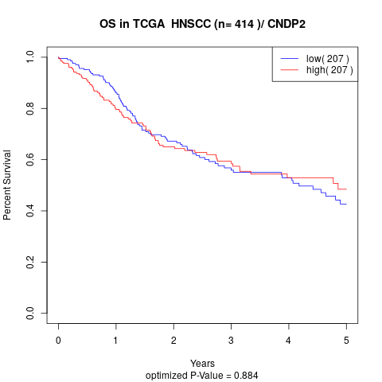

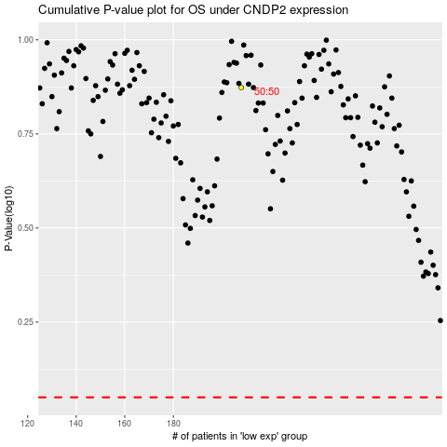

 |  |  |  |  |  | cases_OS | p_OS | rank | exp
 |  |  |  |  |  |  | cases_RFS | p_RFS | rank | exp

