CNGA1 _multivariate
Reported by Tex Li-Hsing Chi. tex@gate.sinica.edu.tw 2019-08-21

Table 2. The clinicopathological features of HNSCC cohort and CNGA1 expression. (Chi square test)
Cutoff at -0.351 (50.0%)
 |  | CNGA1 expression |  | CNGA1 expression |  | (Optimised)
 | Features | Low | (%) | High | (%) | Case no | P-value | Remark | Matthews
Gender | Female | 162 | 39 | 144 | 34.7 | 415 | 0.0479 | 1 | 0
2 | Male | 45 | 10.8 | 64 | 15.4
Age at diagnosis | <=65y | 140 | 33.7 | 134 | 32.3 | 415 | 0.5574 | 0 | 0
4 | >65y | 67 | 16.1 | 74 | 17.8
Clinical T Status | T1+T2 | 80 | 19.3 | 69 | 16.6 | 415 | 0.2891 | 0 | 0
6 | T3+T4 | 127 | 30.6 | 139 | 33.5
Clinical N Status | N0 | 103 | 24.8 | 113 | 27.2 | 415 | 0.4047 | 0 | 0
8 | N1-3 | 104 | 25.1 | 95 | 22.9
Clinical M Status | M0 | 207 | 49.9 | 205 | 49.4 | 415 | 0.2482 | 0 | 0
10 | M1 | 0 | 0 | 3 | 0.7
Clinical Stage | Stage I+II | 53 | 12.8 | 49 | 11.8 | 415 | 0.7113 | 0 | 0
12 | Stage III+IV | 154 | 37.1 | 159 | 38.3
Surgical Margin status | Negative | 160 | 38.6 | 158 | 38.1 | 415 | 0.8167 | 0 | 0
14 | Positive | 47 | 11.3 | 50 | 12
Tobacco Exposure | Low | 76 | 18.3 | 85 | 20.5 | 415 | 0.4207 | 0 | 0
16 | High | 131 | 31.6 | 123 | 29.6

Table 3. Univariate/Multivariate Cox's proportional hazards regression analyses on OS time of CNGA1 gene expression in HNSCC

 |  | Univariate |  |  |  | Multivariate
 | Features | HR | CI95%(L) | CI95%(H) | P-value | HR | CI95%(L) | CI95%(H) | P-value
1 | Female | 1 |  |  |  | 1
Gender | Male | 1.157 | 0.843 | 1.587 | 0.367 | 1.197 | 0.857 | 1.673 | 0.291
11 | <=65y | 1 |  |  |  | 1
Age at diagnosis | >65y | 1.329 | 0.99 | 1.784 | 0.058 | 1.402 | 1.03 | 1.909 | 0.032
12 | T1+T2 | 1 |  |  |  | 1
Clinical T Status | T3+T4 | 1.409 | 1.028 | 1.931 | 0.033 | 2.201 | 1.164 | 4.16 | 0.015
13 | N0 | 1 |  |  |  | 1
Clinical N Status | N1-3 | 1.185 | 0.89 | 1.577 | 0.246 | 1.253 | 0.876 | 1.791 | 0.217
14 | M0 | 1 |  |  |  | 1
Clinical M Status | M1 | 4.097 | 1.009 | 16.644 | 0.049 | 9.04 | 1.956 | 41.786 | 0.005
15 | Stage I+II | 1 |  |  |  | 1
Clinical Stage | Stage III+IV | 1.245 | 0.882 | 1.759 | 0.213 | 0.502 | 0.234 | 1.078 | 0.077
16 | Negative | 1 |  |  |  | 1
Surgical Margin status | Positive | 1.591 | 1.155 | 2.191 | 0.004 | 1.664 | 1.204 | 2.301 | 0.002
17 | Low | 1 |  |  |  | 1
Tobacco Exposure | High | 1.364 | 1.008 | 1.844 | 0.044 | 1.454 | 1.055 | 2.002 | 0.022
18 | Low | 1 |  |  |  | 1
RNAseq(z-score) | High | 1.083 | 0.813 | 1.442 | 0.586 | 1.074 | 0.803 | 1.437 | 0.63

Table 4. Univariate/Multivariate Cox's proportional hazards regression analyses on RFS time of CNGA1 gene expression in HNSCC

 |  | Univariate |  |  |  | Multivariate
 | Features | HR | CI95%(L) | CI95%(H) | P-value | HR | CI95%(L) | CI95%(H) | P-value
1 | Female | 1 |  |  |  | 1
Gender | Male | 1.157 | 0.843 | 1.587 | 0.367 | 1.197 | 0.857 | 1.673 | 0.291
11 | <=65y | 1 |  |  |  | 1
Age at diagnosis | >65y | 1.329 | 0.99 | 1.784 | 0.058 | 1.402 | 1.03 | 1.909 | 0.032
12 | T1+T2 | 1 |  |  |  | 1
Clinical T Status | T3+T4 | 1.409 | 1.028 | 1.931 | 0.033 | 2.201 | 1.164 | 4.16 | 0.015
13 | N0 | 1 |  |  |  | 1
Clinical N Status | N1-3 | 1.185 | 0.89 | 1.577 | 0.246 | 1.253 | 0.876 | 1.791 | 0.217
14 | M0 | 1 |  |  |  | 1
Clinical M Status | M1 | 4.097 | 1.009 | 16.644 | 0.049 | 9.04 | 1.956 | 41.786 | 0.005
15 | Stage I+II | 1 |  |  |  | 1
Clinical Stage | Stage III+IV | 1.245 | 0.882 | 1.759 | 0.213 | 0.502 | 0.234 | 1.078 | 0.077
16 | Negative | 1 |  |  |  | 1
Surgical Margin status | Positive | 1.591 | 1.155 | 2.191 | 0.004 | 1.664 | 1.204 | 2.301 | 0.002
17 | Low | 1 |  |  |  | 1
Tobacco Exposure | High | 1.364 | 1.008 | 1.844 | 0.044 | 1.454 | 1.055 | 2.002 | 0.022
18 | Low | 1 |  |  |  | 1
RNAseq(z-score) | High | 1.083 | 0.813 | 1.442 | 0.586 | 1.074 | 0.803 | 1.437 | 0.63

Kaplan-Meier survival estimate: Cutoff at -0.351 (50.0%)



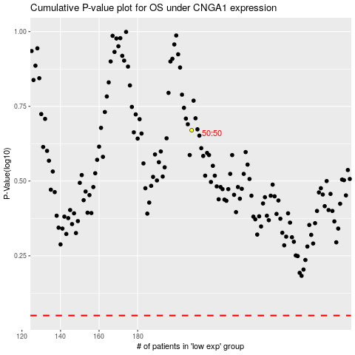

 |  |  |  |  |  | cases_OS | p_OS | rank | exp
 |  |  |  |  |  |  | cases_RFS | p_RFS | rank | exp

