CNGB1 _multivariate
Reported by Tex Li-Hsing Chi. tex@gate.sinica.edu.tw 2019-08-21

Table 2. The clinicopathological features of HNSCC cohort and CNGB1 expression. (Chi square test)
Cutoff at -0.279 (50.0%)
 |  | CNGB1 expression |  | CNGB1 expression |  | (Optimised)
 | Features | Low | (%) | High | (%) | Case no | P-value | Remark | Matthews
Gender | Female | 163 | 39.3 | 143 | 34.5 | 415 | 0.0277 | 1 | 0
2 | Male | 44 | 10.6 | 65 | 15.7
Age at diagnosis | <=65y | 144 | 34.7 | 130 | 31.3 | 415 | 0.1568 | 0 | 0
4 | >65y | 63 | 15.2 | 78 | 18.8
Clinical T Status | T1+T2 | 77 | 18.6 | 72 | 17.3 | 415 | 0.6556 | 0 | 0
6 | T3+T4 | 130 | 31.3 | 136 | 32.8
Clinical N Status | N0 | 105 | 25.3 | 111 | 26.7 | 415 | 0.6598 | 0 | 0
8 | N1-3 | 102 | 24.6 | 97 | 23.4
Clinical M Status | M0 | 205 | 49.4 | 207 | 49.9 | 415 | 0.6232 | 0 | 0
10 | M1 | 2 | 0.5 | 1 | 0.2
Clinical Stage | Stage I+II | 43 | 10.4 | 59 | 14.2 | 415 | 0.0925 | 0 | 0
12 | Stage III+IV | 164 | 39.5 | 149 | 35.9
Surgical Margin status | Negative | 157 | 37.8 | 161 | 38.8 | 415 | 0.729 | 0 | 0
14 | Positive | 50 | 12 | 47 | 11.3
Tobacco Exposure | Low | 73 | 17.6 | 88 | 21.2 | 415 | 0.1587 | 0 | 0
16 | High | 134 | 32.3 | 120 | 28.9

Table 3. Univariate/Multivariate Cox's proportional hazards regression analyses on OS time of CNGB1 gene expression in HNSCC

 |  | Univariate |  |  |  | Multivariate
 | Features | HR | CI95%(L) | CI95%(H) | P-value | HR | CI95%(L) | CI95%(H) | P-value
1 | Female | 1 |  |  |  | 1
Gender | Male | 1.157 | 0.843 | 1.587 | 0.367 | 1.225 | 0.873 | 1.72 | 0.241
11 | <=65y | 1 |  |  |  | 1
Age at diagnosis | >65y | 1.329 | 0.99 | 1.784 | 0.058 | 1.402 | 1.031 | 1.907 | 0.031
12 | T1+T2 | 1 |  |  |  | 1
Clinical T Status | T3+T4 | 1.409 | 1.028 | 1.931 | 0.033 | 2.263 | 1.191 | 4.302 | 0.013
13 | N0 | 1 |  |  |  | 1
Clinical N Status | N1-3 | 1.185 | 0.89 | 1.577 | 0.246 | 1.248 | 0.874 | 1.782 | 0.223
14 | M0 | 1 |  |  |  | 1
Clinical M Status | M1 | 4.097 | 1.009 | 16.644 | 0.049 | 9.564 | 2.084 | 43.883 | 0.004
15 | Stage I+II | 1 |  |  |  | 1
Clinical Stage | Stage III+IV | 1.245 | 0.882 | 1.759 | 0.213 | 0.485 | 0.224 | 1.051 | 0.067
16 | Negative | 1 |  |  |  | 1
Surgical Margin status | Positive | 1.591 | 1.155 | 2.191 | 0.004 | 1.669 | 1.208 | 2.307 | 0.002
17 | Low | 1 |  |  |  | 1
Tobacco Exposure | High | 1.364 | 1.008 | 1.844 | 0.044 | 1.445 | 1.048 | 1.991 | 0.025
18 | Low | 1 |  |  |  | 1
RNAseq(z-score) | High | 0.969 | 0.725 | 1.296 | 0.832 | 0.906 | 0.668 | 1.228 | 0.523

Table 4. Univariate/Multivariate Cox's proportional hazards regression analyses on RFS time of CNGB1 gene expression in HNSCC

 |  | Univariate |  |  |  | Multivariate
 | Features | HR | CI95%(L) | CI95%(H) | P-value | HR | CI95%(L) | CI95%(H) | P-value
1 | Female | 1 |  |  |  | 1
Gender | Male | 1.157 | 0.843 | 1.587 | 0.367 | 1.225 | 0.873 | 1.72 | 0.241
11 | <=65y | 1 |  |  |  | 1
Age at diagnosis | >65y | 1.329 | 0.99 | 1.784 | 0.058 | 1.402 | 1.031 | 1.907 | 0.031
12 | T1+T2 | 1 |  |  |  | 1
Clinical T Status | T3+T4 | 1.409 | 1.028 | 1.931 | 0.033 | 2.263 | 1.191 | 4.302 | 0.013
13 | N0 | 1 |  |  |  | 1
Clinical N Status | N1-3 | 1.185 | 0.89 | 1.577 | 0.246 | 1.248 | 0.874 | 1.782 | 0.223
14 | M0 | 1 |  |  |  | 1
Clinical M Status | M1 | 4.097 | 1.009 | 16.644 | 0.049 | 9.564 | 2.084 | 43.883 | 0.004
15 | Stage I+II | 1 |  |  |  | 1
Clinical Stage | Stage III+IV | 1.245 | 0.882 | 1.759 | 0.213 | 0.485 | 0.224 | 1.051 | 0.067
16 | Negative | 1 |  |  |  | 1
Surgical Margin status | Positive | 1.591 | 1.155 | 2.191 | 0.004 | 1.669 | 1.208 | 2.307 | 0.002
17 | Low | 1 |  |  |  | 1
Tobacco Exposure | High | 1.364 | 1.008 | 1.844 | 0.044 | 1.445 | 1.048 | 1.991 | 0.025
18 | Low | 1 |  |  |  | 1
RNAseq(z-score) | High | 0.969 | 0.725 | 1.296 | 0.832 | 0.906 | 0.668 | 1.228 | 0.523

Kaplan-Meier survival estimate: Cutoff at -0.279 (50.0%)



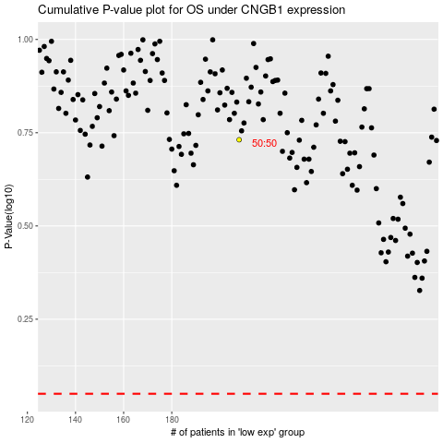

 |  |  |  |  |  | cases_OS | p_OS | rank | exp
 |  |  |  |  |  |  | cases_RFS | p_RFS | rank | exp

