CNGB3 _multivariate
Reported by Tex Li-Hsing Chi. tex@gate.sinica.edu.tw 2019-08-21

Table 2. The clinicopathological features of HNSCC cohort and CNGB3 expression. (Chi square test)
Cutoff at -0.264 (49.8%)
 |  | CNGB3 expression |  | CNGB3 expression |  | (Optimised)
 | Features | Low | (%) | High | (%) | Case no | P-value | Remark | Matthews
Gender | Female | 166 | 40 | 140 | 33.7 | 415 | 0.0041 | 1 | 0
2 | Male | 41 | 9.9 | 68 | 16.4
Age at diagnosis | <=65y | 149 | 35.9 | 125 | 30.1 | 415 | 0.0142 | 1 | 0
4 | >65y | 58 | 14 | 83 | 20
Clinical T Status | T1+T2 | 82 | 19.8 | 67 | 16.1 | 415 | 0.1417 | 0 | 0
6 | T3+T4 | 125 | 30.1 | 141 | 34
Clinical N Status | N0 | 98 | 23.6 | 118 | 28.4 | 415 | 0.0694 | 0 | 0
8 | N1-3 | 109 | 26.3 | 90 | 21.7
Clinical M Status | M0 | 207 | 49.9 | 205 | 49.4 | 415 | 0.2482 | 0 | 0
10 | M1 | 0 | 0 | 3 | 0.7
Clinical Stage | Stage I+II | 54 | 13 | 48 | 11.6 | 415 | 0.5498 | 0 | 0
12 | Stage III+IV | 153 | 36.9 | 160 | 38.6
Surgical Margin status | Negative | 166 | 40 | 152 | 36.6 | 415 | 0.1042 | 0 | 0
14 | Positive | 41 | 9.9 | 56 | 13.5
Tobacco Exposure | Low | 82 | 19.8 | 79 | 19 | 415 | 0.763 | 0 | 0
16 | High | 125 | 30.1 | 129 | 31.1

Table 3. Univariate/Multivariate Cox's proportional hazards regression analyses on OS time of CNGB3 gene expression in HNSCC

 |  | Univariate |  |  |  | Multivariate
 | Features | HR | CI95%(L) | CI95%(H) | P-value | HR | CI95%(L) | CI95%(H) | P-value
1 | Female | 1 |  |  |  | 1
Gender | Male | 1.157 | 0.843 | 1.587 | 0.367 | 1.213 | 0.866 | 1.7 | 0.261
11 | <=65y | 1 |  |  |  | 1
Age at diagnosis | >65y | 1.329 | 0.99 | 1.784 | 0.058 | 1.398 | 1.027 | 1.901 | 0.033
12 | T1+T2 | 1 |  |  |  | 1
Clinical T Status | T3+T4 | 1.409 | 1.028 | 1.931 | 0.033 | 2.226 | 1.175 | 4.219 | 0.014
13 | N0 | 1 |  |  |  | 1
Clinical N Status | N1-3 | 1.185 | 0.89 | 1.577 | 0.246 | 1.233 | 0.863 | 1.762 | 0.25
14 | M0 | 1 |  |  |  | 1
Clinical M Status | M1 | 4.097 | 1.009 | 16.644 | 0.049 | 9.837 | 2.112 | 45.817 | 0.004
15 | Stage I+II | 1 |  |  |  | 1
Clinical Stage | Stage III+IV | 1.245 | 0.882 | 1.759 | 0.213 | 0.502 | 0.234 | 1.078 | 0.077
16 | Negative | 1 |  |  |  | 1
Surgical Margin status | Positive | 1.591 | 1.155 | 2.191 | 0.004 | 1.68 | 1.215 | 2.323 | 0.002
17 | Low | 1 |  |  |  | 1
Tobacco Exposure | High | 1.364 | 1.008 | 1.844 | 0.044 | 1.458 | 1.058 | 2.009 | 0.021
18 | Low | 1 |  |  |  | 1
RNAseq(z-score) | High | 1.062 | 0.798 | 1.415 | 0.679 | 0.941 | 0.7 | 1.265 | 0.688

Table 4. Univariate/Multivariate Cox's proportional hazards regression analyses on RFS time of CNGB3 gene expression in HNSCC

 |  | Univariate |  |  |  | Multivariate
 | Features | HR | CI95%(L) | CI95%(H) | P-value | HR | CI95%(L) | CI95%(H) | P-value
1 | Female | 1 |  |  |  | 1
Gender | Male | 1.157 | 0.843 | 1.587 | 0.367 | 1.213 | 0.866 | 1.7 | 0.261
11 | <=65y | 1 |  |  |  | 1
Age at diagnosis | >65y | 1.329 | 0.99 | 1.784 | 0.058 | 1.398 | 1.027 | 1.901 | 0.033
12 | T1+T2 | 1 |  |  |  | 1
Clinical T Status | T3+T4 | 1.409 | 1.028 | 1.931 | 0.033 | 2.226 | 1.175 | 4.219 | 0.014
13 | N0 | 1 |  |  |  | 1
Clinical N Status | N1-3 | 1.185 | 0.89 | 1.577 | 0.246 | 1.233 | 0.863 | 1.762 | 0.25
14 | M0 | 1 |  |  |  | 1
Clinical M Status | M1 | 4.097 | 1.009 | 16.644 | 0.049 | 9.837 | 2.112 | 45.817 | 0.004
15 | Stage I+II | 1 |  |  |  | 1
Clinical Stage | Stage III+IV | 1.245 | 0.882 | 1.759 | 0.213 | 0.502 | 0.234 | 1.078 | 0.077
16 | Negative | 1 |  |  |  | 1
Surgical Margin status | Positive | 1.591 | 1.155 | 2.191 | 0.004 | 1.68 | 1.215 | 2.323 | 0.002
17 | Low | 1 |  |  |  | 1
Tobacco Exposure | High | 1.364 | 1.008 | 1.844 | 0.044 | 1.458 | 1.058 | 2.009 | 0.021
18 | Low | 1 |  |  |  | 1
RNAseq(z-score) | High | 1.062 | 0.798 | 1.415 | 0.679 | 0.941 | 0.7 | 1.265 | 0.688

Kaplan-Meier survival estimate: Cutoff at -0.264 (49.8%)



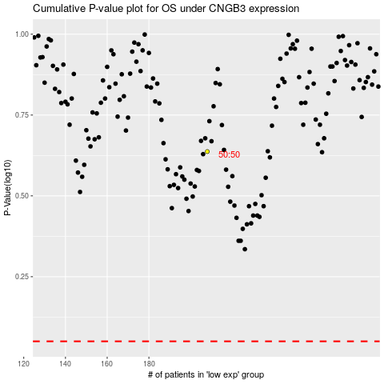

 |  |  |  |  |  | cases_OS | p_OS | rank | exp
 |  |  |  |  |  |  | cases_RFS | p_RFS | rank | exp

