CNKSR1 _multivariate
Reported by Tex Li-Hsing Chi. tex@gate.sinica.edu.tw 2019-08-20

Table 2. The clinicopathological features of HNSCC cohort and CNKSR1 expression. (Chi square test)
Cutoff at -0.182 (50.0%)
 |  | CNKSR1 expression |  | CNKSR1 expression |  | (Optimised)
 | Features | Low | (%) | High | (%) | Case no | P-value | Remark | Matthews
Gender | Female | 157 | 37.8 | 149 | 35.9 | 415 | 0.3881 | 0 | 0
2 | Male | 50 | 12 | 59 | 14.2
Age at diagnosis | <=65y | 136 | 32.8 | 138 | 33.3 | 415 | 0.9719 | 0 | 0
4 | >65y | 71 | 17.1 | 70 | 16.9
Clinical T Status | T1+T2 | 79 | 19 | 70 | 16.9 | 415 | 0.3924 | 0 | 0
6 | T3+T4 | 128 | 30.8 | 138 | 33.3
Clinical N Status | N0 | 108 | 26 | 108 | 26 | 415 | 1 | 0 | 0
8 | N1-3 | 99 | 23.9 | 100 | 24.1
Clinical M Status | M0 | 207 | 49.9 | 205 | 49.4 | 415 | 0.2482 | 0 | 0
10 | M1 | 0 | 0 | 3 | 0.7
Clinical Stage | Stage I+II | 53 | 12.8 | 49 | 11.8 | 415 | 0.7113 | 0 | 0
12 | Stage III+IV | 154 | 37.1 | 159 | 38.3
Surgical Margin status | Negative | 155 | 37.3 | 163 | 39.3 | 415 | 0.4187 | 0 | 0
14 | Positive | 52 | 12.5 | 45 | 10.8
Tobacco Exposure | Low | 72 | 17.3 | 89 | 21.4 | 415 | 0.1071 | 0 | 0
16 | High | 135 | 32.5 | 119 | 28.7

Table 3. Univariate/Multivariate Cox's proportional hazards regression analyses on OS time of CNKSR1 gene expression in HNSCC

 |  | Univariate |  |  |  | Multivariate
 | Features | HR | CI95%(L) | CI95%(H) | P-value | HR | CI95%(L) | CI95%(H) | P-value
1 | Female | 1 |  |  |  | 1
Gender | Male | 1.157 | 0.843 | 1.587 | 0.367 | 1.205 | 0.862 | 1.684 | 0.275
11 | <=65y | 1 |  |  |  | 1
Age at diagnosis | >65y | 1.329 | 0.99 | 1.784 | 0.058 | 1.393 | 1.025 | 1.894 | 0.034
12 | T1+T2 | 1 |  |  |  | 1
Clinical T Status | T3+T4 | 1.409 | 1.028 | 1.931 | 0.033 | 2.214 | 1.17 | 4.189 | 0.015
13 | N0 | 1 |  |  |  | 1
Clinical N Status | N1-3 | 1.185 | 0.89 | 1.577 | 0.246 | 1.241 | 0.87 | 1.771 | 0.233
14 | M0 | 1 |  |  |  | 1
Clinical M Status | M1 | 4.097 | 1.009 | 16.644 | 0.049 | 9.676 | 2.089 | 44.817 | 0.004
15 | Stage I+II | 1 |  |  |  | 1
Clinical Stage | Stage III+IV | 1.245 | 0.882 | 1.759 | 0.213 | 0.503 | 0.235 | 1.081 | 0.078
16 | Negative | 1 |  |  |  | 1
Surgical Margin status | Positive | 1.591 | 1.155 | 2.191 | 0.004 | 1.67 | 1.208 | 2.307 | 0.002
17 | Low | 1 |  |  |  | 1
Tobacco Exposure | High | 1.364 | 1.008 | 1.844 | 0.044 | 1.445 | 1.047 | 1.994 | 0.025
18 | Low | 1 |  |  |  | 1
RNAseq(z-score) | High | 0.972 | 0.73 | 1.296 | 0.848 | 0.954 | 0.712 | 1.279 | 0.755

Table 4. Univariate/Multivariate Cox's proportional hazards regression analyses on RFS time of CNKSR1 gene expression in HNSCC

 |  | Univariate |  |  |  | Multivariate
 | Features | HR | CI95%(L) | CI95%(H) | P-value | HR | CI95%(L) | CI95%(H) | P-value
1 | Female | 1 |  |  |  | 1
Gender | Male | 1.157 | 0.843 | 1.587 | 0.367 | 1.205 | 0.862 | 1.684 | 0.275
11 | <=65y | 1 |  |  |  | 1
Age at diagnosis | >65y | 1.329 | 0.99 | 1.784 | 0.058 | 1.393 | 1.025 | 1.894 | 0.034
12 | T1+T2 | 1 |  |  |  | 1
Clinical T Status | T3+T4 | 1.409 | 1.028 | 1.931 | 0.033 | 2.214 | 1.17 | 4.189 | 0.015
13 | N0 | 1 |  |  |  | 1
Clinical N Status | N1-3 | 1.185 | 0.89 | 1.577 | 0.246 | 1.241 | 0.87 | 1.771 | 0.233
14 | M0 | 1 |  |  |  | 1
Clinical M Status | M1 | 4.097 | 1.009 | 16.644 | 0.049 | 9.676 | 2.089 | 44.817 | 0.004
15 | Stage I+II | 1 |  |  |  | 1
Clinical Stage | Stage III+IV | 1.245 | 0.882 | 1.759 | 0.213 | 0.503 | 0.235 | 1.081 | 0.078
16 | Negative | 1 |  |  |  | 1
Surgical Margin status | Positive | 1.591 | 1.155 | 2.191 | 0.004 | 1.67 | 1.208 | 2.307 | 0.002
17 | Low | 1 |  |  |  | 1
Tobacco Exposure | High | 1.364 | 1.008 | 1.844 | 0.044 | 1.445 | 1.047 | 1.994 | 0.025
18 | Low | 1 |  |  |  | 1
RNAseq(z-score) | High | 0.972 | 0.73 | 1.296 | 0.848 | 0.954 | 0.712 | 1.279 | 0.755

Kaplan-Meier survival estimate: Cutoff at -0.182 (50.0%)

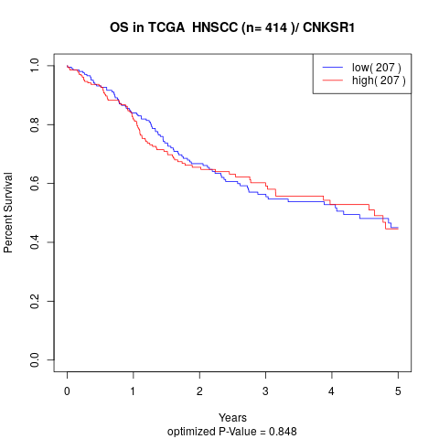

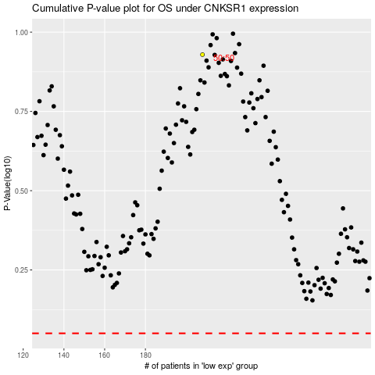

 |  |  |  |  |  | cases_OS | p_OS | rank | exp
 |  |  |  |  |  |  | cases_RFS | p_RFS | rank | exp

