CNN1 _multivariate
Reported by Tex Li-Hsing Chi. tex@gate.sinica.edu.tw 2019-08-20

Table 2. The clinicopathological features of HNSCC cohort and CNN1 expression. (Chi square test)
Cutoff at -0.264 (49.8%)
 |  | CNN1 expression |  | CNN1 expression |  | (Optimised)
 | Features | Low | (%) | High | (%) | Case no | P-value | Remark | Matthews
Gender | Female | 148 | 35.7 | 158 | 38.1 | 415 | 0.3567 | 0 | 0
2 | Male | 59 | 14.2 | 50 | 12
Age at diagnosis | <=65y | 140 | 33.7 | 134 | 32.3 | 415 | 0.5574 | 0 | 0
4 | >65y | 67 | 16.1 | 74 | 17.8
Clinical T Status | T1+T2 | 83 | 20 | 66 | 15.9 | 415 | 0.0941 | 0 | 0
6 | T3+T4 | 124 | 29.9 | 142 | 34.2
Clinical N Status | N0 | 109 | 26.3 | 107 | 25.8 | 415 | 0.8812 | 0 | 0
8 | N1-3 | 98 | 23.6 | 101 | 24.3
Clinical M Status | M0 | 204 | 49.2 | 208 | 50.1 | 415 | 0.1232 | 0 | 0
10 | M1 | 3 | 0.7 | 0 | 0
Clinical Stage | Stage I+II | 55 | 13.3 | 47 | 11.3 | 415 | 0.4087 | 0 | 0
12 | Stage III+IV | 152 | 36.6 | 161 | 38.8
Surgical Margin status | Negative | 158 | 38.1 | 160 | 38.6 | 415 | 0.9081 | 0 | 0
14 | Positive | 49 | 11.8 | 48 | 11.6
Tobacco Exposure | Low | 91 | 21.9 | 70 | 16.9 | 415 | 0.0346 | 1 | 0
16 | High | 116 | 28 | 138 | 33.3

Table 3. Univariate/Multivariate Cox's proportional hazards regression analyses on OS time of CNN1 gene expression in HNSCC

 |  | Univariate |  |  |  | Multivariate
 | Features | HR | CI95%(L) | CI95%(H) | P-value | HR | CI95%(L) | CI95%(H) | P-value
1 | Female | 1 |  |  |  | 1
Gender | Male | 1.157 | 0.843 | 1.587 | 0.367 | 1.193 | 0.853 | 1.669 | 0.304
11 | <=65y | 1 |  |  |  | 1
Age at diagnosis | >65y | 1.329 | 0.99 | 1.784 | 0.058 | 1.4 | 1.029 | 1.904 | 0.032
12 | T1+T2 | 1 |  |  |  | 1
Clinical T Status | T3+T4 | 1.409 | 1.028 | 1.931 | 0.033 | 2.243 | 1.183 | 4.253 | 0.013
13 | N0 | 1 |  |  |  | 1
Clinical N Status | N1-3 | 1.185 | 0.89 | 1.577 | 0.246 | 1.249 | 0.875 | 1.784 | 0.22
14 | M0 | 1 |  |  |  | 1
Clinical M Status | M1 | 4.097 | 1.009 | 16.644 | 0.049 | 9.064 | 1.97 | 41.713 | 0.005
15 | Stage I+II | 1 |  |  |  | 1
Clinical Stage | Stage III+IV | 1.245 | 0.882 | 1.759 | 0.213 | 0.496 | 0.231 | 1.067 | 0.073
16 | Negative | 1 |  |  |  | 1
Surgical Margin status | Positive | 1.591 | 1.155 | 2.191 | 0.004 | 1.675 | 1.212 | 2.314 | 0.002
17 | Low | 1 |  |  |  | 1
Tobacco Exposure | High | 1.364 | 1.008 | 1.844 | 0.044 | 1.464 | 1.061 | 2.02 | 0.02
18 | Low | 1 |  |  |  | 1
RNAseq(z-score) | High | 0.954 | 0.716 | 1.271 | 0.746 | 0.907 | 0.677 | 1.215 | 0.511

Table 4. Univariate/Multivariate Cox's proportional hazards regression analyses on RFS time of CNN1 gene expression in HNSCC

 |  | Univariate |  |  |  | Multivariate
 | Features | HR | CI95%(L) | CI95%(H) | P-value | HR | CI95%(L) | CI95%(H) | P-value
1 | Female | 1 |  |  |  | 1
Gender | Male | 1.157 | 0.843 | 1.587 | 0.367 | 1.193 | 0.853 | 1.669 | 0.304
11 | <=65y | 1 |  |  |  | 1
Age at diagnosis | >65y | 1.329 | 0.99 | 1.784 | 0.058 | 1.4 | 1.029 | 1.904 | 0.032
12 | T1+T2 | 1 |  |  |  | 1
Clinical T Status | T3+T4 | 1.409 | 1.028 | 1.931 | 0.033 | 2.243 | 1.183 | 4.253 | 0.013
13 | N0 | 1 |  |  |  | 1
Clinical N Status | N1-3 | 1.185 | 0.89 | 1.577 | 0.246 | 1.249 | 0.875 | 1.784 | 0.22
14 | M0 | 1 |  |  |  | 1
Clinical M Status | M1 | 4.097 | 1.009 | 16.644 | 0.049 | 9.064 | 1.97 | 41.713 | 0.005
15 | Stage I+II | 1 |  |  |  | 1
Clinical Stage | Stage III+IV | 1.245 | 0.882 | 1.759 | 0.213 | 0.496 | 0.231 | 1.067 | 0.073
16 | Negative | 1 |  |  |  | 1
Surgical Margin status | Positive | 1.591 | 1.155 | 2.191 | 0.004 | 1.675 | 1.212 | 2.314 | 0.002
17 | Low | 1 |  |  |  | 1
Tobacco Exposure | High | 1.364 | 1.008 | 1.844 | 0.044 | 1.464 | 1.061 | 2.02 | 0.02
18 | Low | 1 |  |  |  | 1
RNAseq(z-score) | High | 0.954 | 0.716 | 1.271 | 0.746 | 0.907 | 0.677 | 1.215 | 0.511

Kaplan-Meier survival estimate: Cutoff at -0.264 (49.8%)



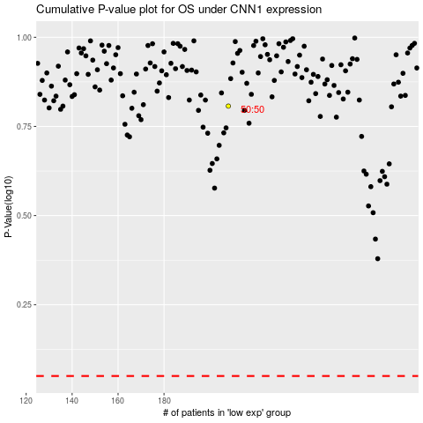

 |  |  |  |  |  | cases_OS | p_OS | rank | exp
 |  |  |  |  |  |  | cases_RFS | p_RFS | rank | exp

