CNN2 _multivariate
Reported by Tex Li-Hsing Chi. tex@gate.sinica.edu.tw 2019-08-20

Table 2. The clinicopathological features of HNSCC cohort and CNN2 expression. (Chi square test)
Cutoff at 0.435 (66.7%)
 |  | CNN2 expression |  | CNN2 expression |  | (Optimised)
 | Features | Low | (%) | High | (%) | Case no | P-value | Remark | Matthews
Gender | Female | 208 | 50.1 | 98 | 23.6 | 415 | 0.441 | 0 | 0
2 | Male | 69 | 16.6 | 40 | 9.6
Age at diagnosis | <=65y | 192 | 46.3 | 82 | 19.8 | 415 | 0.0581 | 0 | 0
4 | >65y | 85 | 20.5 | 56 | 13.5
Clinical T Status | T1+T2 | 101 | 24.3 | 48 | 11.6 | 415 | 0.8201 | 0 | 0
6 | T3+T4 | 176 | 42.4 | 90 | 21.7
Clinical N Status | N0 | 140 | 33.7 | 76 | 18.3 | 415 | 0.4436 | 0 | 0
8 | N1-3 | 137 | 33 | 62 | 14.9
Clinical M Status | M0 | 274 | 66 | 138 | 33.3 | 415 | 0.5539 | 0 | 0
10 | M1 | 3 | 0.7 | 0 | 0
Clinical Stage | Stage I+II | 60 | 14.5 | 42 | 10.1 | 415 | 0.0665 | 0 | 0
12 | Stage III+IV | 217 | 52.3 | 96 | 23.1
Surgical Margin status | Negative | 212 | 51.1 | 106 | 25.5 | 415 | 1 | 0 | 0
14 | Positive | 65 | 15.7 | 32 | 7.7
Tobacco Exposure | Low | 97 | 23.4 | 64 | 15.4 | 415 | 0.0323 | 1 | 0
16 | High | 180 | 43.4 | 74 | 17.8

Table 3. Univariate/Multivariate Cox's proportional hazards regression analyses on OS time of CNN2 gene expression in HNSCC

 |  | Univariate |  |  |  | Multivariate
 | Features | HR | CI95%(L) | CI95%(H) | P-value | HR | CI95%(L) | CI95%(H) | P-value
1 | Female | 1 |  |  |  | 1
Gender | Male | 1.157 | 0.843 | 1.587 | 0.367 | 1.173 | 0.838 | 1.643 | 0.352
11 | <=65y | 1 |  |  |  | 1
Age at diagnosis | >65y | 1.329 | 0.99 | 1.784 | 0.058 | 1.38 | 1.016 | 1.874 | 0.039
12 | T1+T2 | 1 |  |  |  | 1
Clinical T Status | T3+T4 | 1.409 | 1.028 | 1.931 | 0.033 | 2.1 | 1.109 | 3.978 | 0.023
13 | N0 | 1 |  |  |  | 1
Clinical N Status | N1-3 | 1.185 | 0.89 | 1.577 | 0.246 | 1.222 | 0.857 | 1.743 | 0.268
14 | M0 | 1 |  |  |  | 1
Clinical M Status | M1 | 4.097 | 1.009 | 16.644 | 0.049 | 9.896 | 2.157 | 45.408 | 0.003
15 | Stage I+II | 1 |  |  |  | 1
Clinical Stage | Stage III+IV | 1.245 | 0.882 | 1.759 | 0.213 | 0.557 | 0.258 | 1.205 | 0.137
16 | Negative | 1 |  |  |  | 1
Surgical Margin status | Positive | 1.591 | 1.155 | 2.191 | 0.004 | 1.666 | 1.207 | 2.301 | 0.002
17 | Low | 1 |  |  |  | 1
Tobacco Exposure | High | 1.364 | 1.008 | 1.844 | 0.044 | 1.463 | 1.061 | 2.017 | 0.02
18 | Low | 1 |  |  |  | 1
RNAseq(z-score) | High | 1.342 | 0.999 | 1.803 | 0.051 | 1.336 | 0.987 | 1.808 | 0.061

Table 4. Univariate/Multivariate Cox's proportional hazards regression analyses on RFS time of CNN2 gene expression in HNSCC

 |  | Univariate |  |  |  | Multivariate
 | Features | HR | CI95%(L) | CI95%(H) | P-value | HR | CI95%(L) | CI95%(H) | P-value
1 | Female | 1 |  |  |  | 1
Gender | Male | 1.157 | 0.843 | 1.587 | 0.367 | 1.173 | 0.838 | 1.643 | 0.352
11 | <=65y | 1 |  |  |  | 1
Age at diagnosis | >65y | 1.329 | 0.99 | 1.784 | 0.058 | 1.38 | 1.016 | 1.874 | 0.039
12 | T1+T2 | 1 |  |  |  | 1
Clinical T Status | T3+T4 | 1.409 | 1.028 | 1.931 | 0.033 | 2.1 | 1.109 | 3.978 | 0.023
13 | N0 | 1 |  |  |  | 1
Clinical N Status | N1-3 | 1.185 | 0.89 | 1.577 | 0.246 | 1.222 | 0.857 | 1.743 | 0.268
14 | M0 | 1 |  |  |  | 1
Clinical M Status | M1 | 4.097 | 1.009 | 16.644 | 0.049 | 9.896 | 2.157 | 45.408 | 0.003
15 | Stage I+II | 1 |  |  |  | 1
Clinical Stage | Stage III+IV | 1.245 | 0.882 | 1.759 | 0.213 | 0.557 | 0.258 | 1.205 | 0.137
16 | Negative | 1 |  |  |  | 1
Surgical Margin status | Positive | 1.591 | 1.155 | 2.191 | 0.004 | 1.666 | 1.207 | 2.301 | 0.002
17 | Low | 1 |  |  |  | 1
Tobacco Exposure | High | 1.364 | 1.008 | 1.844 | 0.044 | 1.463 | 1.061 | 2.017 | 0.02
18 | Low | 1 |  |  |  | 1
RNAseq(z-score) | High | 1.342 | 0.999 | 1.803 | 0.051 | 1.336 | 0.987 | 1.808 | 0.061

Kaplan-Meier survival estimate: Cutoff at 0.435 (66.7%)



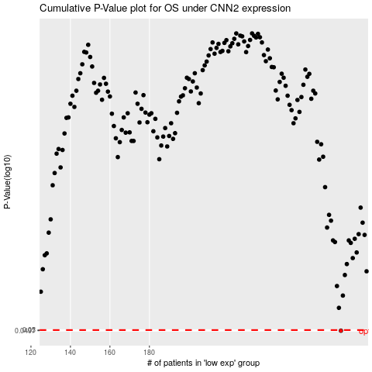

 |  |  |  |  |  | cases_OS | p_OS | rank | exp
 |  |  |  |  |  | 277 | 0.0497 | 281 | 0.43511391717
 |  |  |  |  |  |  | cases_RFS | p_RFS | rank | exp
 |  |  |  |  |  |  | 276 | 0.0497 | 192 | 0.42955668567

