CNN3 _multivariate
Reported by Tex Li-Hsing Chi. tex@gate.sinica.edu.tw 2019-08-20

Table 2. The clinicopathological features of HNSCC cohort and CNN3 expression. (Chi square test)
Cutoff at -0.247 (50.0%)
 |  | CNN3 expression |  | CNN3 expression |  | (Optimised)
 | Features | Low | (%) | High | (%) | Case no | P-value | Remark | Matthews
Gender | Female | 154 | 37.1 | 152 | 36.6 | 415 | 0.8463 | 0 | 0
2 | Male | 53 | 12.8 | 56 | 13.5
Age at diagnosis | <=65y | 129 | 31.1 | 145 | 34.9 | 415 | 0.1372 | 0 | 0
4 | >65y | 78 | 18.8 | 63 | 15.2
Clinical T Status | T1+T2 | 79 | 19 | 70 | 16.9 | 415 | 0.3924 | 0 | 0
6 | T3+T4 | 128 | 30.8 | 138 | 33.3
Clinical N Status | N0 | 123 | 29.6 | 93 | 22.4 | 415 | 0.0037 | 1 | 0
8 | N1-3 | 84 | 20.2 | 115 | 27.7
Clinical M Status | M0 | 204 | 49.2 | 208 | 50.1 | 415 | 0.1232 | 0 | 0
10 | M1 | 3 | 0.7 | 0 | 0
Clinical Stage | Stage I+II | 55 | 13.3 | 47 | 11.3 | 415 | 0.4087 | 0 | 0
12 | Stage III+IV | 152 | 36.6 | 161 | 38.8
Surgical Margin status | Negative | 165 | 39.8 | 153 | 36.9 | 415 | 0.1639 | 0 | 0
14 | Positive | 42 | 10.1 | 55 | 13.3
Tobacco Exposure | Low | 81 | 19.5 | 80 | 19.3 | 415 | 0.9199 | 0 | 0
16 | High | 126 | 30.4 | 128 | 30.8

Table 3. Univariate/Multivariate Cox's proportional hazards regression analyses on OS time of CNN3 gene expression in HNSCC

 |  | Univariate |  |  |  | Multivariate
 | Features | HR | CI95%(L) | CI95%(H) | P-value | HR | CI95%(L) | CI95%(H) | P-value
1 | Female | 1 |  |  |  | 1
Gender | Male | 1.157 | 0.843 | 1.587 | 0.367 | 1.199 | 0.858 | 1.674 | 0.288
11 | <=65y | 1 |  |  |  | 1
Age at diagnosis | >65y | 1.329 | 0.99 | 1.784 | 0.058 | 1.398 | 1.028 | 1.901 | 0.033
12 | T1+T2 | 1 |  |  |  | 1
Clinical T Status | T3+T4 | 1.409 | 1.028 | 1.931 | 0.033 | 2.191 | 1.158 | 4.146 | 0.016
13 | N0 | 1 |  |  |  | 1
Clinical N Status | N1-3 | 1.185 | 0.89 | 1.577 | 0.246 | 1.227 | 0.857 | 1.758 | 0.264
14 | M0 | 1 |  |  |  | 1
Clinical M Status | M1 | 4.097 | 1.009 | 16.644 | 0.049 | 9.686 | 2.097 | 44.737 | 0.004
15 | Stage I+II | 1 |  |  |  | 1
Clinical Stage | Stage III+IV | 1.245 | 0.882 | 1.759 | 0.213 | 0.509 | 0.237 | 1.095 | 0.084
16 | Negative | 1 |  |  |  | 1
Surgical Margin status | Positive | 1.591 | 1.155 | 2.191 | 0.004 | 1.661 | 1.2 | 2.299 | 0.002
17 | Low | 1 |  |  |  | 1
Tobacco Exposure | High | 1.364 | 1.008 | 1.844 | 0.044 | 1.45 | 1.053 | 1.997 | 0.023
18 | Low | 1 |  |  |  | 1
RNAseq(z-score) | High | 1.089 | 0.817 | 1.451 | 0.56 | 1.06 | 0.788 | 1.425 | 0.702

Table 4. Univariate/Multivariate Cox's proportional hazards regression analyses on RFS time of CNN3 gene expression in HNSCC

 |  | Univariate |  |  |  | Multivariate
 | Features | HR | CI95%(L) | CI95%(H) | P-value | HR | CI95%(L) | CI95%(H) | P-value
1 | Female | 1 |  |  |  | 1
Gender | Male | 1.157 | 0.843 | 1.587 | 0.367 | 1.199 | 0.858 | 1.674 | 0.288
11 | <=65y | 1 |  |  |  | 1
Age at diagnosis | >65y | 1.329 | 0.99 | 1.784 | 0.058 | 1.398 | 1.028 | 1.901 | 0.033
12 | T1+T2 | 1 |  |  |  | 1
Clinical T Status | T3+T4 | 1.409 | 1.028 | 1.931 | 0.033 | 2.191 | 1.158 | 4.146 | 0.016
13 | N0 | 1 |  |  |  | 1
Clinical N Status | N1-3 | 1.185 | 0.89 | 1.577 | 0.246 | 1.227 | 0.857 | 1.758 | 0.264
14 | M0 | 1 |  |  |  | 1
Clinical M Status | M1 | 4.097 | 1.009 | 16.644 | 0.049 | 9.686 | 2.097 | 44.737 | 0.004
15 | Stage I+II | 1 |  |  |  | 1
Clinical Stage | Stage III+IV | 1.245 | 0.882 | 1.759 | 0.213 | 0.509 | 0.237 | 1.095 | 0.084
16 | Negative | 1 |  |  |  | 1
Surgical Margin status | Positive | 1.591 | 1.155 | 2.191 | 0.004 | 1.661 | 1.2 | 2.299 | 0.002
17 | Low | 1 |  |  |  | 1
Tobacco Exposure | High | 1.364 | 1.008 | 1.844 | 0.044 | 1.45 | 1.053 | 1.997 | 0.023
18 | Low | 1 |  |  |  | 1
RNAseq(z-score) | High | 1.089 | 0.817 | 1.451 | 0.56 | 1.06 | 0.788 | 1.425 | 0.702

Kaplan-Meier survival estimate: Cutoff at -0.247 (50.0%)



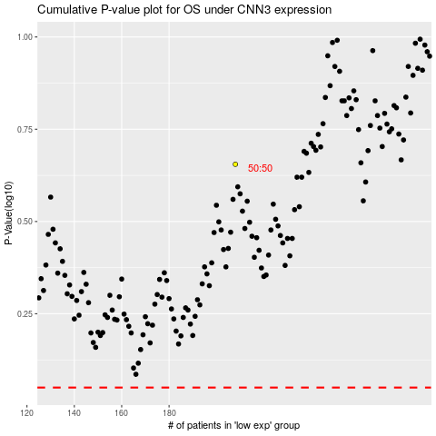

 |  |  |  |  |  | cases_OS | p_OS | rank | exp
 |  |  |  |  |  |  | cases_RFS | p_RFS | rank | exp

