CNNM1 _multivariate
Reported by Tex Li-Hsing Chi. tex@gate.sinica.edu.tw 2019-08-20

Table 2. The clinicopathological features of HNSCC cohort and CNNM1 expression. (Chi square test)
Cutoff at -0.519 (49.8%)
 |  | CNNM1 expression |  | CNNM1 expression |  | (Optimised)
 | Features | Low | (%) | High | (%) | Case no | P-value | Remark | Matthews
Gender | Female | 142 | 34.2 | 164 | 39.5 | 415 | 0.0238 | 1 | 0
2 | Male | 65 | 15.7 | 44 | 10.6
Age at diagnosis | <=65y | 131 | 31.6 | 143 | 34.5 | 415 | 0.2839 | 0 | 0
4 | >65y | 76 | 18.3 | 65 | 15.7
Clinical T Status | T1+T2 | 83 | 20 | 66 | 15.9 | 415 | 0.0941 | 0 | 0
6 | T3+T4 | 124 | 29.9 | 142 | 34.2
Clinical N Status | N0 | 111 | 26.7 | 105 | 25.3 | 415 | 0.5875 | 0 | 0
8 | N1-3 | 96 | 23.1 | 103 | 24.8
Clinical M Status | M0 | 205 | 49.4 | 207 | 49.9 | 415 | 0.6232 | 0 | 0
10 | M1 | 2 | 0.5 | 1 | 0.2
Clinical Stage | Stage I+II | 60 | 14.5 | 42 | 10.1 | 415 | 0.0493 | 1 | 0
12 | Stage III+IV | 147 | 35.4 | 166 | 40
Surgical Margin status | Negative | 159 | 38.3 | 159 | 38.3 | 415 | 1 | 0 | 0
14 | Positive | 48 | 11.6 | 49 | 11.8
Tobacco Exposure | Low | 105 | 25.3 | 56 | 13.5 | 415 | 0 | 1 | 0
16 | High | 102 | 24.6 | 152 | 36.6

Table 3. Univariate/Multivariate Cox's proportional hazards regression analyses on OS time of CNNM1 gene expression in HNSCC

 |  | Univariate |  |  |  | Multivariate
 | Features | HR | CI95%(L) | CI95%(H) | P-value | HR | CI95%(L) | CI95%(H) | P-value
1 | Female | 1 |  |  |  | 1
Gender | Male | 1.157 | 0.843 | 1.587 | 0.367 | 1.195 | 0.855 | 1.671 | 0.296
11 | <=65y | 1 |  |  |  | 1
Age at diagnosis | >65y | 1.329 | 0.99 | 1.784 | 0.058 | 1.392 | 1.024 | 1.893 | 0.035
12 | T1+T2 | 1 |  |  |  | 1
Clinical T Status | T3+T4 | 1.409 | 1.028 | 1.931 | 0.033 | 2.191 | 1.158 | 4.143 | 0.016
13 | N0 | 1 |  |  |  | 1
Clinical N Status | N1-3 | 1.185 | 0.89 | 1.577 | 0.246 | 1.231 | 0.862 | 1.759 | 0.253
14 | M0 | 1 |  |  |  | 1
Clinical M Status | M1 | 4.097 | 1.009 | 16.644 | 0.049 | 9.134 | 1.985 | 42.04 | 0.005
15 | Stage I+II | 1 |  |  |  | 1
Clinical Stage | Stage III+IV | 1.245 | 0.882 | 1.759 | 0.213 | 0.516 | 0.239 | 1.113 | 0.092
16 | Negative | 1 |  |  |  | 1
Surgical Margin status | Positive | 1.591 | 1.155 | 2.191 | 0.004 | 1.669 | 1.208 | 2.306 | 0.002
17 | Low | 1 |  |  |  | 1
Tobacco Exposure | High | 1.364 | 1.008 | 1.844 | 0.044 | 1.484 | 1.066 | 2.065 | 0.019
18 | Low | 1 |  |  |  | 1
RNAseq(z-score) | High | 0.991 | 0.742 | 1.322 | 0.95 | 0.924 | 0.68 | 1.256 | 0.614

Table 4. Univariate/Multivariate Cox's proportional hazards regression analyses on RFS time of CNNM1 gene expression in HNSCC

 |  | Univariate |  |  |  | Multivariate
 | Features | HR | CI95%(L) | CI95%(H) | P-value | HR | CI95%(L) | CI95%(H) | P-value
1 | Female | 1 |  |  |  | 1
Gender | Male | 1.157 | 0.843 | 1.587 | 0.367 | 1.195 | 0.855 | 1.671 | 0.296
11 | <=65y | 1 |  |  |  | 1
Age at diagnosis | >65y | 1.329 | 0.99 | 1.784 | 0.058 | 1.392 | 1.024 | 1.893 | 0.035
12 | T1+T2 | 1 |  |  |  | 1
Clinical T Status | T3+T4 | 1.409 | 1.028 | 1.931 | 0.033 | 2.191 | 1.158 | 4.143 | 0.016
13 | N0 | 1 |  |  |  | 1
Clinical N Status | N1-3 | 1.185 | 0.89 | 1.577 | 0.246 | 1.231 | 0.862 | 1.759 | 0.253
14 | M0 | 1 |  |  |  | 1
Clinical M Status | M1 | 4.097 | 1.009 | 16.644 | 0.049 | 9.134 | 1.985 | 42.04 | 0.005
15 | Stage I+II | 1 |  |  |  | 1
Clinical Stage | Stage III+IV | 1.245 | 0.882 | 1.759 | 0.213 | 0.516 | 0.239 | 1.113 | 0.092
16 | Negative | 1 |  |  |  | 1
Surgical Margin status | Positive | 1.591 | 1.155 | 2.191 | 0.004 | 1.669 | 1.208 | 2.306 | 0.002
17 | Low | 1 |  |  |  | 1
Tobacco Exposure | High | 1.364 | 1.008 | 1.844 | 0.044 | 1.484 | 1.066 | 2.065 | 0.019
18 | Low | 1 |  |  |  | 1
RNAseq(z-score) | High | 0.991 | 0.742 | 1.322 | 0.95 | 0.924 | 0.68 | 1.256 | 0.614

Kaplan-Meier survival estimate: Cutoff at -0.519 (49.8%)



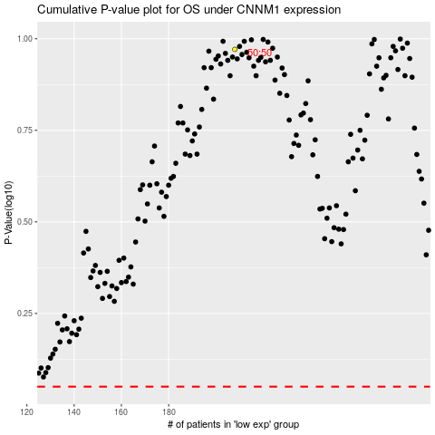

 |  |  |  |  |  | cases_OS | p_OS | rank | exp
 |  |  |  |  |  |  | cases_RFS | p_RFS | rank | exp

