CNNM3 _multivariate
Reported by Tex Li-Hsing Chi. tex@gate.sinica.edu.tw 2019-08-20

Table 2. The clinicopathological features of HNSCC cohort and CNNM3 expression. (Chi square test)
Cutoff at -0.271 (49.8%)
 |  | CNNM3 expression |  | CNNM3 expression |  | (Optimised)
 | Features | Low | (%) | High | (%) | Case no | P-value | Remark | Matthews
Gender | Female | 139 | 33.5 | 167 | 40.2 | 415 | 0.0034 | 1 | 0
2 | Male | 68 | 16.4 | 41 | 9.9
Age at diagnosis | <=65y | 130 | 31.3 | 144 | 34.7 | 415 | 0.2009 | 0 | 0
4 | >65y | 77 | 18.6 | 64 | 15.4
Clinical T Status | T1+T2 | 74 | 17.8 | 75 | 18.1 | 415 | 1 | 0 | 0
6 | T3+T4 | 133 | 32 | 133 | 32
Clinical N Status | N0 | 112 | 27 | 104 | 25.1 | 415 | 0.4599 | 0 | 0
8 | N1-3 | 95 | 22.9 | 104 | 25.1
Clinical M Status | M0 | 204 | 49.2 | 208 | 50.1 | 415 | 0.1232 | 0 | 0
10 | M1 | 3 | 0.7 | 0 | 0
Clinical Stage | Stage I+II | 55 | 13.3 | 47 | 11.3 | 415 | 0.4087 | 0 | 0
12 | Stage III+IV | 152 | 36.6 | 161 | 38.8
Surgical Margin status | Negative | 157 | 37.8 | 161 | 38.8 | 415 | 0.729 | 0 | 0
14 | Positive | 50 | 12 | 47 | 11.3
Tobacco Exposure | Low | 90 | 21.7 | 71 | 17.1 | 415 | 0.0559 | 0 | 0
16 | High | 117 | 28.2 | 137 | 33

Table 3. Univariate/Multivariate Cox's proportional hazards regression analyses on OS time of CNNM3 gene expression in HNSCC

 |  | Univariate |  |  |  | Multivariate
 | Features | HR | CI95%(L) | CI95%(H) | P-value | HR | CI95%(L) | CI95%(H) | P-value
1 | Female | 1 |  |  |  | 1
Gender | Male | 1.157 | 0.843 | 1.587 | 0.367 | 1.17 | 0.833 | 1.642 | 0.365
11 | <=65y | 1 |  |  |  | 1
Age at diagnosis | >65y | 1.329 | 0.99 | 1.784 | 0.058 | 1.385 | 1.018 | 1.884 | 0.038
12 | T1+T2 | 1 |  |  |  | 1
Clinical T Status | T3+T4 | 1.409 | 1.028 | 1.931 | 0.033 | 2.154 | 1.137 | 4.079 | 0.019
13 | N0 | 1 |  |  |  | 1
Clinical N Status | N1-3 | 1.185 | 0.89 | 1.577 | 0.246 | 1.242 | 0.871 | 1.772 | 0.231
14 | M0 | 1 |  |  |  | 1
Clinical M Status | M1 | 4.097 | 1.009 | 16.644 | 0.049 | 8.449 | 1.819 | 39.257 | 0.006
15 | Stage I+II | 1 |  |  |  | 1
Clinical Stage | Stage III+IV | 1.245 | 0.882 | 1.759 | 0.213 | 0.527 | 0.244 | 1.136 | 0.102
16 | Negative | 1 |  |  |  | 1
Surgical Margin status | Positive | 1.591 | 1.155 | 2.191 | 0.004 | 1.663 | 1.204 | 2.298 | 0.002
17 | Low | 1 |  |  |  | 1
Tobacco Exposure | High | 1.364 | 1.008 | 1.844 | 0.044 | 1.468 | 1.064 | 2.026 | 0.02
18 | Low | 1 |  |  |  | 1
RNAseq(z-score) | High | 0.829 | 0.621 | 1.105 | 0.2 | 0.858 | 0.635 | 1.158 | 0.316

Table 4. Univariate/Multivariate Cox's proportional hazards regression analyses on RFS time of CNNM3 gene expression in HNSCC

 |  | Univariate |  |  |  | Multivariate
 | Features | HR | CI95%(L) | CI95%(H) | P-value | HR | CI95%(L) | CI95%(H) | P-value
1 | Female | 1 |  |  |  | 1
Gender | Male | 1.157 | 0.843 | 1.587 | 0.367 | 1.17 | 0.833 | 1.642 | 0.365
11 | <=65y | 1 |  |  |  | 1
Age at diagnosis | >65y | 1.329 | 0.99 | 1.784 | 0.058 | 1.385 | 1.018 | 1.884 | 0.038
12 | T1+T2 | 1 |  |  |  | 1
Clinical T Status | T3+T4 | 1.409 | 1.028 | 1.931 | 0.033 | 2.154 | 1.137 | 4.079 | 0.019
13 | N0 | 1 |  |  |  | 1
Clinical N Status | N1-3 | 1.185 | 0.89 | 1.577 | 0.246 | 1.242 | 0.871 | 1.772 | 0.231
14 | M0 | 1 |  |  |  | 1
Clinical M Status | M1 | 4.097 | 1.009 | 16.644 | 0.049 | 8.449 | 1.819 | 39.257 | 0.006
15 | Stage I+II | 1 |  |  |  | 1
Clinical Stage | Stage III+IV | 1.245 | 0.882 | 1.759 | 0.213 | 0.527 | 0.244 | 1.136 | 0.102
16 | Negative | 1 |  |  |  | 1
Surgical Margin status | Positive | 1.591 | 1.155 | 2.191 | 0.004 | 1.663 | 1.204 | 2.298 | 0.002
17 | Low | 1 |  |  |  | 1
Tobacco Exposure | High | 1.364 | 1.008 | 1.844 | 0.044 | 1.468 | 1.064 | 2.026 | 0.02
18 | Low | 1 |  |  |  | 1
RNAseq(z-score) | High | 0.829 | 0.621 | 1.105 | 0.2 | 0.858 | 0.635 | 1.158 | 0.316

Kaplan-Meier survival estimate: Cutoff at -0.271 (49.8%)



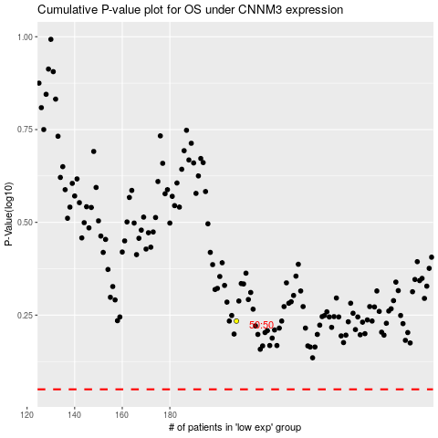

 |  |  |  |  |  | cases_OS | p_OS | rank | exp
 |  |  |  |  |  |  | cases_RFS | p_RFS | rank | exp

